MOSFETs
BSC007N04LS6ATMA1

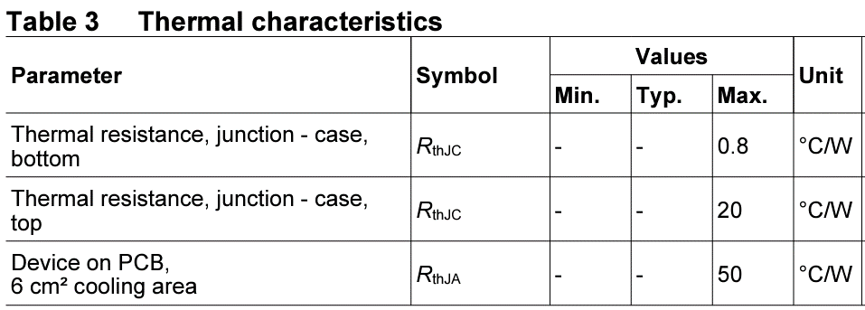

assumptions:
worst case ambient (°C) | 60
Rds_on @ 100 °C | 0.0013
DC Amps | 200
Top Side Cooled (°C/W) | 20
Bottom Side Cooled (°C/W) | 0.8
Ambient Cooled (°C/W) | 50

Num FETs Parallel | Bot Side Cooled (°C) | Top Side Cooled (°C) | Ambient Cooled (°C)
1 | 101.6 | 1100 | 2660
2 | 80.8 | 580 | 1360
3 | 73.87 | 406.67 | 926.67
4 | 70.4 | 320 | 710
5 | 68.32 | 268 | 580
6 | 66.93 | 233.33 | 493.33
7 | 65.94 | 208.57 | 431.43
8 | 65.2 | 190 | 385
9 | 64.62 | 175.56 | 348.89
10 | 64.16 | 164 | 320
11 | 63.78 | 154.55 | 296.36
12 | 63.47 | 146.67 | 276.67
13 | 63.2 | 140 | 260
14 | 62.97 | 134.29 | 245.71
15 | 62.77 | 129.33 | 233.33
16 | 62.6 | 125 | 222.5
17 | 62.45 | 121.18 | 212.94
18 | 62.31 | 117.78 | 204.44
19 | 62.19 | 114.74 | 196.84
20 | 62.08 | 112 | 190

