<- Added Original ->
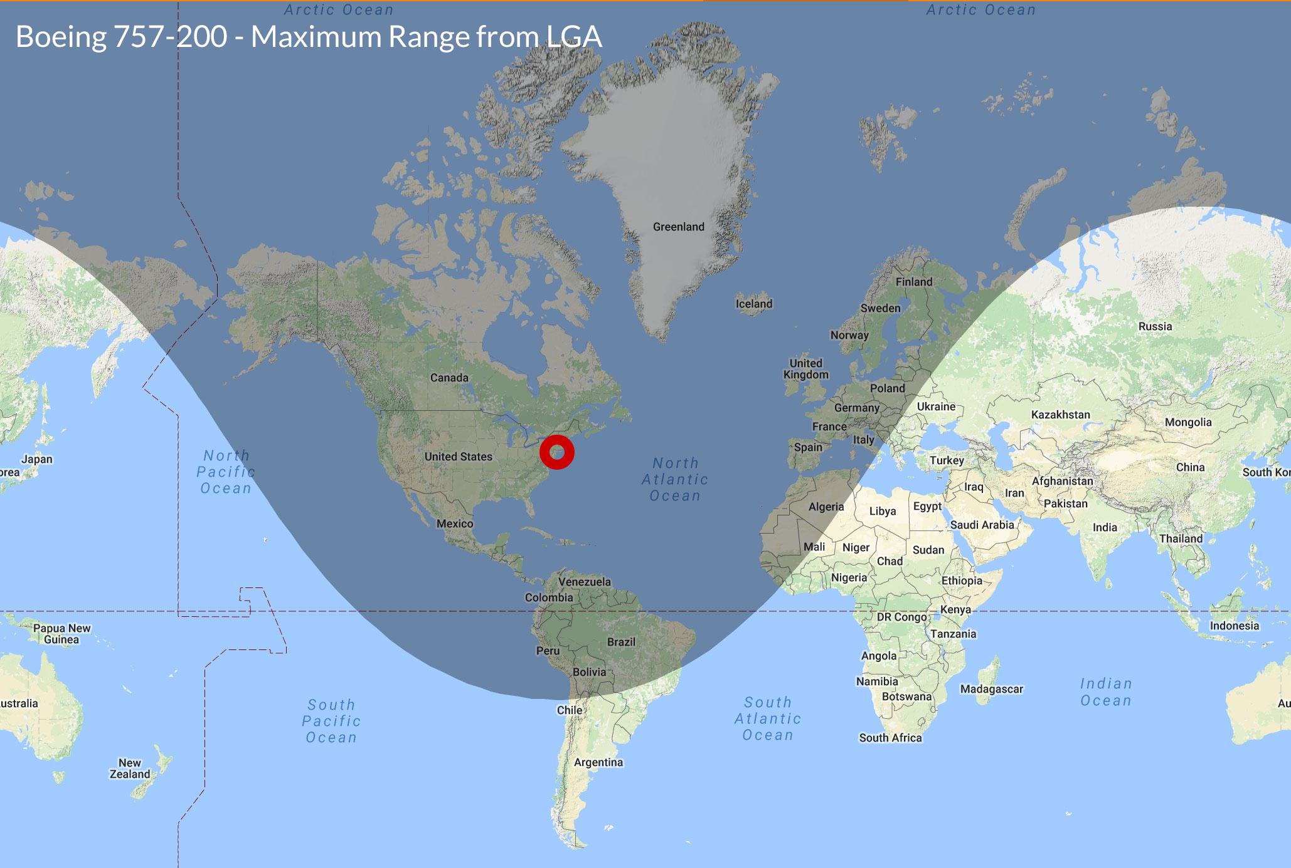
 | Boeing 757-200 | Cessna Citation X | Sikorsky S76
Wingspan | 124' 10" | 63' 7" | 44' 0"
Length | 155' 3" | 72" 4' | 52' 6"
Tail Height | 44' 6" | 19' 2" | 14' 6"
Max Speed | 571 mph | 717 mph | 178 mph
Cruising Speed | 531 mph | 604 mph | 178 mph
Service Ceiling | 42,000 feet | 51,000 feet | 13,800 feet
Take Off Distance | 6,800 feet | 5,140 feet | 0 feet
Landing Distance | 4,950 feet | 3,400 feet | 0 feet
Range | 4,505 miles | 3,700 miles | 473 miles
Fuel Capacity | 11,489 gallons | 1,926 gallons | 281 gallons

