Bug_List
Bug ID: | 111111
Bug Name: | Logical error exist between visual and functionality for sorting of "Miktar" and "Gramaj" filter types
Build Number: | Hepsiburada Software Version - XXX
Severity: | Minor (Blocker / Critical / Major / Minor / Suggestion)
Priority: | Developer-X or Manager should decided (High / Medium / Low)
Assigned to: | Developer-X
Reported By: | Furkan Birol
Reported Date: | 2021-03-07
Reason: | Defect
Status: | Open (New/ Open / Assigned / Fixed/ Test/ Verified/ Closed/ Reopen/ Duplicate/ Deferred/ Rejected/ cannot be fixed/ Not Reproducible/ Need more information )
Environment: | Chrome Browser
Reproduce Steps: | 1. Go to the below link on a browser page url address bar: https://www.hepsiburada.com/kopek-mamalari-c-560002 2. Click "A -> Z" icon for "Miktar" or "Gramaj" section on the left side 3. Check sorted result form "Miktar" or "Gramaj" section
Expected Result: | Sorting icon should be displayed for numeric sorting type on "Miktar" or "Gramaj" section. Checkboxes are listed "smallest to largest" or "largest to smallest" according to selected sorting type.
Actual Result: | Sorting icon is displayed according to alphabetic as "A -> Z". There is a logical error between visual and functionality. Functionality is working correctly.
Attachments:

Bug ID: | 222222
Bug Name: | "Sepete Ekle" button does not appear when the width is less than 1318 pixels
Build Number: | Hepsiburada Software Version - XXX
Severity: | Minor (Blocker / Critical / Major / Minor / Suggestion)
Priority: | Developer-X or Manager should decided (High / Medium / Low)
Assigned to: | Developer-X
Reported By: | Furkan Birol
Reported Date: | 2021-03-07
Reason: | Defect
Status: | Open (New/ Open / Assigned / Fixed/ Test/ Verified/ Closed/ Reopen/ Duplicate/ Deferred/ Rejected/ cannot be fixed/ Not Reproducible/ Need more information )
Environment: | Chrome Browser
Reproduce Steps: | 1. Go to the below link on a browser page url address bar: https://www.hepsiburada.com/kopek-mamalari-c-560002 2. Check "Sepete Ekle" button appearancy with full screen browser page 3. Decrease browser page width less thab 1318 pixels 4. Check "Sepete Ekle" button appearancy when the width is less than 1318 pixels
Expected Result: | "Sepete Ekle" button is scaled and displayed with each page size
Actual Result: | "Sepete Ekle" button does not appear when the width is less than 1318 pixels
Attachments: | 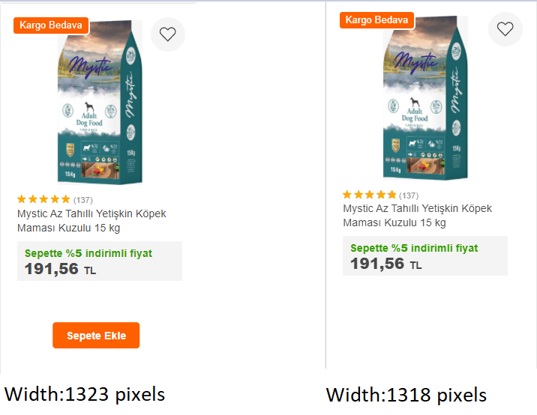

Bug ID: | 333333
Bug Name: | Unnecessary dot character is exist on search-bar at "Siparişlerim" page
Build Number: | Hepsiburada Software Version - XXX
Severity: | Suggestion (Blocker / Critical / Major / Minor / Suggestion)
Priority: | Developer-X or Manager should decided (High / Medium / Low)
Assigned to: | Developer-X
Reported By: | Furkan Birol
Reported Date: | 2021-03-07
Reason: | Defect
Status: | Open (New/ Open / Assigned / Fixed/ Test/ Verified/ Closed/ Reopen/ Duplicate/ Deferred/ Rejected/ cannot be fixed/ Not Reproducible/ Need more information )
Environment: | Chrome Browser
Reproduce Steps: | 1. Go to the below link on a browser page url address bar: https://www.hepsiburada.com 2. Login with user details 3. Click "Siparişlerim" button on the right upper side 4. Check search-bar string
Expected Result: | There should be only required characters in search-bar field
Actual Result: | Unnecessary dot character is exist on search-bar at "Siparişlerim" page. (..) Only one dot character is suffecient
Attachments:

