ChatGPT
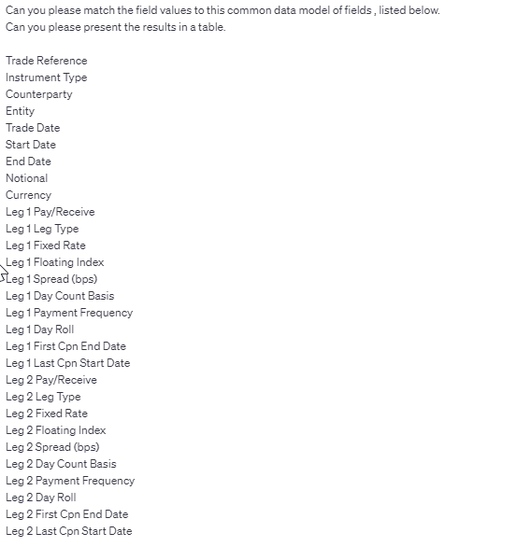
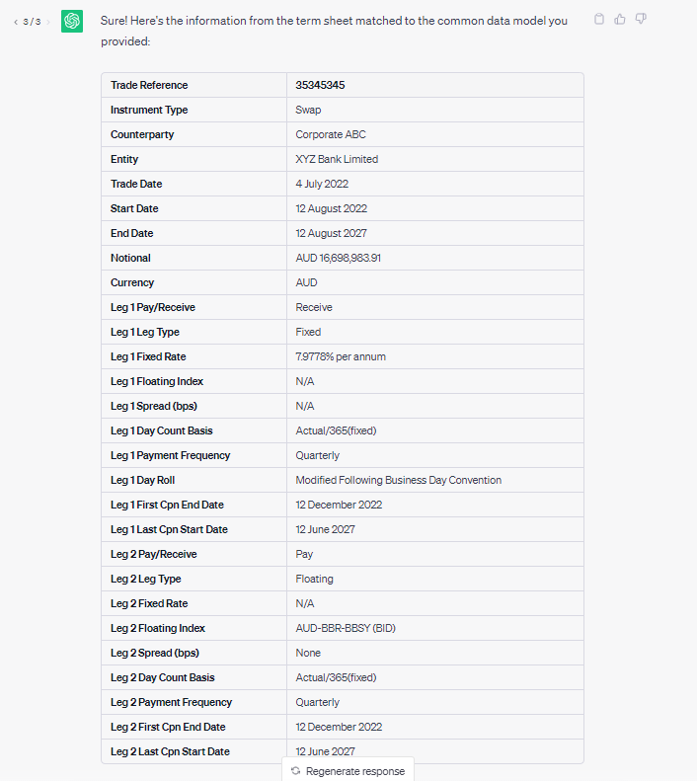
Chat GPT 3.5
Define common data model.
Ask LLM to match to CDM.
Vanilla, term sheet typically 1k words.
Amortising swaps, or term sheets with a bunch of junk will have more words.
The cheapest model, Chat GPT 3.5 with a 4k context (sufficient for our purposes), should be able to match 100 term sheets for 1 USD.
LLMs licence / hosting styles (Chat GPT is a class of AI called an LLM)
- hosted external commercial use allowed (example ChatGPT)
- local external use not allowed, only internal team use (i.e we can run on PwC app on MS Azure, example Vicuña, Llama)
- local external use allowed (example OpenChatKit, GPT4All-13B-snoozy-GPTQ)
https://github.com/eugeneyan/open-llms
https://azure.microsoft.com/en-au/products/cognitive-services/openai-service
To do:
Talk to Brendan on Azure account
Find out about LLM use on Azure
Trade Reference
Instrument Type
Counterparty
Entity
Trade Date
Start Date
End Date
Notional
Currency
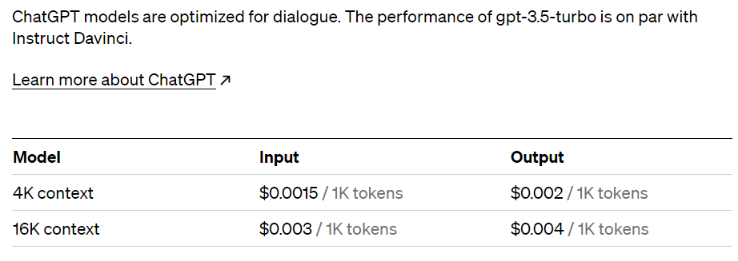
Leg 1 Pay/Receive
Leg 1 Leg Type
Leg 1 Fixed Rate
Leg 1 Floating Index
Leg 1 Spread (bps)
Leg 1 Day Count Basis
Leg 1 Payment Frequency
Leg 1 Day Roll
Leg 1 First Cpn End Date
Leg 1 Last Cpn Start Date
Leg 2 Pay/Receive
Leg 2 Leg Type
Leg 2 Fixed Rate
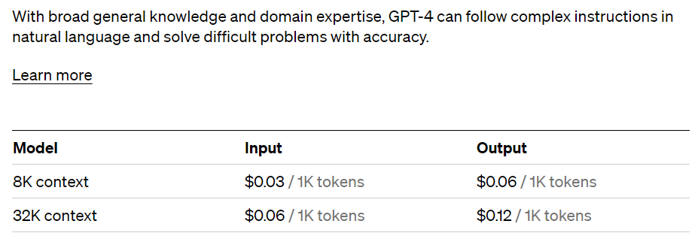
Leg 2 Floating Index
Leg 2 Spread (bps)
Leg 2 Day Count Basis
Leg 2 Payment Frequency
Leg 2 First Cpn End Date
Leg 2 Last Cpn Start Date
 | 0.0015 | 0.003
 | 0.002 | 0.004
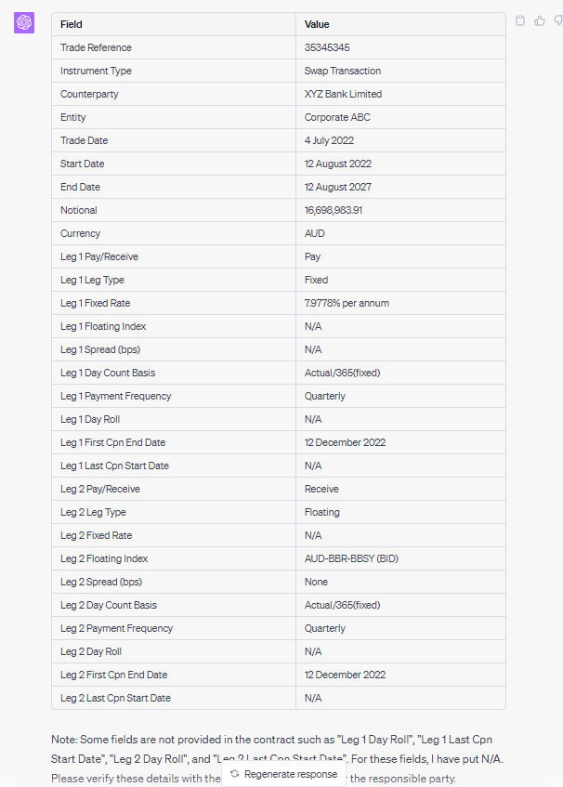
Chat GPT 4
 |  | 0.007

 |  | 142.85714286

Query
Here is text from a interest rate swap term sheet. Can you please match it to the common data model listed below.
"Trade
Reference"
Instrument Type
Counterparty
Entity
Trade Date
Start Date
End Date
Notional
Currency
Leg 1 Pay/Receive
Leg 1 Leg Type
Leg 1 Fixed Rate
Leg 1 Floating Index
Leg 1 Spread (bps)
Leg 1 Day Count Basis
Leg 1 Payment Frequency
Leg 1 Day Roll
Leg 1 First Cpn End Date
Leg 1 Last Cpn Start Date
Leg 2 Pay/Receive
Leg 2 Leg Type
Leg 2 Fixed Rate
Leg 2 Floating Index
Leg 2 Spread (bps)
Leg 2 Day Count Basis
Leg 2 Payment Frequency
Leg 2 First Cpn End Date
Leg 2 Last Cpn Start Date
ACTION REQUIRED: PLEASE SIGN & RETURN
ALL PAGES WITHIN 5 BUSINESS DAYS TO:
EMAIL: Hello@XYZBank.com
Date: 16 August 2022 Our Reference: 35345345
Internal ID: 35345345
CORPORATE ABC
**REVISED**
This Confirmation supersedes and replaces any and all previous Confirmations
sent to you under this Transaction
Dear Sir/Madam
SWAP TRANSACTION
The purpose of this letter (this “Confirmation”) is to confirm the terms and conditions of the
Transaction entered into between us on the Trade Date specified below (the “Transaction”).
This Confirmation constitutes a “Confirmation” as referred to in the ISDA Master Agreement
specified below.
The definitions and provisions contained in the 2021 ISDA Interest Rate Derivatives Definitions
as published by the International Swaps and Derivatives Association, Inc. (“ISDA”) are
incorporated into this Confirmation. In the event of any inconsistency between those
definitions and provisions and this Confirmation, this Confirmation will govern.
This Confirmation supplements, forms a part of, and is subject to, the ISDA Master Agreement
dated as of 30 June 2022, as amended and supplemented from time to time (the “Agreement”),
between Bank XYZ (“Party A”) and Corporate ABC (“Party B”).
All provisions contained in the Agreement govern this
Confirmation except as expressly modified below.
The terms of the particular Transaction to which this Confirmation relates are as follows:
Page 2 of 5 CONFIDENTIAL Our Reference: 35345345
Internal ID: 35345345
Notional Amount : AUD 16,698,983.91
Trade Date : 4 July 2022
Effective Date : 12 August 2022
Termination Date : 12 August 2027, subject to adjustment in accordance with the
Modified Following Business Day Convention
Fixed Amounts:
Fixed Rate Payer : CORPORATE ABC
Fixed Rate Payer
Payment Dates
: Commencing on 12 December 2022, and quarterly thereafter on
the 12th day of December, March, June and September of each
calendar year up to and including the Termination Date, subject
to adjustment in accordance with the Modified Following Business
Day Convention.
Fixed Rate : 7.9778% per annum
Fixed Rate Day Count
Fraction
: Actual/365(fixed)
Floating Amounts:
Floating Rate Payer : XYZ Bank Limited
Floating Rate Payer
Payment Dates
: Commencing on 12 December 2022, and quarterly thereafter on
the 12th day of December, March, June and September of each
calendar year up to and including the Termination Date, subject
to adjustment in accordance with the Modified Following Business
Day Convention.
Floating Rate Option : AUD-BBR-BBSY (BID)
Designated Maturity : 3 month
Spread : None
Floating Rate Day
Count Fraction
: Actual/365(fixed)
Reset Dates : The first day of each Calculation Period
Linear Interpolation : Applicable to the initial and final Calculation Periods.
Business Days : Melbourne, Sydney
Calculation Agent : As per the Agreement.
Account Details:
Payments to XZY Bank Limited
: As per Standard settlement instructions
Page 3 of 5 CONFIDENTIAL Our Reference: 35345345
Internal ID: 35345345
Payments to Corporate ABC
: As per Standard settlement instructions
Offices:
The office of XYZ Bank Limited for the Swap Transaction is
Melbourne
The office of ABC Corporate for the Swap Transaction is SYDNEY
Please confirm that this Confirmation correctly sets out the terms of the Swap Transaction by
executing a copy of this Confirmation and returning all pages to us at hello@XYZBank.com, Attention
OTC Derivative Confirmations.
Yours sincerely,
For and on behalf of
XYZ Bank Limited

