连接信息
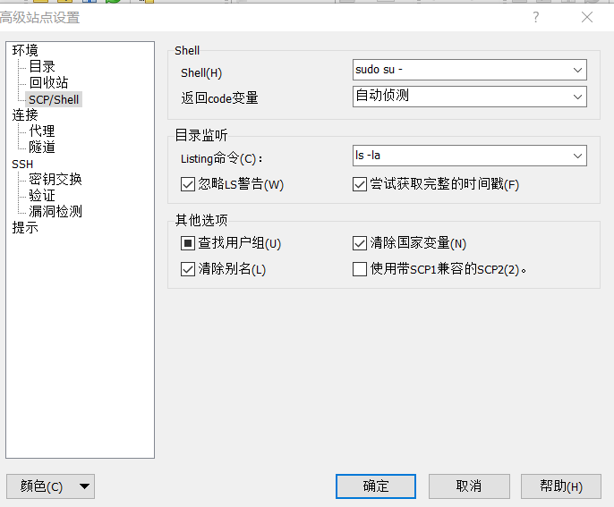
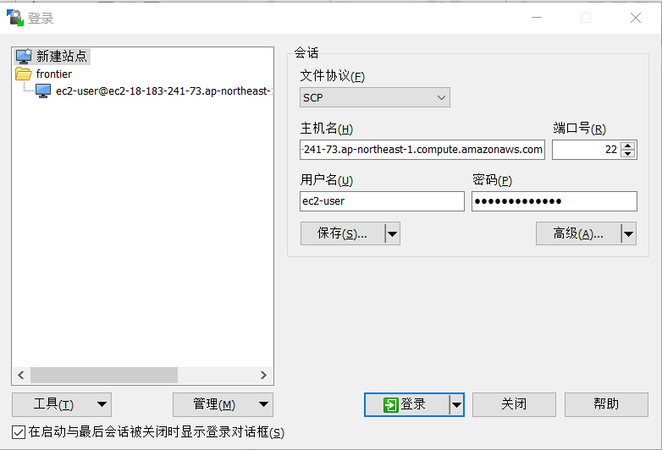
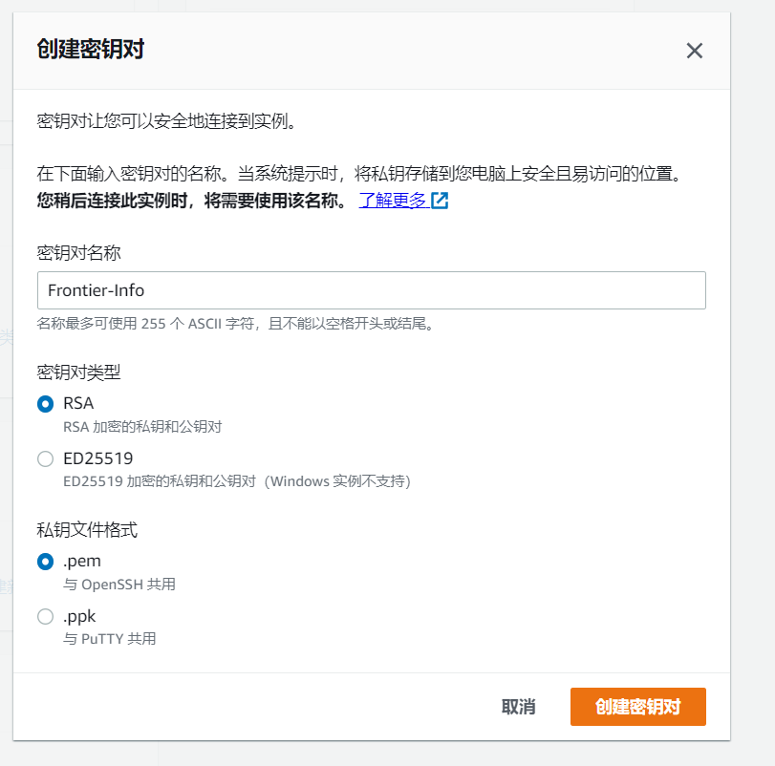

Win10环境命令行连接:
ssh -i C:\songsong\Frontier-info\xiangqin\99.Other\Frontier-Info.pem ec2-user@ec2-18-183-241-73.ap-northeast-1.compute.amazonaws.com

 | 密钥文件在同目录下

 | User: | ec2-user

 | 切换root用户:
 | User: | root
 |  | frontier-1234

WinSCP连接:

 | 主机名: |  | ec2-18-183-241-73.ap-northeast-1.compute.amazonaws.com

 | User: |  | ec2-user
 | Password: |  | frontier-1234

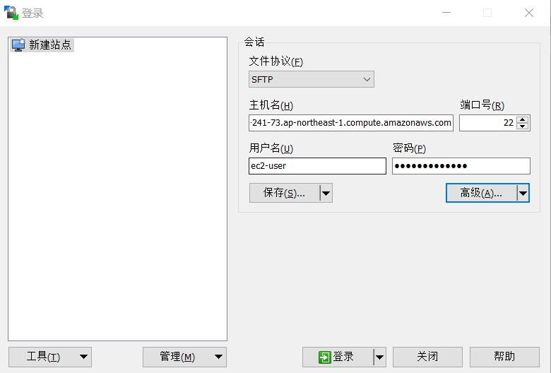

 | root用户登录:

