连接信息
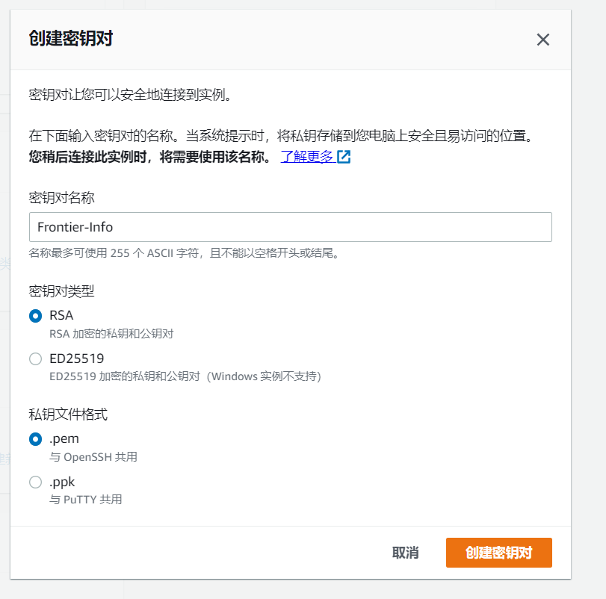

ssh -i C:\songsong\Frontier-info\xiangqin\99.Other\Frontier-Info.pem ec2-user@ec2-18-183-241-73.ap-northeast-1.compute.amazonaws.com

密钥文件在同目录下

User: | ec2-user

User: | root
 | frontier-1234

