Sheet1
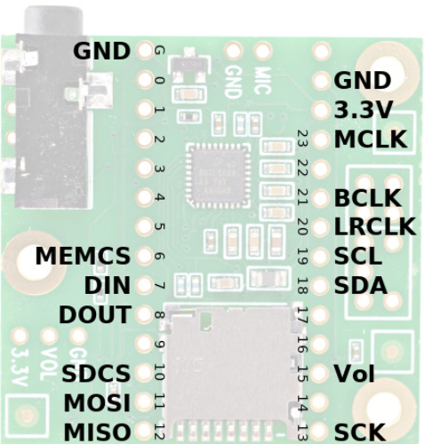
Audio Shield | Rev D, D2 |  | Required For | Function
Signal | (Teensy 4.x)
MCLK | 23 |  | Audio | Audio Master Clock, 11.29 MHz
 | (MCLK1)
BCLK | 21 |  | Audio | Audio Bit Clock, 1.41 or 2.82 MHz
 | (BCLK1)
LRCLK | 20 |  | Audio | Audio Left/Right Clock, 44.1 kHz
 | (LRCLK1)
DIN | 7 |  | Audio Output | Audio Data from Teensy to Audio Shield
 | (OUT1A) |  |  | Goes to both headphone jack and Line-Out pins
DOUT | 8 |  | Audio Input | Audio Data from Audio Shield to Teensy
 | (IN1) |  |  | Comes from either Microphone or Line-In pins
SCL | 19 |  | Audio Config | Control Clock (I2C)
SDA | 18 |  | Audio Config | Control Data (I2C)
SCK | 13 |  | Optional Data | Data Storage (SPI) Clock
 |  |  | SD or MEM
MISO | 12 |  | Optional Data | Data Storage (SPI) from SD/MEM to Teensy
 |  |  | SD or MEM
MOSI | 11 |  | Optional Data | Data Storage (SPI) from Teensy to SD/MEM
 |  |  | SD or MEM
SDCS | 10 |  | Optional Data | Chip Select (SPI) for SD Card
 |  |  | SD Card
MEMCS | 6 |  | Optional Data | Chip Select (SPI) for Memory Chip
 |  |  | MEM Chip
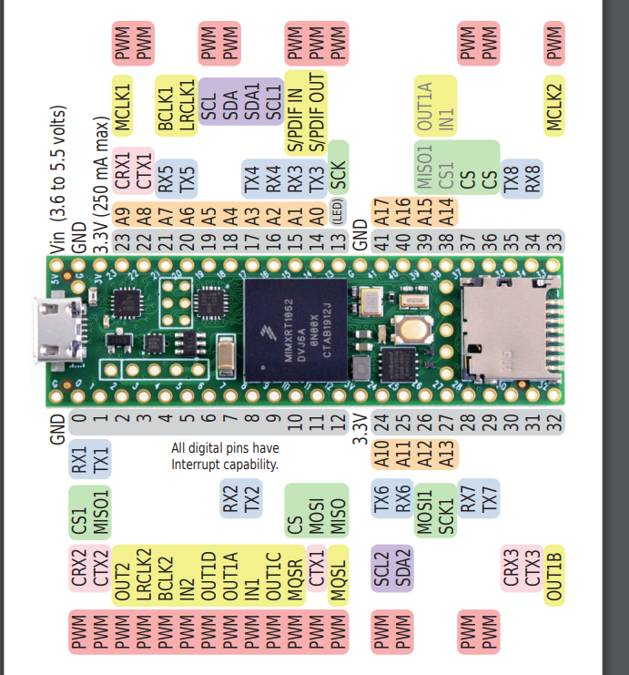
Vol | 15 / A1 |  | Optional Knob | Volume Thumbwheel (analog signal)

 | Teensy | Notes |  |  | 62 |  |  |  |  | GND | Vin |  |  |  |  | 62
VCC | VIN | Power: 3.6 to 5.5 volts |  |  | 61 |  |  |  |  | 0 |  | GND |  |  |  |  | 61
GND | GND |  |  |  | 60 |  |  |  |  | 1 | 3.3V |  |  |  |  | 60
CS | 10 | Alternate Pins: 9, 15, 20, 21 |  |  | 59 |  |  |  |  | 2 | 23 | A9 | I2S MCLK1 |  |  | 59
RESET | +3.3V |  |  |  | 58 |  |  |  |  | 3 | 22 | A8 |  |  |  | 58
D/C | 9 | Alternate Pins: 10, 15, 20, 21 |  |  | 57 |  |  |  |  | 4 | 21 | A7 | I2S BCLK1 |  |  | 57
SDI (MOSI) | 11 (DOUT) |  |  |  | 56 |  |  |  |  | 5 | 20 | A6 | I2S LRCLK1 |  |  | 56
SCK | 13 (SCK) |  |  |  | 55 |  |  | MEMCS |  | 6 | 19 | A5 | SCL |  |  | 55
LED | VIN | Use 100 ohm resistor |  |  | 54 |  |  | DIN |  | 7 | 18 | A4 | SDA |  |  | 54
SDO (MISO) | 12 (DIN) |  |  |  | 53 |  |  | DOUT |  | 8 | 17 | A3 |  |  |  | 53
T_CLK | 13 (SCK) |  |  |  | 52 |  | D/C |  |  | 9 | 16 | A2 |  |  |  | 52
T_CS | 8 | Alternate: any digital pin |  |  | 51 |  |  | SDCS |  | 10 | 15 | A1 | *has extra resistors and/or capacitors for smoothing out analog input |  |  | 51
T_DIN | 11 (DOUT) |  |  |  | 50 |  |  | SD MOSI |  | 11 | 14 | A0 |  |  |  | 50
T_DO | 12 (DIN) |  |  |  | 49 |  |  | MISO |  | 12 | 13 | LED | SCK |  |  | 49
T_IRQ | 2 | Optional: can use any digital pin |  |  | 48 |  |  |  |  | 3.3V | GND |  |  |  |  | 48
 |  |  |  |  | 47 |  |  | Volume | A10 | 24 | 41 | A17 | TFT_RST |  |  | 47
Notes on available pins using the audio shield: |  |  |  |  | 46 |  | encoder_2 |  | A11 | 25 | 40 | A16 | TOUCH_CS |  |  | 46
https://forum.pjrc.com/index.php?threads/available-teensy-4-0-pins-when-audio-shield-d-attached.58331/ |  |  |  |  | 45 |  | MOSI, T_DIN |  | A12 | 26 | 39 | A15 | MISO,T_DO |  |  | 45
 |  |  |  |  | 44 |  | TFT_SCLK |  | A13 | 27 | 38 | A14 | button_2 |  |  | 44
 |  |  |  |  | 43 | D/C | encoder_3 |  |  | 28 | 37 |  | button_1 |  |  | 43
 |  |  |  |  | 42 | TFT_RST | encoder_1 |  |  | 29 | 36 |  | TFT_CS |  |  | 42
 |  |  |  |  | 41 | TOUCH_CS | encoder_1 |  |  | 30 | 35 |  | T_IRQ |  |  | 41
 |  |  |  |  | 40 |  | encoder_2 |  |  | 31 | 34 |  | button_3 |  |  | 40
 |  |  |  |  | 39 |  | encoder_3 |  |  | 32 | 33 |  |  |  |  | 39
 |  |  |  |  |  |  |  |  |  |  |  |  |  | I/O pins | 42
 |  |  |  |  |  |  |  |  |  |  |  |  |  | Audio required | 13
 |  |  |  |  |  |  |  |  |  |  |  |  |  | ILI9488 required | 8
 |  |  |  |  |  |  |  |  |  |  |  |  |  | Overlap | -3
 |  |  |  |  |  |  |  |  |  |  |  |  |  | Encoders | 6
 |  |  |  |  |  |  |  |  |  |  |  |  |  | Encoder buttons | 3

 |  |  |  |  |  |  |  |  |  |  |  |  |  | Remaining | 15

 |  |  |  |  | 39 |  | encoder_3 |  |  | 32 | 33 |  |  |  |  | 39
 |  |  |  |  | 40 |  | encoder_2 |  |  | 31 | 34 |  | button_3 |  |  | 40
 |  |  |  |  | 41 | TOUCH_CS | encoder_1 |  |  | 30 | 35 |  | T_IRQ |  |  | 41
 |  |  |  |  | 42 | TFT_RST | encoder_1 |  |  | 29 | 36 |  | TFT_CS |  |  | 42
 |  |  |  |  | 43 | D/C | encoder_3 |  |  | 28 | 37 |  | button_1 |  |  | 43
 |  |  |  |  | 44 |  | TFT_SCLK |  | A13 | 27 | 38 | A14 | button_2 |  |  | 44
 |  |  |  |  | 45 |  | MOSI, T_DIN |  | A12 | 26 | 39 | A15 | MISO,T_DO |  |  | 45
 |  |  |  |  | 46 |  | encoder_2 |  | A11 | 25 | 40 | A16 | TOUCH_CS |  |  | 46
 |  |  |  |  | 47 |  |  | Volume | A10 | 24 | 41 | A17 | TFT_RST |  |  | 47
 |  |  |  |  | 48 |  |  |  |  | 3.3V | GND |  |  |  |  | 48
 |  |  |  |  | 49 |  |  | MISO |  | 12 | 13 | LED | SCK |  |  | 49
 |  |  |  |  | 50 |  |  | SD MOSI |  | 11 | 14 | A0 |  |  |  | 50
 |  |  |  |  | 51 |  |  | SDCS |  | 10 | 15 | A1 | *has extra resistors and/or capacitors for smoothing out analog input |  |  | 51
 |  |  |  |  | 52 |  | D/C |  |  | 9 | 16 | A2 |  |  |  | 52
 |  |  |  |  | 53 |  |  | DOUT |  | 8 | 17 | A3 |  |  |  | 53
 |  |  |  |  | 54 |  |  | DIN |  | 7 | 18 | A4 | SDA |  |  | 54
 |  |  |  |  | 55 |  |  | MEMCS |  | 6 | 19 | A5 | SCL |  |  | 55
 |  |  |  |  | 56 |  |  |  |  | 5 | 20 | A6 | I2S LRCLK1 |  |  | 56
 |  |  |  |  | 57 |  |  |  |  | 4 | 21 | A7 | I2S BCLK1 |  |  | 57
 |  |  |  |  | 58 |  |  |  |  | 3 | 22 | A8 |  |  |  | 58
 |  |  |  |  | 59 |  |  |  |  | 2 | 23 | A9 | I2S MCLK1 |  |  | 59
 |  |  |  |  | 60 |  |  |  |  | 1 | 3.3V |  |  |  |  | 60
 |  |  |  |  | 61 |  |  |  |  | 0 |  | GND |  |  |  | 61
 |  |  |  |  | 62 |  |  |  |  | GND | Vin |  |  |  |  | 62

 |  |  |  |  | encoder_3 |  |  | encoder_3 |  | 33 | 32 |  | TFT_CS
 |  |  |  |  | encoder_2 |  |  | encoder_3 |  | 34 | 31 |  | TFT_RST
 |  |  |  |  | encoder_2 | button_3 |  | encoder_2 |  | 35 | 30 |  | D/C
 |  |  |  |  | encoder_1 | button_1 |  | encoder_2 |  | 36 | 29 |  | encoder_3_btn
 |  |  |  |  | encoder_1 | button_2 |  | encoder_1 |  | 37 | 28 |  | encoder_2_btn
 |  |  |  |  |  |  |  | encoder_1 | A14 | 38 | 27 | A13 | TFT_SCLK
 |  |  |  |  |  |  |  | MISO,T_DO | A15 | 39 | 26 | A12 | MOSI, T_DIN
 |  |  |  |  |  |  |  | TOUCH_CS | A16 | 40 | 25 | A11 | encoder_1_btn
 |  |  |  |  |  |  |  | T_IRQ | A17 | 41 | 24 | A10 | SW3
 |  |  |  |  |  |  |  |  |  | GND | 3.3V
 |  |  |  |  |  |  |  | SCK | LED | 13 | 12 |  | MISO
 |  |  |  |  |  |  |  | LED_DATA | A0 | 14 | 11 |  | SD MOSI
 |  |  |  |  |  |  | Volume | *has extra resistors and/or capacitors for smoothing out analog input | A1 | 15 | 10 |  | SDCS
 |  |  |  |  |  |  | POT |  | A2 | 16 | 9 |  | SW2
 |  |  |  |  |  |  | EXP |  | A3 | 17 | 8 |  | DOUT
 |  |  |  |  |  |  |  | SDA | A4 | 18 | 7 |  | DIN
 |  |  |  |  |  |  |  | SCL | A5 | 19 | 6 |  | MEMCS
 |  |  |  |  |  |  |  | I2S LRCLK1 | A6 | 20 | 5 |  | SW1
 |  |  |  |  |  |  |  | I2S BCLK1 | A7 | 21 | 4 |  | BTN_MTX_C
 |  |  |  |  |  |  | LED_CS |  | A8 | 22 | 3 |  | BTN_MTX_B
 |  |  |  |  |  |  |  | I2S MCLK1 | A9 | 23 | 2 |  | BTN_MTX_A
 |  |  |  |  |  |  |  |  |  | 3.3V | 1 |  | MISO1
 |  |  |  |  |  |  |  |  |  | GND | 0 |  | BTN_MTX_GS
 |  |  |  |  |  |  |  |  |  | Vin | GND

 |  |  |  |  |  |  |  | TFT_CS |  | 33 | 32 |  | encoder_3
 |  |  |  |  |  |  |  | TFT_RST |  | 34 | 31 |  | encoder_3
 |  |  |  |  |  |  |  | D/C |  | 35 | 30 |  | encoder_3_btn
 |  |  |  |  |  |  |  | TOUCH_CS |  | 36 | 29 |  | encoder_2
 |  |  |  |  |  |  |  | T_IRQ |  | 37 | 28 |  | encoder_2
 |  |  |  |  |  |  |  | BACKLIGHT_PWM | A14 | 38 | 27 | A13 | TFT_SCLK
 |  |  |  |  |  |  |  | MISO,T_DO | A15 | 39 | 26 | A12 | MOSI, T_DIN
 |  |  |  |  |  |  |  | BTN_MTX_B | A16 | 40 | 25 | A11 | encoder_2_btn
 |  |  |  |  |  | q |  | BTN_MTX_A | A17 | 41 | 24 | A10 | BTN_MTX_C
 |  |  |  |  |  |  |  |  |  | GND | 3.3V
 |  |  |  |  |  |  |  | SCK | LED | 13 | 12 |  | MISO
 |  |  |  |  |  |  |  | LED_DATA | A0 | 14 | 11 |  | SD MOSI
 |  |  |  |  |  | *has extra resistors and/or capacitors for smoothing out analog input |  | POT | A1 | 15 | 10 |  | SDCS
 |  |  |  |  |  |  |  | Volume | A2 | 16 | 9 |  | BTN_MTX_GS
 |  |  |  |  |  |  |  | EXP | A3 | 17 | 8 |  | DOUT
 |  |  |  |  |  |  |  | SDA | A4 | 18 | 7 |  | DIN
 |  |  |  |  |  |  |  | SCL | A5 | 19 | 6 |  | MEMCS
 |  |  |  |  |  |  |  | I2S LRCLK1 | A6 | 20 | 5 |  | encoder_1
 |  |  |  |  |  |  |  | I2S BCLK1 | A7 | 21 | 4 |  | encoder_1
 |  |  |  |  |  |  |  | LED_STR | A8 | 22 | 3 |  | encoder_1_btn
 |  |  |  |  |  |  |  | I2S MCLK1 | A9 | 23 | 2 |  | LED_PWM
 |  |  |  |  |  |  |  |  |  | 3.3V | 1 |  | NC(MISO1)
 |  |  |  |  |  |  |  |  |  | GND | 0 |  | SW1
 |  |  |  |  |  |  |  |  |  | Vin | GND

 |  |  |  |  |  | Kijelző |  | TFT_CS |  | 33 | 32 |  | ENC_3_R
 |  |  |  |  |  | Audio board |  | TFT_RST |  | 34 | 31 |  | ENC_3_L
 |  |  |  |  |  | HCT595 |  | D/C |  | 35 | 30 |  | ENC_3_BTN
 |  |  |  |  |  | HC148 |  | TOUCH_CS |  | 36 | 29 |  | ENC_2
 |  |  |  |  |  | Perifériák |  | BACKLIGHT |  | 37 | 28 |  | ENC_2
 |  |  |  |  |  |  |  | TOUCH_IRQ | A14 | 38 | 27 | A13 | TFT_SCLK
 |  |  |  |  |  |  |  | MISO,T_DO | A15 | 39 | 26 | A12 | MOSI, T_DIN
 |  |  |  |  |  |  |  | BTN_MTX_B | A16 | 40 | 25 | A11 | ENC_2_BTN
 |  |  |  |  |  |  |  | BTN_MTX_A | A17 | 41 | 24 | A10 | BTN_MTX_C
 |  |  |  |  |  |  |  |  |  | GND | 3.3V
 |  |  |  |  |  |  |  | SCK | LED | 13 | 12 |  | MISO
 |  |  |  |  |  |  |  | LED_DATA | A0 | 14 | 11 |  | SD MOSI
 |  |  |  |  |  |  |  | MIX | A1 | 15 | 10 |  | SDCS
 |  |  |  |  |  |  |  | VOLUME | A2 | 16 | 9 |  | BTN_MTX_GS
 |  |  |  |  |  |  |  | EXP | A3 | 17 | 8 |  | DOUT
 |  |  |  |  |  |  |  | SDA | A4 | 18 | 7 |  | DIN
 |  |  |  |  |  |  |  | SCL | A5 | 19 | 6 |  | MEMCS
 |  |  |  |  |  |  |  | I2S LRCLK1 | A6 | 20 | 5 |  | ENC_1
 |  |  |  |  |  |  |  | I2S BCLK1 | A7 | 21 | 4 |  | ENC_1
 |  |  |  |  |  |  |  | LED_STR | A8 | 22 | 3 |  | ENC_1_BTN
 |  |  |  |  |  |  |  | I2S MCLK1 | A9 | 23 | 2 |  | LED_PWM
 |  |  |  |  |  |  |  |  |  | 3.3V | 1 |  | MISO1 (ALT)
 |  |  |  |  |  |  |  |  |  | GND | 0 |  | SW_BYPASS
 |  |  |  |  |  |  |  |  |  | Vin | GND

