Sheet1
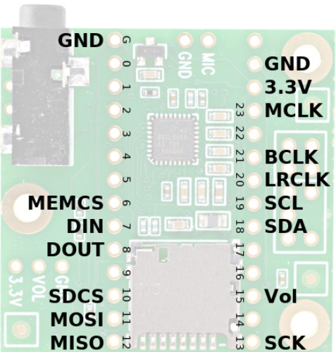
Audio Shield | Rev D, D2 |  | Required For | Function
Signal | (Teensy 4.x)
MCLK | 23 |  | Audio | Audio Master Clock, 11.29 MHz
 | (MCLK1)
BCLK | 21 |  | Audio | Audio Bit Clock, 1.41 or 2.82 MHz
 | (BCLK1)
LRCLK | 20 |  | Audio | Audio Left/Right Clock, 44.1 kHz
 | (LRCLK1)
DIN | 7 |  | Audio Output | Audio Data from Teensy to Audio Shield
 | (OUT1A) |  |  | Goes to both headphone jack and Line-Out pins
DOUT | 8 |  | Audio Input | Audio Data from Audio Shield to Teensy
 | (IN1) |  |  | Comes from either Microphone or Line-In pins
SCL | 19 |  | Audio Config | Control Clock (I2C)
SDA | 18 |  | Audio Config | Control Data (I2C)
SCK | 13 |  | Optional Data | Data Storage (SPI) Clock
 |  |  | SD or MEM
MISO | 12 |  | Optional Data | Data Storage (SPI) from SD/MEM to Teensy
 |  |  | SD or MEM
MOSI | 11 |  | Optional Data | Data Storage (SPI) from Teensy to SD/MEM
 |  |  | SD or MEM
SDCS | 10 |  | Optional Data | Chip Select (SPI) for SD Card
 |  |  | SD Card
MEMCS | 6 |  | Optional Data | Chip Select (SPI) for Memory Chip
 |  |  | MEM Chip
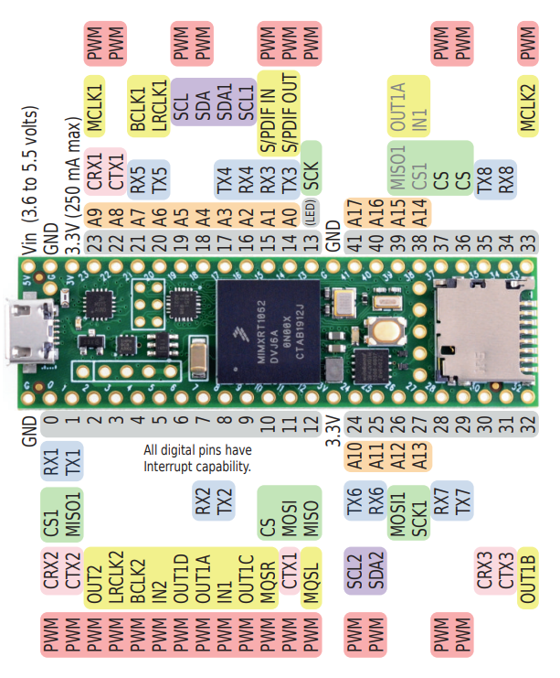
Vol | 15 / A1 |  | Optional Knob | Volume Thumbwheel (analog signal)

 | Teensy | Notes |  |  | 62 |  |  | GND | Vin |  |  | 62
VCC | VIN | Power: 3.6 to 5.5 volts |  |  | 61 | SW3 |  | 0 | GND |  |  |  | 61
GND | GND |  |  |  | 60 | NC (MISO1) |  | 1 | 3.3V |  |  | 60
CS | 10 | Alternate Pins: 9, 15, 20, 21 |  |  | 59 | SW2 |  | 2 | 23 | A9 | I2S MCLK1 | 59
RESET | +3.3V |  |  |  | 58 | SW1 |  | 3 | 22 | A8 | EXP | 58
D/C | 9 | Alternate Pins: 10, 15, 20, 21 |  |  | 57 | LED_CLK |  | 4 | 21 | A7 | I2S BCLK1 | 57
SDI (MOSI) | 11 (DOUT) |  |  |  | 56 | LED_DATA |  | 5 | 20 | A6 | I2S LRCLK1 | 56
SCK | 13 (SCK) |  |  |  | 55 | MEMCS |  | 6 | 19 | A5 | SCL | 55
LED | VIN | Use 100 ohm resistor |  |  | 54 | DIN |  | 7 | 18 | A4 | SDA | 54
SDO (MISO) | 12 (DIN) |  |  |  | 53 | DOUT |  | 8 | 17 | A3 | POT | 53
T_CLK | 13 (SCK) |  |  |  | 52 | TFT_CS |  | 9 | 16 | A2 | BTN_MTX_C | 52
T_CS | 8 | Alternate: any digital pin |  |  | 51 | SDCS |  | 10 | 15 | A1 | BTN_MTX_B | 51
T_DIN | 11 (DOUT) |  |  |  | 50 | SD MOSI |  | 11 | 14 | A0 | BTN_MTX_A | 50
T_DO | 12 (DIN) |  |  |  | 49 | MISO |  | 12 | 13 | LED | SCK | 49
T_IRQ | 2 | Optional: can use any digital pin |  |  | 48 |  |  | 3.3V | GND |  |  | 48
 |  |  |  |  | 47 | TFT_RST | A10 | 24 | 41 | A17 | BTN_MTX_GS | 47
Notes on available pins using the audio shield: |  |  |  |  | 46 | D/C | A11 | 25 | 40 | A16 | HP_VOLUME | 46
https://forum.pjrc.com/index.php?threads/available-teensy-4-0-pins-when-audio-shield-d-attached.58331/ |  |  |  |  | 45 | MOSI, T_DIN | A12 | 26 | 39 | A15 | MISO,T_DO | 45
 |  |  |  |  | 44 | TFT_SCLK | A13 | 27 | 38 | A14 | encoder_3 | 44
 |  |  |  |  | 43 | TOUCH_CS |  | 28 | 37 |  | encoder_3 | 43
 |  |  |  |  | 42 | T_IRQ |  | 29 | 36 |  | encoder_3_btn | 42
 |  |  |  |  | 41 | encoder_1 |  | 30 | 35 |  | encoder_2 | 41
I/O pins | 42 |  |  |  | 40 | encoder_1 |  | 31 | 34 |  | encoder_2 | 40
Audio required | 13 |  |  |  | 39 | encoder_1_btn |  | 32 | 33 |  | encoder_2_btn | 39
ILI9488 required | 8
Overlap | -3
Encoders | 6
Encoder buttons | 3

Remaining | 15 |  |  |  | 62 |  |  | GND | Vin |  |  | 62
 |  |  |  |  | 61 | SW3 |  | 0 | GND
 |  |  |  |  | 60 | NC (MISO1) |  | 1 | 3.3V |  |  | 60
 |  |  |  |  | 59 | SW2 |  | 2 | 23 | A9 | I2S MCLK1 | 59
 |  |  |  |  | 58 | SW1 |  | 3 | 22 | A8 | EXP | 58
 |  |  |  |  | 57 | LED_CLK |  | 4 | 21 | A7 | I2S BCLK1 | 57
 |  |  |  |  | 56 | LED_DATA |  | 5 | 20 | A6 | I2S LRCLK1 | 56
 |  |  |  |  | 55 | MEMCS |  | 6 | 19 | A5 | SCL | 55
 |  |  |  |  | 54 | DIN |  | 7 | 18 | A4 | SDA | 54
 |  |  |  |  | 53 | DOUT |  | 8 | 17 | A3 | HP_VOLUME | 53
 |  |  |  |  | 52 | encoder_2_btn |  | 9 | 16 | A2 | NC (POT2) | 52
 |  |  |  |  | 51 | SDCS |  | 10 | 15 | A1 | POT | 51
 |  |  |  |  | 50 | SD MOSI |  | 11 | 14 | A0 | T_IRQ | 50
 |  |  |  |  | 49 | MISO |  | 12 | 13 | LED | SCK | 49
 |  |  |  |  | 48 | encoder_2 |  | 3.3V | GND |  |  | 48
 |  |  |  |  | 47 | encoder_2 | A10 | 24 | 41 | A17 | TOUCH_CS | 47
 |  |  |  |  | 46 | encoder_3_btn | A11 | 25 | 40 | A16 | D/C | 46
 |  |  |  |  | 45 | MOSI, T_DIN | A12 | 26 | 39 | A15 | MISO,T_DO | 45
 |  |  |  |  | 44 | TFT_SCLK | A13 | 27 | 38 | A14 | TFT_RST | 44
 |  |  |  |  | 43 | encoder_3 |  | 28 | 37 |  | TFT_CS | 43
 |  |  |  |  | 42 | encoder_3 |  | 29 | 36 |  | BTN_MTX_GS | 42
 |  |  |  |  | 41 | encoder_1 |  | 30 | 35 |  | BTN_MTX_C | 41
 |  |  |  |  | 40 | encoder_1 |  | 31 | 34 |  | BTN_MTX_B | 40
 |  |  |  |  | 39 | encoder_1_btn |  | 32 | 33 |  | BTN_MTX_A | 39

