---READ ME---
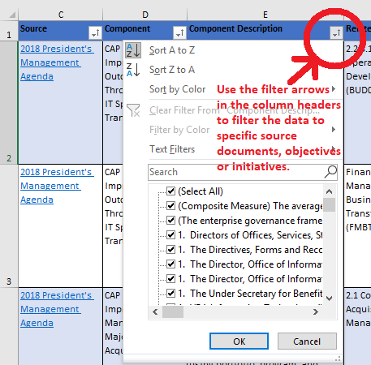
Warning: 1382 pages as of last count! Filter before you print!
Click the Integrated Value Model tab below to view the report. Please send us any questions or revisions. Let us know if you’d like the IVM team to adapt the data into talking points for your outreach and collaboration efforts. -- Basil White, Enterprise Integration (008)
basil.white@va.gov
News articles, 3-D graphic representations and demo videos
Release Notes: Last updated 4/22/2021 - New Biden Executive Orders and Presidential Memoranda - New mappings to Biden-Harris Immediate Priorities, new SecVA Priorities and Biden Plan for Veterans

