Issues & Bug Reports
GGG (Good Game Guild) — QA Defect & Issue Inspection Report
Granular Defect Cards: Severity Badge Aligned, Exact Steps, Root Cause Analysis, and Visual Screenshots

 | ISSUE-001: Referee wallet address validation error is detached from the input field |  | MEDIUM SEVERITY
 | Category / Module | Tournament Creation / Form Validation | 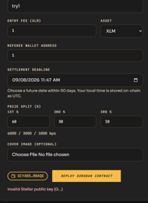
 | Severity Level | Medium
 | Original Field Report | Error message for input field validation in referee wallet address is not quite showing or can be seen immediately by the user completely. It should specify the input field (referee wallet address).
 | Steps to Reproduce | 1. Navigate to Create Tournament page (/tournaments/new). 2. In the 'Referee Wallet Address' field, enter an invalid string (e.g. '1'). 3. Click 'Deploy Soroban Contract' or trigger field validation.
 | Expected Behavior | Validation error 'Invalid Stellar public key (G...)' must appear directly beneath the Referee Wallet Address field with focused red border highlighting.
 | Actual Behavior & Error | Error message 'Invalid Stellar public key (G...)' renders detached at the very bottom of the page beneath buttons, leaving the user unaware of which field failed.
 | Root Cause Analysis | Form validation state accumulates errors in a global container at the form footer instead of linking an inline `<FormErrorMessage>` to the referee input component.
 | Engineering Remediation | Anchor `<FormErrorMessage>` directly under the referee input with `aria-invalid` and field-level red border styling. | Evidence Screenshot: 'Invalid Stellar public key (G...)' rendered detached at the bottom beneath Deploy button.

 | ISSUE-002: Stale form accessible after logout; Deploy triggers unexpected token 'M' (502 / 405 Method Not Allowed) |  | HIGH SEVERITY
 | Category / Module | Authentication & Session State Management | 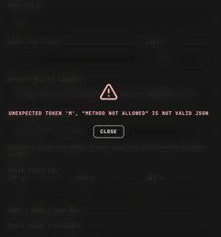
 | Severity Level | High
 | Original Field Report | I tried to logout the account then clicked back button of the browser, the Create tournament form still shows (should have shown a “Need to Login” message). Still tried to fill the Create tournament form, after I complete the input details, when I click the Deploy Soroban Contract button, it shows unexpected token “M” error instead of “Need to Login” like message.
 | Steps to Reproduce | 1. Login with organizer account and navigate to Create Tournament form. 2. Logout from account. 3. Click browser 'Back' button to return to the cached form. 4. Complete input fields and click 'Deploy Soroban Contract'.
 | Expected Behavior | Accessing form unauthenticated should immediately redirect to login or display 'Authentication Required' modal. Deploy API must return structured JSON 401.
 | Actual Behavior & Error | Form remains accessible via browser bfcache. Submitting invokes unauthenticated API which returns HTML/Plaintext 'METHOD NOT ALLOWED', crashing with: Unexpected token 'M', "METHOD NOT ALLOWED" is not valid JSON.
 | Root Cause Analysis | 1. Missing `Cache-Control: no-store` headers on authenticated routes. 2. Frontend unconditionally calls `res.json()` on non-200 responses without checking `res.ok`.
 | Engineering Remediation | 1. Add Next.js middleware auth verification and disable bfcache on sensitive forms. 2. Safely parse API responses with check for HTTP 401/405 and display friendly modal. | Evidence Screenshot: Modal crash displaying unhandled JSON parse error: Unexpected token 'M', "METHOD NOT ALLOWED" is not valid JSON.

 | ISSUE-003: Connect Wallet button disappears after connection, preventing account switching without browser reload |  | MEDIUM SEVERITY
 | Category / Module | Wallet Integration & UX State
 | Severity Level | Medium
 | Original Field Report | After connecting a wallet, the connect wallet button should still be available so that the user can still change wallet address without refreshing the browser.
 | Steps to Reproduce | 1. Navigate to GGG web application. 2. Click 'Connect Wallet' and authorize Freighter. 3. Observe wallet action button in header and form. 4. Attempt to change or switch to a different test account (e.g. Organizer to Player/Referee).
 | Expected Behavior | The connected wallet badge should remain interactive, providing a dropdown to 'Switch Account', 'Change Wallet', or 'Disconnect' seamlessly.
 | Actual Behavior & Error | Connect Wallet button is replaced by a static address or stuck in 'Connecting...' / disabled state, forcing users to hard-refresh (F5) to switch addresses.
 | Root Cause Analysis | Conditional rendering replaces `<ConnectWalletButton />` with a non-interactive element without Stellar Wallets Kit account management controls.
 | Engineering Remediation | Integrate Stellar Wallets Kit modal / dropdown menu showing active address, network indicator, switch wallet, and disconnect options. | Evidence Screenshot: Form action area replaced with non-interactive 'Connecting...' / static state without account switcher.

 | ISSUE-004: Browser reload or navigation immediately wipes all tournament form inputs |  | MEDIUM SEVERITY
 | Category / Module | Form Persistence & State Resilience | 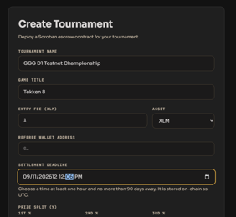
 | Severity Level | Medium
 | Original Field Report | 4. Refreshing the browser clears the user inputs, the user inputs should remain even the browser reloads.
 | Steps to Reproduce | 1. On Create Tournament form, enter Title, Game, Entry Fee, Referee Wallet, Settlement Deadline, and Prize Splits. 2. Accidentally or intentionally refresh the browser (F5) or navigate back/forward.
 | Expected Behavior | Form inputs should be preserved across browser reloads from local storage draft, preventing loss of tournament configuration.
 | Actual Behavior & Error | Page reload wipes all user inputs immediately back to blank/defaults, requiring full re-entry.
 | Root Cause Analysis | Form state is managed exclusively in transient React component state (`useState`) without debounced `localStorage` persistence.
 | Engineering Remediation | Implement `useLocalStorage` persistence hook for tournament drafts (`ggg_tournament_draft`) with automatic recovery and a 'Clear Draft' option. | Evidence Screenshot: Complex multi-field tournament form that loses all data on page refresh.

 | ISSUE-005: Duplicate participation by organizer/referee crashes with 'Submit failed: 502' instead of friendly error |  | HIGH SEVERITY
 | Category / Module | Tournament Participation & Error Handling | 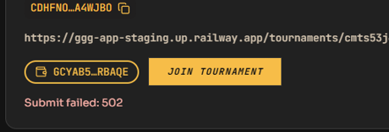
 | Severity Level | High
 | Original Field Report | 5.Organizer and referee can participate once, I tried to submit for 2nd entry for both organier and referee and the error message shown is “Submit failed: 502” instead of specific error such as “You are already a participant”.
 | Steps to Reproduce | 1. Connect wallet for an Organizer or Referee address that has already joined the tournament. 2. Click 'Join Tournament' to attempt a second entry. 3. Observe system response.
 | Expected Behavior | System detects existing registration and displays a clear inline message: 'You are already registered as a participant in this tournament'.
 | Actual Behavior & Error | Upstream gateway crashes, returning an unhandled HTTP 502 Bad Gateway toast: 'Submit failed: 502'.
 | Root Cause Analysis | 1. Next.js API route does not check participant list prior to submitting transaction. 2. Upstream node rejection triggers uncaught 502 gateway exception instead of handling Soroban contract invariant.
 | Engineering Remediation | 1. Disable 'Join Tournament' button if the connected wallet address is already in the participants list. 2. Catch Soroban execution errors and return friendly HTTP 400 with user-facing guidance. | Evidence Screenshot: Raw 'Submit failed: 502' error displayed on UI upon 2nd participation submission.

 | ISSUE-006: Unclear timestamp timezone indicator in Participants list (UTC vs Local Time) |  | LOW SEVERITY
 | Category / Module | Localization & Timezone Standards
 | Severity Level | Low
 | Original Field Report | What timestamp do the system use?
 | Steps to Reproduce | 1. Open tournament details page (e.g. /tournaments/[id]). 2. Scroll down to the 'Participants' table. 3. Inspect the registration time column (e.g. '4:25:38 AM', '4:28:45 AM').
 | Expected Behavior | Timestamps should explicitly display the timezone designator (e.g. '4:25:38 AM UTC' or localized '12:25:38 PM UTC+8') or relative elapsed time ('10 mins ago').
 | Actual Behavior & Error | Timestamps display raw time ('4:25:38 AM') without timezone designator, causing confusion regarding settlement deadline countdown.
 | Root Cause Analysis | Time formatting uses default `.toLocaleTimeString()` without appending timezone abbreviation or UTC standard suffix.
 | Engineering Remediation | Format participant timestamps with explicit timezone code (e.g., `HH:mm:ss [UTC]`) and tooltip displaying local converted time. | Evidence Screenshot: Participants table showing raw timestamps without timezone identification.

 | ISSUE-007: Non-image (.pdf) accepted as cover image with unhandled [object Object] error (Security Vulnerability) |  | CRITICAL SEVERITY
 | Category / Module | File Upload & Server-Side Security Guard | 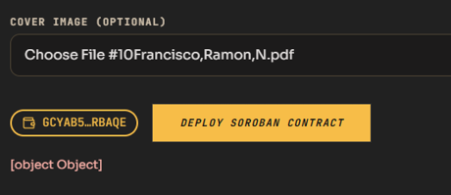
 | Severity Level | Critical
 | Original Field Report | File Upload Validation Error message, I tried to upload a pdf file and the error message instead of “Invalid file type” like message it shows [object Object]. Also even I uploaded a pdf file it is still accepted by the system and the tournament is created (Prone to malicious file upload).
 | Steps to Reproduce | 1. Open Create Tournament form. 2. In 'Cover Image (Optional)', upload a document file (e.g. '#10Francisco,Ramon,N.pdf'). 3. Observe the validation error toast. 4. Click 'Deploy Soroban Contract' and finalize tournament creation.
 | Expected Behavior | 1. Client file picker strictly restricts input to images (`.png, .jpg, .webp`). 2. Selecting invalid format blocks submission with clear error: 'Invalid file format. Allowed types: PNG, JPG, WEBP'. 3. Server strictly validates MIME type and magic bytes, aborting tournament creation if file is invalid.
 | Actual Behavior & Error | 1. Validation toast displays unhandled JavaScript `[object Object]`. 2. Despite error, the PDF file is accepted by backend storage and tournament contract is created (arbitrary file upload vulnerability).
 | Root Cause Analysis | 1. File input lacks `accept="image/png,image/jpeg,image/webp"` constraint. 2. Error object rendered directly as string (`{err}` instead of `err.message`). 3. Backend upload endpoint fails to enforce magic-byte verification and allows tournament deployment regardless.
 | Engineering Remediation | 1. Add client-side `accept="image/*"` and file-size limiter. 2. Correct error toast formatting (`err?.message || 'Invalid file type'`). 3. Enforce server-side file signature (magic byte) verification and reject tournament creation on upload failure. | Evidence Screenshot: Non-image PDF uploaded, producing '[object Object]' toast while still permitting contract deployment.

