vdWRQ
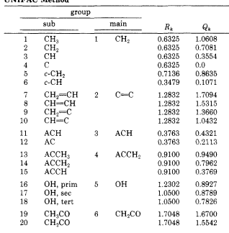
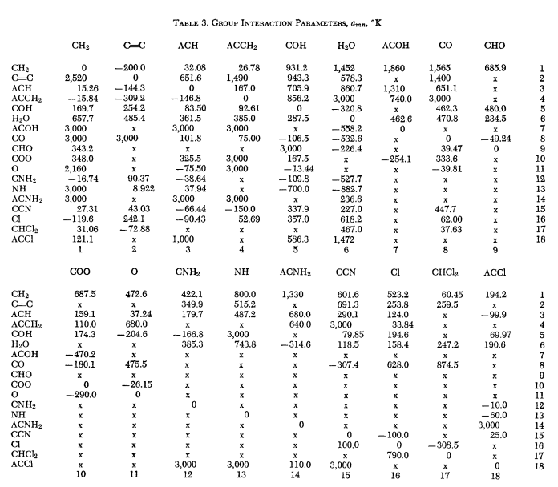
 | sub | main | R | Q | weidlich gmehling, 1987 |  | Fredenslund 1975 | sample calcs
1 | CH3 | CH2 | 0.6325 | 1.0608
2 | CH2 |  | 0.6325 | 0.7081
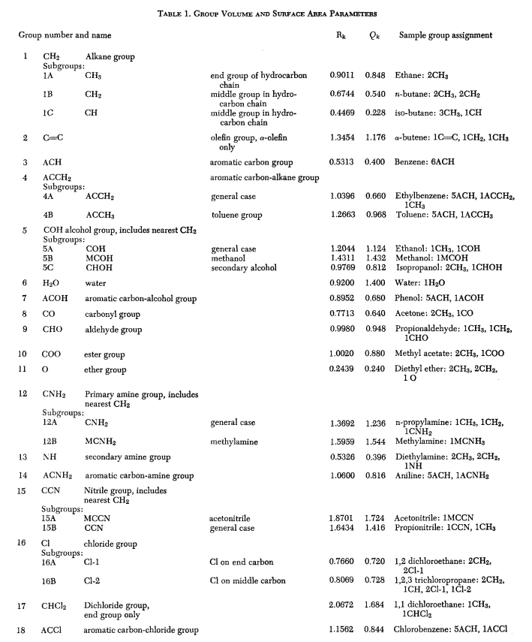
3 | CH |  | 0.6325 | 0.355
4 | C |  | 0.6325 | 0
5 | c-CH2 |  | 0.7136 | 0.8635
6 | c-CH |  | 0.3479 | 0.1071
7 | CH2=CH | C=C | 1.2832 | 1.7094
8 | CH=CH |  | 1.2832 | 1.5315
9 | CH2=CH |  | 1.2832 | 1.366
10 | CH=CH |  | 1.2832 | 1.0432
11 | ACH | ACH (aromatic) | 0.3763 | 0.4321
12 | AC |  | 0.3763 | 0.2113
13 | ACCH3 | ACCH2 | 0.91 | 0.949
14 | ACCH2 |  | 0.91 | 0.7962
15 | ACCH |  | 0.91 | 0.3769
16 | OH, 1 | OH | 1.2302 | 0.8927
17 | OH, 2 |  | 1.05 | 0.8789
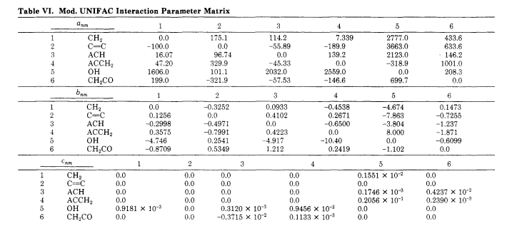
18 | OH, 3 |  | 1.05 | 0.7826
19 | CH3CO | CH2CO | 1.7048 | 1.67
20 | CH2CO |  | 1.7048 | 1.5542

 | Anderson prausnitz 1978 |  | R | Q
 | formic acid |  | 1.54 | 1.48

 | Fredenslund Jones Prausnitz 1975 |  | R | Q
1 | CH3 | end | 0.9011 | 0.848
2 | CH2 | middle | 0.6744 | 0.54
3 | CH | middle | 0.4469 | 0.228
4 | C=C |  | 1.3454 | 1.176
5 | CO | carbonyl | 0.7713 | 0.64
6 | CHO | aldehyde | 0.998 | 0.948
7 | COO | ester | 1.002 | 0.88
8 | O | ether | 0.2439 | 0.24
9 | ACH | aromatic | 0.5313 | 0.4
10 | ACCH3 | toluene | 1.2663 | 0.968
11 | ACCH2 | general | 1.0396 | 0.66 |  | Anderson prausnitz 1978
12 | COH | alcohol | 1.2044 | 1.124
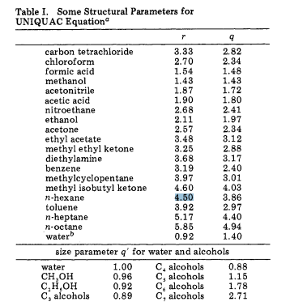
13 | MCOH | methanol | 1.4311 | 1.432
14 | CHOH | secondary alcohol | 0.9769 | 0.812
15 | CNH2 | amine | 1.3692 | 1.236
16 | MCNH2 | methylamine | 1.5959 | 1.544
17 | NH | secondary amine | 0.5326 | 0.396
18 | ACNH2 | aromatic amine | 1.06 | 0.816

Groupno
GroupName | GroupNo
Alkane | 1
Primaryalcohol | 2
Secondaryalcohol | 3
Isoalkanol | 4
Tertiaryalcohol | 5
Benzene | 6
Toluene | 7
Ketone | 8
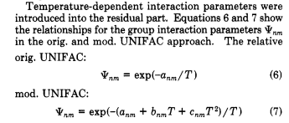
Ketone3 | 9
Alkene | 10
Cycloalkane | 11
Ester1 | 12
Ester2 | 13
Ester3 | 14
Ester4 | 15
Ester5 | 16
Estercyc | 17
Amine | 18
Aniline | 19
Benzylamine | 20
Acid | 21
Aldehyde | 22

