Figure 1
This file presents the data from the tables and figures in CBO's November 2023 report The Distribution of Household Income in 2020.
www.cbo.gov/publication/59509

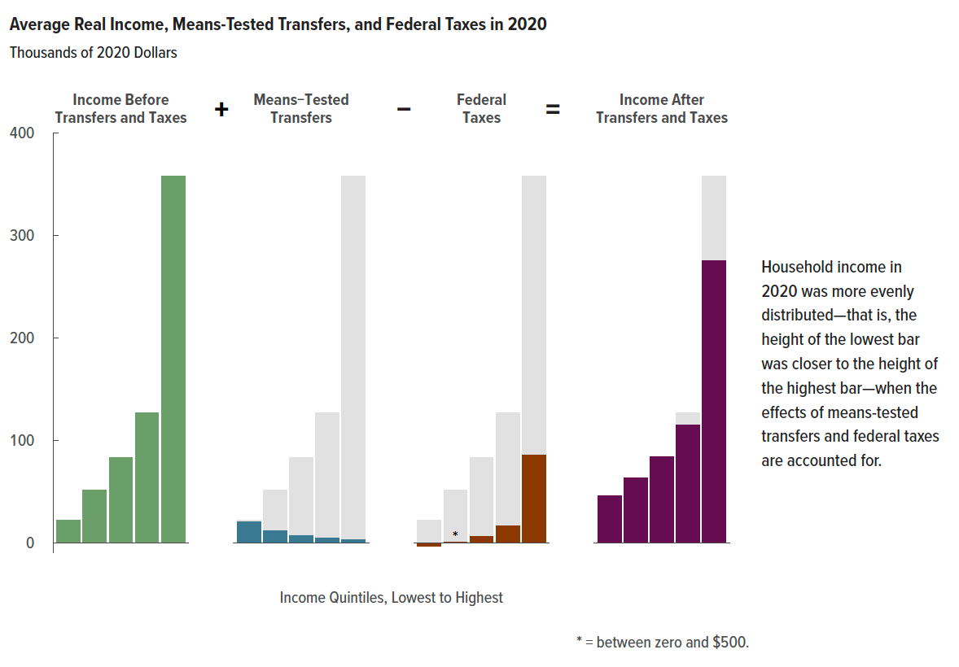
Figure 1. Average Real Income, Means-Tested Transfers, and Federal Taxes in 2020
Thousands of 2020 Dollars
 | Income Before Transfers and Taxes | Means-Tested Transfers | Federal Taxes | Income After Transfers and Taxes
Lowest Quintile | 22 | 20 | -4 | 46
Second Quintile | 52 | 12 | 0 | 63
Middle Quintile | 83 | 7 | 6 | 84
Fourth Quintile | 127 | 5 | 17 | 115
Highest Quintile | 358 | 3 | 85 | 276

Back to Table of Contents

Figure 2
This file presents the data from the tables and figures in CBO's November 2023 report The Distribution of Household Income in 2020.
www.cbo.gov/publication/59509

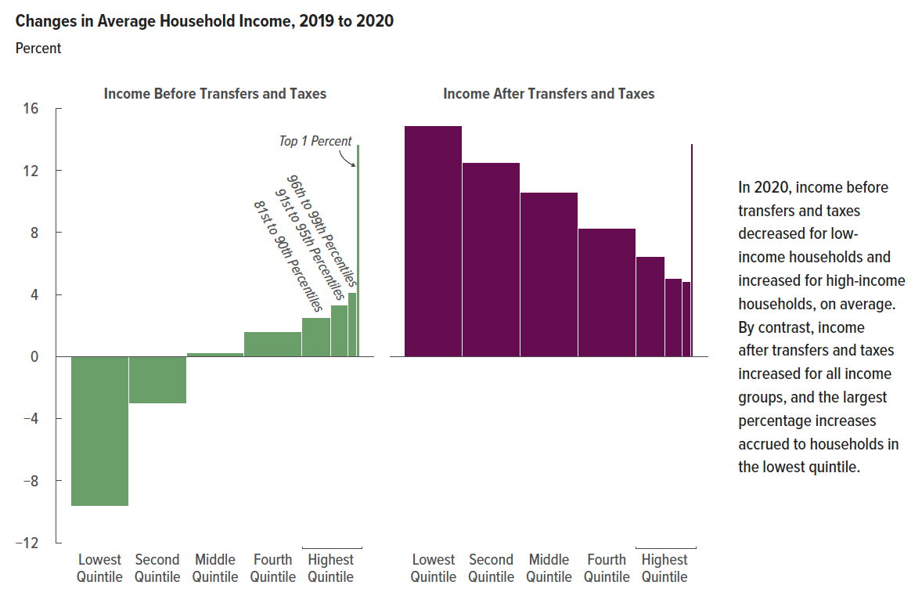
Figure 2. Changes in Average Household Income, 2019 to 2020
Percent
 | Income Before Transfers and Taxes | Income After Transfers and Taxes
Lowest Quintile | -9.7 | 14.9
Second Quintile | -3.0 | 12.5
Middle Quintile | 0.2 | 10.6
Fourth Quintile | 1.6 | 8.3
81st to 90th Percentiles | 2.5 | 6.5
91st to 95th Percentiles | 3.3 | 5.1
96th to 99th Percentiles | 4.2 | 4.9
Top 1 Percent | 13.7 | 13.7

Back to Table of Contents

Figure 3
This file presents the data from the tables and figures in CBO's November 2023 report The Distribution of Household Income in 2020.
www.cbo.gov/publication/59509

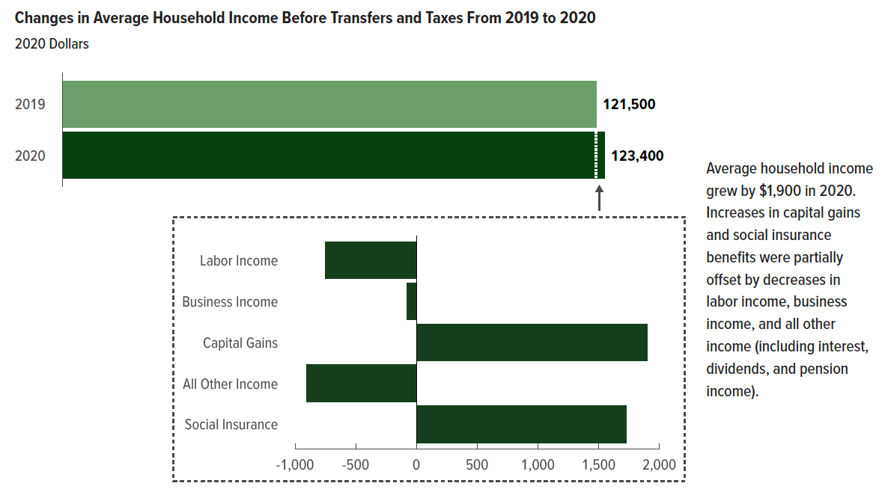
Figure 3. Changes in Average Household Income Before Transfers and Taxes From 2019 to 2020
2020 Dollars
 | Average Income Before Transfers and Taxes
2019 | 121,500
2020 | 123,400

 | Change in Average Income Before Transfers and Taxes
Labor Income | -700
Business Income | -100
Capital Gains | 1,900
All Other Income | -900
Social Insurance | 1,700

Back to Table of Contents

Figure 4
This file presents the data from the tables and figures in CBO's November 2023 report The Distribution of Household Income in 2020.
www.cbo.gov/publication/59509

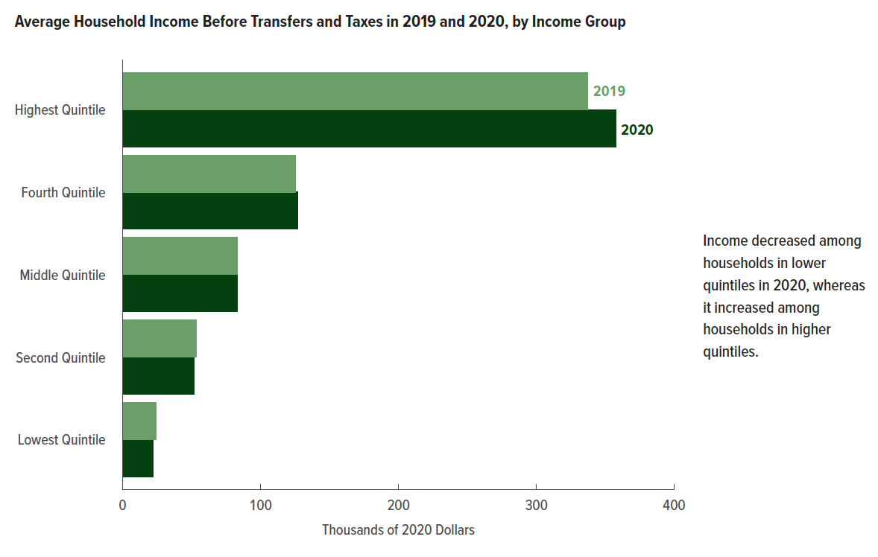
Figure 4. Average Household Income Before Transfers and Taxes in 2019 and 2020, by Income Group
Thousands of 2020 Dollars
 | 2019 | 2020
Lowest Quintile | 24.2 | 21.9
Second Quintile | 53.3 | 51.7
Middle Quintile | 83.1 | 83.3
Fourth Quintile | 125.2 | 127.2
Highest Quintile | 337.4 | 357.8

Back to Table of Contents

Figure 5
This file presents the data from the tables and figures in CBO's November 2023 report The Distribution of Household Income in 2020.
www.cbo.gov/publication/59509

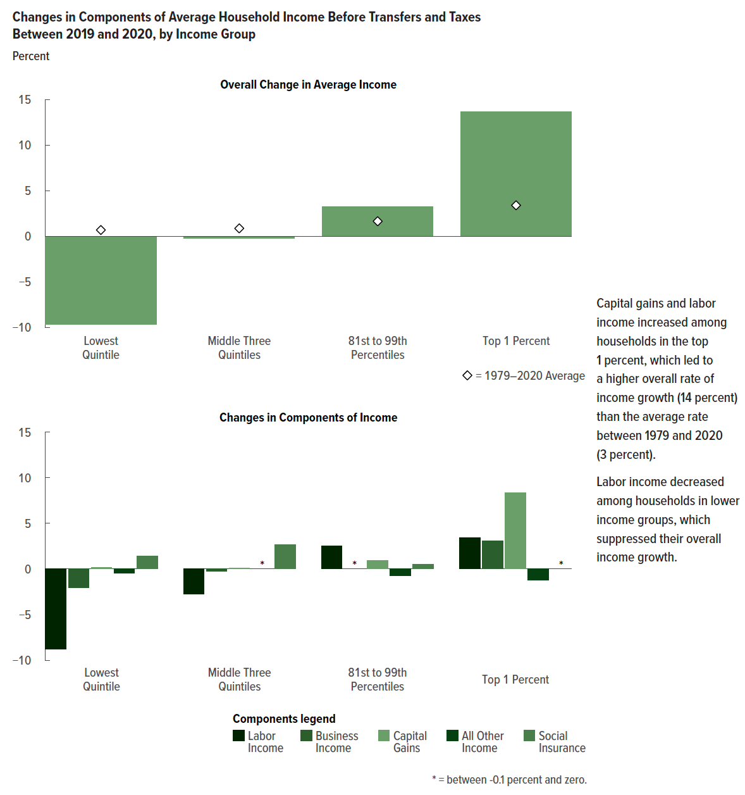
Figure 5. Changes in Components of Average Household Income Before Transfers and Taxes Between 2019 and 2020, by Income Group
Percent
 | Overall Change in Average Income |  | Changes in Components of Income
 | 2019-2020 | 1979-2020 Average | Labor Income | Business Income | Capital Gains | All Other Income | Social Insurance
Lowest Quintile | -9.7 | 0.7 | -8.8 | -2.0 | 0.1 | -0.5 | 1.4
Middle Three Quintiles | -0.2 | 0.9 | -2.7 | -0.3 | 0.1 | -0.1 | 2.7
81st to 99th Percentiles | 3.3 | 1.7 | 2.6 | -0.1 | 1.0 | -0.7 | 0.6
Top 1 Percent | 13.7 | 3.4 | 3.4 | 3.1 | 8.4 | -1.2 | 0.0

Back to Table of Contents

Figure 6
This file presents the data from the tables and figures in CBO's November 2023 report The Distribution of Household Income in 2020.
www.cbo.gov/publication/59509

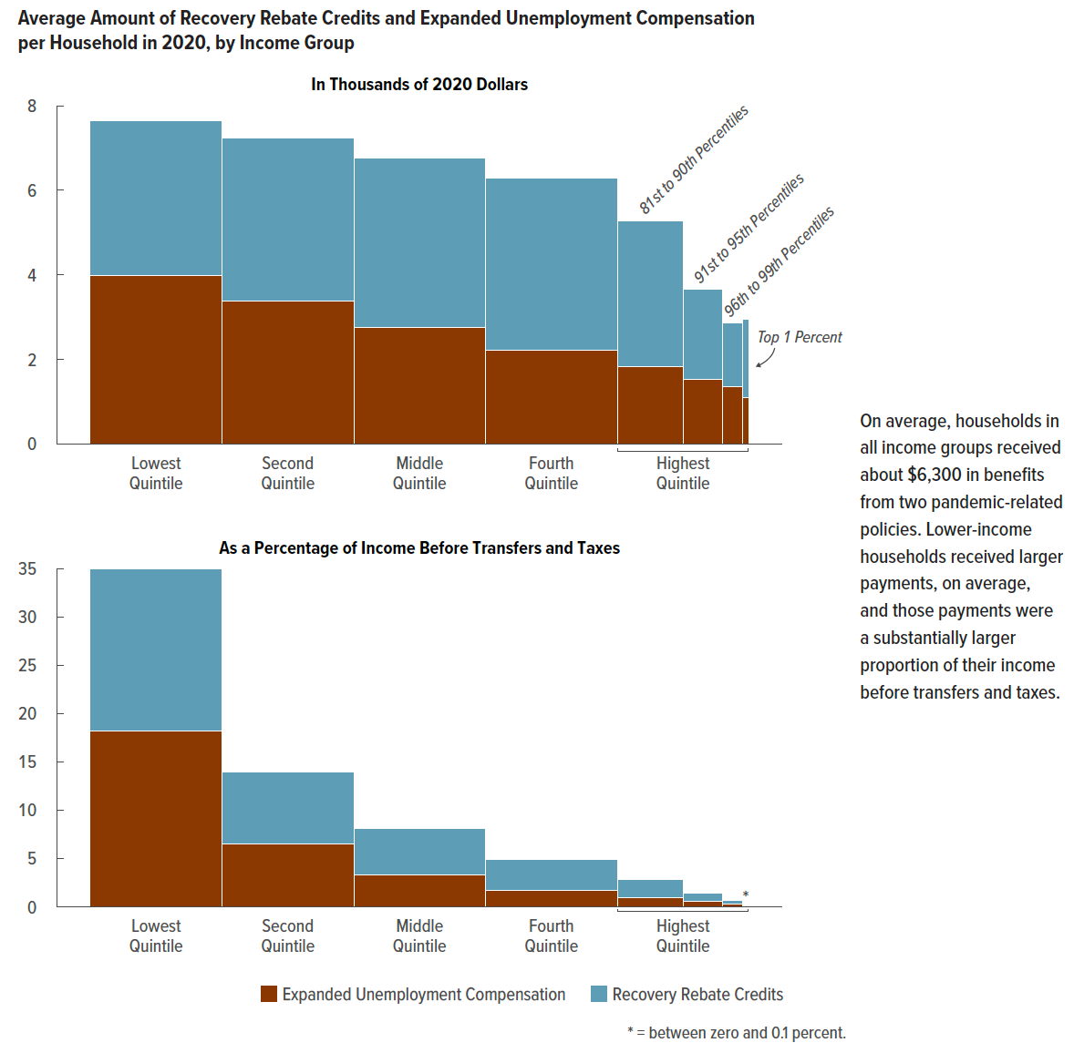
Figure 6. Average Amount of Recovery Rebate Credits and Expanded Unemployment Compensation per Household in 2020, by Income Group
Average Amount per Household
 | In 2020 Dollars |  | As a Percentage of Income Before Transfers and Taxes
 | Recovery Rebate Credits | Expanded Unemployment Compensation | Recovery Rebate Credits | Expanded Unemployment Compensation
Lowest Quintile | 3,700 | 4,000 | 16.7 | 18.2
Second Quintile | 3,800 | 3,400 | 7.4 | 6.5
Middle Quintile | 4,000 | 2,800 | 4.8 | 3.3
Fourth Quintile | 4,100 | 2,200 | 3.2 | 1.8
81st to 90th Percentiles | 3,500 | 1,800 | 1.8 | 1.0
91st to 95th Percentiles | 2,100 | 1,500 | 0.8 | 0.6
96th to 99th Percentiles | 1,500 | 1,400 | 0.3 | 0.3
Top 1 Percent | 1,900 | 1,100 | 0.1 | 0.0

Back to Table of Contents

Figure 7
This file presents the data from the tables and figures in CBO's November 2023 report The Distribution of Household Income in 2020.
www.cbo.gov/publication/59509

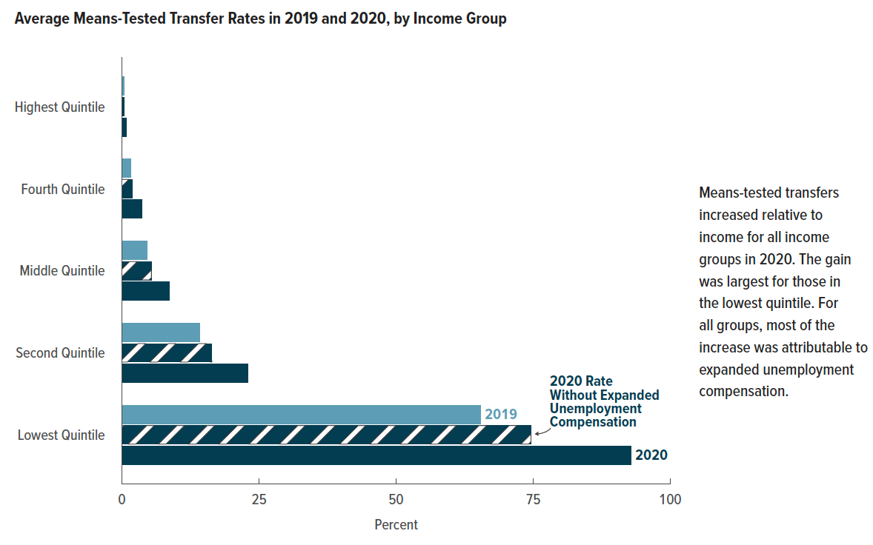
Figure 7. Average Means-Tested Transfer Rates in 2019 and 2020, by Income Group
Percent
 | 2019 | 2020 Rate Without Expanded Unemployment Compensation | 2020
Lowest Quintile | 65.4 | 74.6 | 92.8
Second Quintile | 14.1 | 16.4 | 22.9
Middle Quintile | 4.6 | 5.3 | 8.6
Fourth Quintile | 1.7 | 1.9 | 3.6
Highest Quintile | 0.3 | 0.4 | 0.9

Back to Table of Contents

Figure 8
This file presents the data from the tables and figures in CBO's November 2023 report The Distribution of Household Income in 2020.
www.cbo.gov/publication/59509

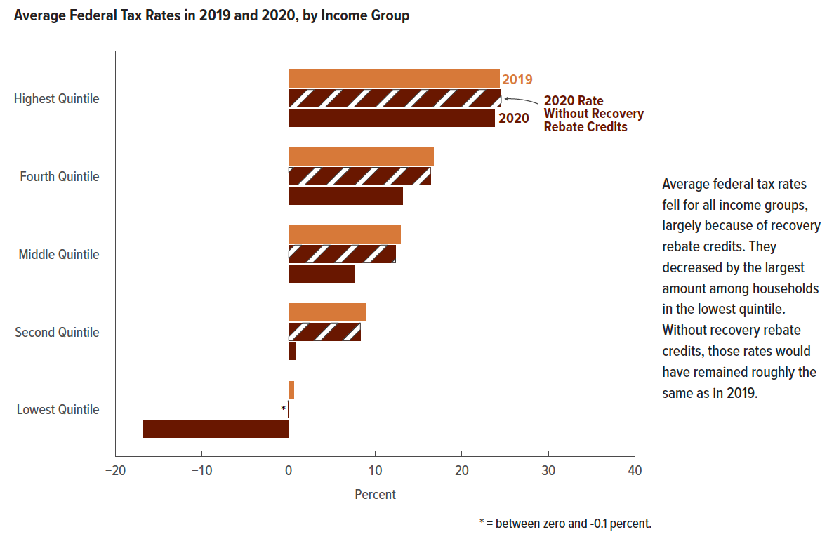
Figure 8. Average Federal Tax Rates in 2019 and 2020, by Income Group
Percent
 | 2019 | 2020 Rate Without Recovery Rebate Credits | 2020
Lowest Quintile | 0.6 | -0.1 | -16.8
Second Quintile | 8.9 | 8.3 | 0.8
Middle Quintile | 13.0 | 12.4 | 7.5
Fourth Quintile | 16.7 | 16.4 | 13.2
Highest Quintile | 24.3 | 24.6 | 23.8

Back to Table of Contents

Figure 9
This file presents the data from the tables and figures in CBO's November 2023 report The Distribution of Household Income in 2020.
www.cbo.gov/publication/59509

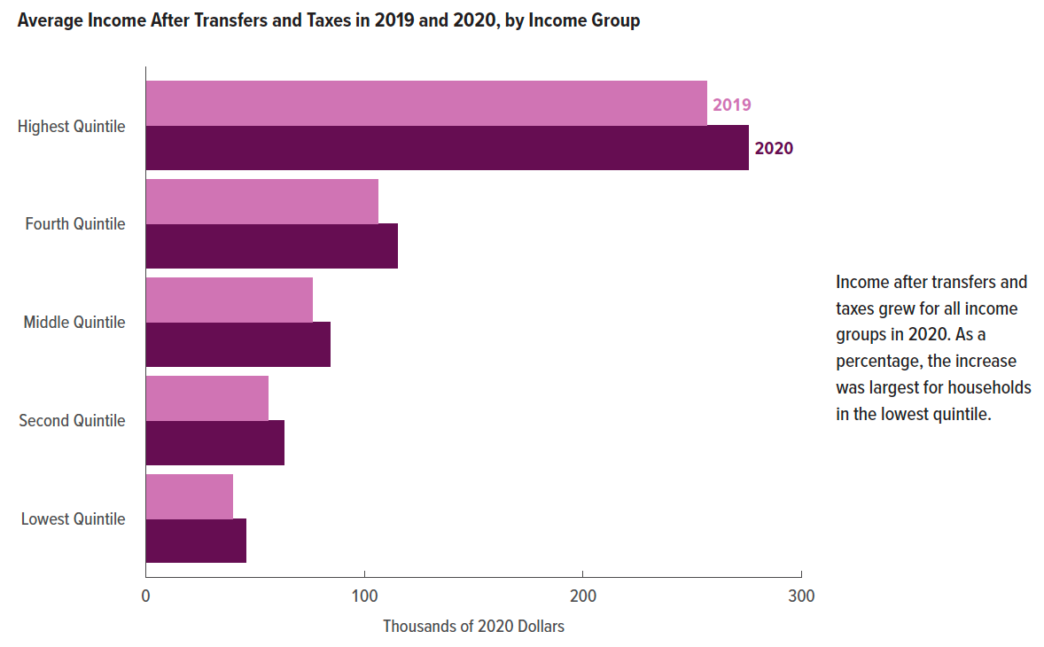
Figure 9. Average Income After Transfers and Taxes in 2019 and 2020, by Income Group
Thousands of 2020 Dollars

 | 2019 | 2020
Lowest Quintile | 39.9 | 45.8
Second Quintile | 56.1 | 63.2
Middle Quintile | 76.2 | 84.3
Fourth Quintile | 106.3 | 115.1
Highest Quintile | 256.5 | 275.7

Back to Table of Contents

Figure 10
This file presents the data from the tables and figures in CBO's November 2023 report The Distribution of Household Income in 2020.
www.cbo.gov/publication/59509

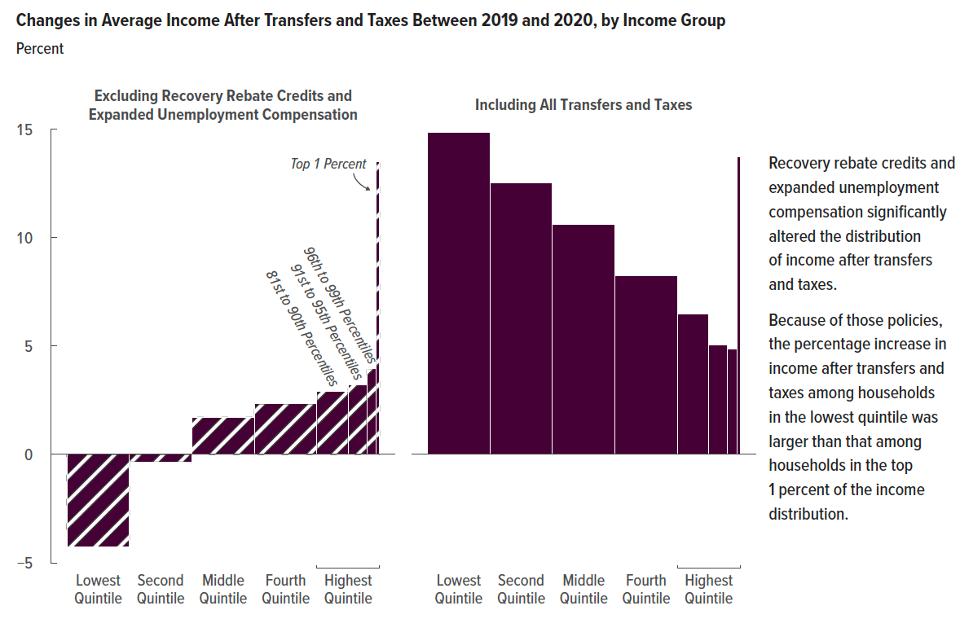
Figure 10. Changes in Average Income After Transfers and Taxes Between 2019 and 2020, by Income Group
Percent

 | Excluding Recovery Rebate Credits and Expanded Unemployment Compensation | Including All Transfers and Taxes
Lowest Quintile | -4.3 | 14.9
Second Quintile | -0.4 | 12.5
Middle Quintile | 1.7 | 10.6
Fourth Quintile | 2.3 | 8.3
81st to 90th Percentiles | 2.9 | 6.5
91st to 95th Percentiles | 3.2 | 5.1
96th to 99th Percentiles | 4.0 | 4.9
Top 1 Percent | 13.5 | 13.7

Back to Table of Contents

Figure 11
This file presents the data from the tables and figures in CBO's November 2023 report The Distribution of Household Income in 2020.
www.cbo.gov/publication/59509

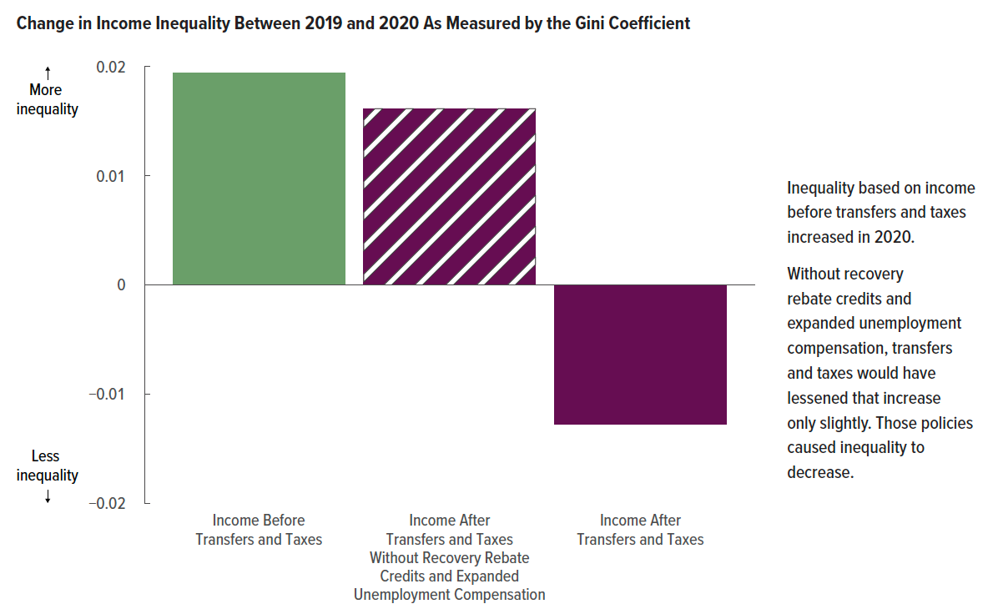
Figure 11. Change in Income Inequality Between 2019 and 2020 As Measured by the Gini Coefficient

 | Change in the Gini Coefficient
Income Before Transfers and Taxes | 0.019
Income After Transfers and Taxes Without Recovery Rebate Credits and Expanded Unemployment Compensation | 0.016
Income After Transfers and Taxes | -0.013

Back to Table of Contents

Figure 12
This file presents the data from the tables and figures in CBO's November 2023 report The Distribution of Household Income in 2020.
www.cbo.gov/publication/59509

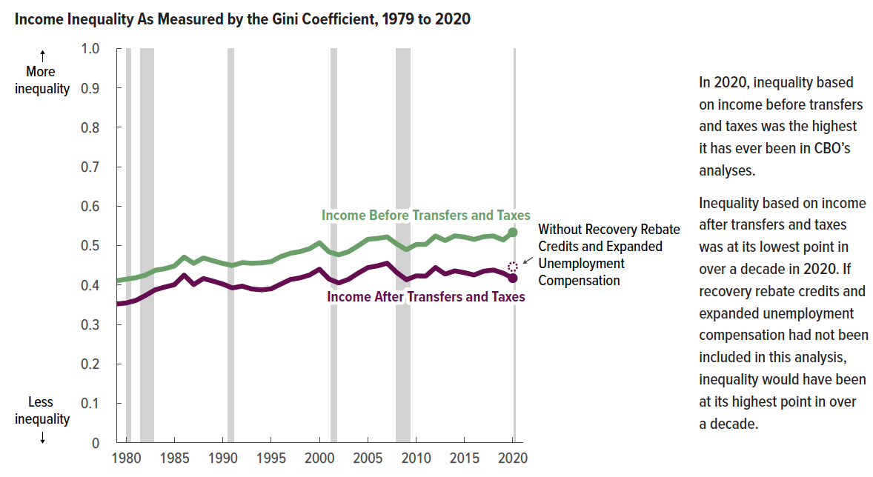
Figure 12. Income Inequality As Measured by the Gini Coefficient, 1979 to 2020

Year | Income Before Transfers and Taxes | Income After Transfers and Taxes | Income After Transfers and Taxes Without Recovery Rebate Credits and Expanded Unemployment Compensation
1979 | 0.412 | 0.352
1980 | 0.416 | 0.354
1981 | 0.419 | 0.361
1982 | 0.425 | 0.373
1983 | 0.438 | 0.387
1984 | 0.443 | 0.395
1985 | 0.448 | 0.401
1986 | 0.471 | 0.425
1987 | 0.455 | 0.401
1988 | 0.469 | 0.416
1989 | 0.462 | 0.410
1990 | 0.455 | 0.403
1991 | 0.450 | 0.393
1992 | 0.457 | 0.397
1993 | 0.456 | 0.390
1994 | 0.457 | 0.388
1995 | 0.460 | 0.390
1996 | 0.472 | 0.403
1997 | 0.480 | 0.414
1998 | 0.485 | 0.418
1999 | 0.492 | 0.426
2000 | 0.507 | 0.440
2001 | 0.485 | 0.415
2002 | 0.477 | 0.405
2003 | 0.485 | 0.414
2004 | 0.501 | 0.430
2005 | 0.516 | 0.444
2006 | 0.518 | 0.449
2007 | 0.522 | 0.455
2008 | 0.505 | 0.432
2009 | 0.490 | 0.413
2010 | 0.503 | 0.423
2011 | 0.504 | 0.423
2012 | 0.525 | 0.444
2013 | 0.513 | 0.428
2014 | 0.525 | 0.436
2015 | 0.521 | 0.431
2016 | 0.516 | 0.425
2017 | 0.523 | 0.435
2018 | 0.524 | 0.438
2019 | 0.514 | 0.430
2020 | 0.533 | 0.417 | 0.446

Back to Table of Contents

Table A-1
This file presents the data from the tables and figures in CBO's November 2023 report The Distribution of Household Income in 2020.
www.cbo.gov/publication/59509

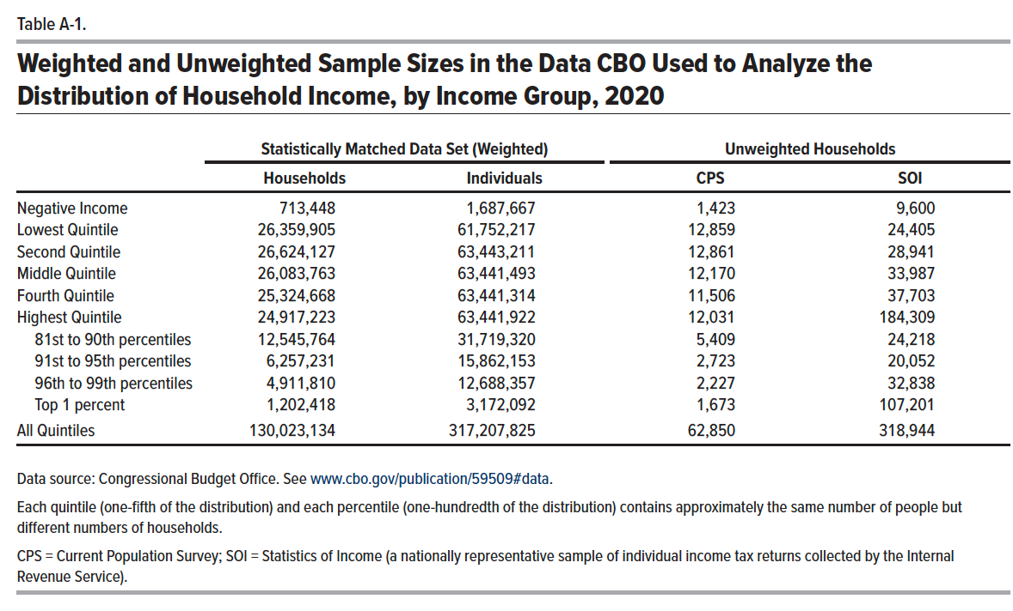
Table A-1. Weighted and Unweighted Sample Sizes in the Data CBO Used to Analyze the Distribution of Household Income, by Income Group, 2020

 | Statistically Matched Data Set (Weighted) |  | Unweighted Households
 | Households | Individuals | CPS | SOI
Negative Income | 713,448 | 1,687,667 | 1,423 | 9,600
Lowest Quintile | 26,359,905 | 61,752,217 | 12,859 | 24,405
Second Quintile | 26,624,127 | 63,443,211 | 12,861 | 28,941
Middle Quintile | 26,083,763 | 63,441,493 | 12,170 | 33,987
Fourth Quintile | 25,324,668 | 63,441,314 | 11,506 | 37,703
Highest Quintile | 24,917,223 | 63,441,922 | 12,031 | 184,309

81st to 90th Percentiles | 12,545,764 | 31,719,320 | 5,409 | 24,218
91st to 95th Percentiles | 6,257,231 | 15,862,153 | 2,723 | 20,052
96th to 99th Percentiles | 4,911,810 | 12,688,357 | 2,227 | 32,838
Top 1 Percent | 1,202,418 | 3,172,092 | 1,673 | 107,201

All Quintiles | 130,023,134 | 317,207,825 | 62,850 | 318,944

Back to Table of Contents

Table C-1
This file presents the data from the tables and figures in CBO's November 2023 report The Distribution of Household Income in 2020.
www.cbo.gov/publication/59509

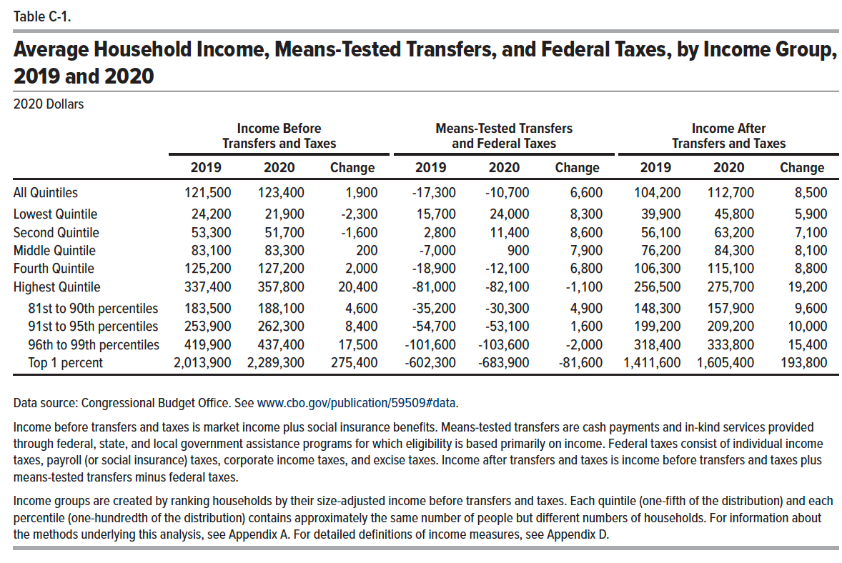
Table C-1. Average Household Income, Means-Tested Transfers, and Federal Taxes, by Income Group, 2019 and 2020
2020 Dollars
 | Income Before Transfers and Taxes |  |  | Means-Tested Transfers and Federal Taxes |  |  | Income After Transfers and Taxes
 | 2019 | 2020 | Change | 2019 | 2020 | Change | 2019 | 2020 | Change
All Quintiles | 121,500 | 123,400 | 1,900 | -17,300 | -10,700 | 6,600 | 104,200 | 112,700 | 8,500

Lowest Quintile | 24,200 | 21,900 | -2,300 | 15,700 | 24,000 | 8,300 | 39,900 | 45,800 | 5,900
Second Quintile | 53,300 | 51,700 | -1,600 | 2,800 | 11,400 | 8,600 | 56,100 | 63,200 | 7,100
Middle Quintile | 83,100 | 83,300 | 200 | -7,000 | 900 | 7,900 | 76,200 | 84,300 | 8,100
Fourth Quintile | 125,200 | 127,200 | 2,000 | -18,900 | -12,100 | 6,800 | 106,300 | 115,100 | 8,800
Highest Quintile | 337,400 | 357,800 | 20,400 | -81,000 | -82,100 | -1,100 | 256,500 | 275,700 | 19,200

81st to 90th Percentiles | 183,500 | 188,100 | 4,600 | -35,200 | -30,300 | 4,900 | 148,300 | 157,900 | 9,600
91st to 95th Percentiles | 253,900 | 262,300 | 8,400 | -54,700 | -53,100 | 1,600 | 199,200 | 209,200 | 10,000
96th to 99th Percentiles | 419,900 | 437,400 | 17,500 | -101,600 | -103,600 | -2,000 | 318,400 | 333,800 | 15,400
Top 1 Percent | 2,013,900 | 2,289,300 | 275,400 | -602,300 | -683,900 | -81,600 | 1,411,600 | 1,605,400 | 193,800

Back to Table of Contents

Table C-2
This file presents the data from the tables and figures in CBO's November 2023 report The Distribution of Household Income in 2020.
www.cbo.gov/publication/59509

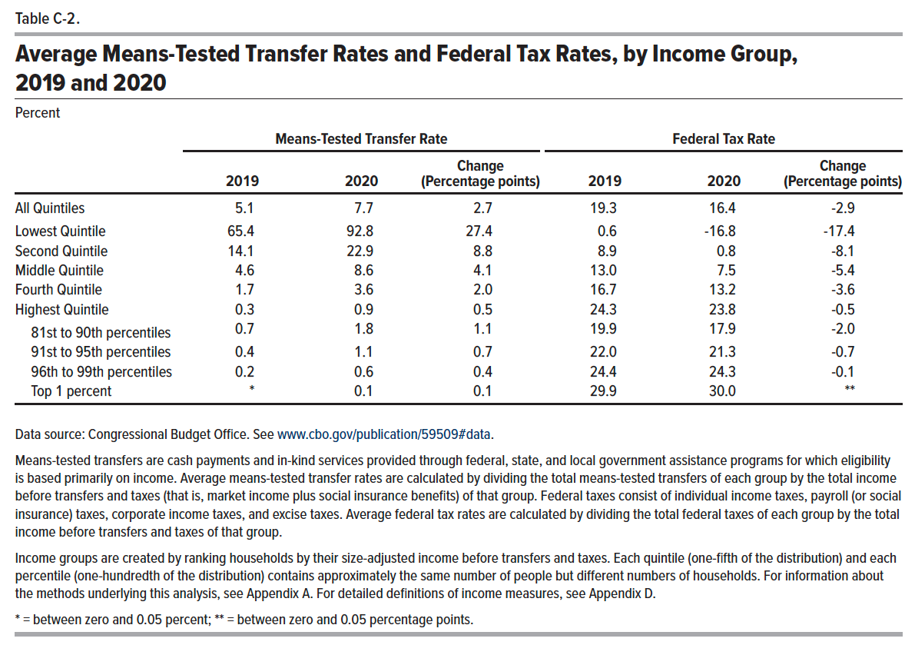
Table C-2. Average Means-Tested Transfer Rates and Federal Tax Rates, by Income Group, 2019 and 2020
Percent
 | Means-Tested Transfer Rate |  |  | Federal Tax Rate
 | 2019 | 2020 | Change (Percentage points) | 2019 | 2020 | Change (Percentage points)
All Quintiles | 5.1 | 7.7 | 2.7 | 19.3 | 16.4 | -2.9

Lowest Quintile | 65.4 | 92.8 | 27.4 | 0.6 | -16.8 | -17.4
Second Quintile | 14.1 | 22.9 | 8.8 | 8.9 | 0.8 | -8.1
Middle Quintile | 4.6 | 8.6 | 4.1 | 13.0 | 7.5 | -5.4
Fourth Quintile | 1.7 | 3.6 | 2.0 | 16.7 | 13.2 | -3.6
Highest Quintile | 0.3 | 0.9 | 0.5 | 24.3 | 23.8 | -0.5

81st to 90th Percentiles | 0.7 | 1.8 | 1.1 | 19.9 | 17.9 | -2.0
91st to 95th Percentiles | 0.4 | 1.1 | 0.7 | 22.0 | 21.3 | -0.7
96th to 99th Percentiles | 0.2 | 0.6 | 0.4 | 24.4 | 24.3 | -0.1
Top 1 Percent | 0.0 | 0.1 | 0.1 | 29.9 | 30.0 | 0.0

Back to Table of Contents

Table C-3
This file presents the data from the tables and figures in CBO's November 2023 report The Distribution of Household Income in 2020.
www.cbo.gov/publication/59509

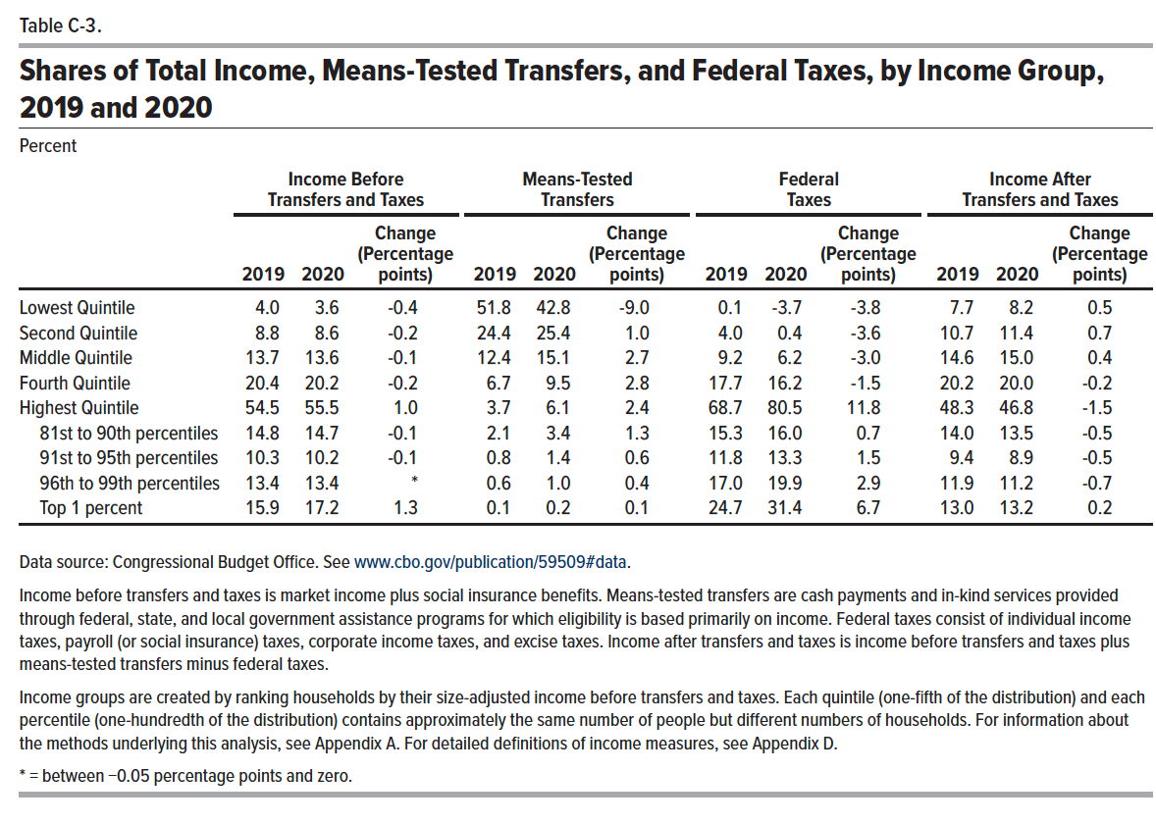
Table C-3. Shares of Total Income, Means-Tested Transfers, and Federal Taxes, by Income Group, 2019 and 2020
Percent
 | Income Before Transfers and Taxes |  |  | Means-Tested Transfers |  |  | Federal Taxes |  |  | Income After Transfers and Taxes
 | 2019 | 2020 | Change (Percentage points) | 2019 | 2020 | Change (Percentage points) | 2019 | 2020 | Change (Percentage points) | 2019 | 2020 | Change (Percentage points)
Lowest Quintile | 4.0 | 3.6 | -0.4 | 51.8 | 42.8 | -9.0 | 0.1 | -3.7 | -3.8 | 7.7 | 8.2 | 0.5
Second Quintile | 8.8 | 8.6 | -0.2 | 24.4 | 25.4 | 1.0 | 4.0 | 0.4 | -3.6 | 10.7 | 11.4 | 0.7
Middle Quintile | 13.7 | 13.6 | -0.1 | 12.4 | 15.1 | 2.7 | 9.2 | 6.2 | -3.0 | 14.6 | 15.0 | 0.4
Fourth Quintile | 20.4 | 20.2 | -0.2 | 6.7 | 9.5 | 2.8 | 17.7 | 16.2 | -1.5 | 20.2 | 20.0 | -0.2
Highest Quintile | 54.5 | 55.5 | 1.0 | 3.7 | 6.1 | 2.4 | 68.7 | 80.5 | 11.8 | 48.3 | 46.8 | -1.5

81st to 90th Percentiles | 14.8 | 14.7 | -0.1 | 2.1 | 3.4 | 1.3 | 15.3 | 16.0 | 0.7 | 14.0 | 13.5 | -0.5
91st to 95th Percentiles | 10.3 | 10.2 | -0.1 | 0.8 | 1.4 | 0.6 | 11.8 | 13.3 | 1.5 | 9.4 | 8.9 | -0.5
96th to 99th Percentiles | 13.4 | 13.4 | * | 0.6 | 1.0 | 0.4 | 17.0 | 19.9 | 2.9 | 11.9 | 11.2 | -0.7
Top 1 Percent | 15.9 | 17.2 | 1.3 | 0.1 | 0.2 | 0.1 | 24.7 | 31.4 | 6.7 | 13.0 | 13.2 | 0.2

Back to Table of Contents

