Read Me- Introduction
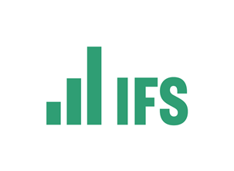
Institute for Fiscal Studies: Living Standards, Inequality and Poverty Spreadsheet

This spreadsheet provides data on British living standards, inequality and poverty from 1961 to 2022–23. It is the result of ongoing work on the income distribution at the IFS.

IMPORTANT: All statistics are based on IFS calculations using the Family Expenditure Survey (FES) up to and including 1993, and the Family Resources Survey (FRS) thereafter. Incomes are measured net of direct taxes and inclusive of state benefits and tax credits, and at the household level. Monetary amounts are pounds per week in 2022–23 prices. They are expressed as the equivalent for a childless couple using the Modified OECD equivalence scale. Analysis is then conducted at the individual level, with each individual associated with an equivalised household income. This is consistent with the Government's official publication: Households Below Average Income (HBAI).

Income is therefore defined as net equivalised household income, and is measured both before housing costs are deducted (BHC) and after housing costs are deducted (AHC).

In order to be comparable across time, we adjust BHC and AHC incomes for inflation using a variants of the Consumer Price Index that includes and excludes all housing costs respectively. For details of the adjustment for inflation, see the Worksheet named "Deflators".

For details of how children, pensioners, working-age parents etc. are defined, please see the glossary of the DWP's Households Below Average Income (HBAI) Quality and Methodology Information Report (https://www.gov.uk/government/statistics/households-below-average-income-for-financial-years-ending-1995-to-2023/households-below-average-income-series-quality-and-methodology-information-report-fye-2023)

Any comments or queries concerning this spreadsheet should be directed to Thomas Wernham via e-mail: thomas.wernham@ifs.org.uk

