Hoja1 (2)
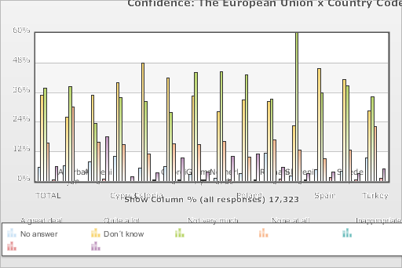
 | World Values Survey Wave 6: 2010-2014
 | Confidence: The European Union

 | TOTAL | Confidence: The European Union
 |  | A great deal | Quite a lot | Not very much | None at all | DE,SE:Inapplicable; Missing | No answer | Don´t know
Country Code
Azerbaijan | 1.002 | 6.2 | 25.8 | 38.1 | 29.9 | 0 | 0 | 0
Armenia | 1.1 | 7.9 | 34.8 | 23.2 | 15.7 | 0 | 0.7 | 17.8
Cyprus | 1 | 10 | 39.7 | 33.7 | 14.7 | 0 | 0 | 1.9
Estonia | 1.533 | 5.3 | 47.9 | 32.3 | 10.9 | 0 | 0.2 | 3.3
Georgia | 1.202 | 5.9 | 41.7 | 27.8 | 15 | 0 | 0.3 | 9.3
Germany | 2.046 | 2.8 | 34.3 | 44 | 14.9 | 0.1 | 0.3 | 3.6
Netherlands | 1.902 | 1 | 28.2 | 44.2 | 16 | 0 | 0.5 | 10.1
Poland | 966 | 2.9 | 32.9 | 43.1 | 9.7 | 0 | 0.3 | 11.1
Romania | 1.503 | 11.4 | 32.3 | 33.2 | 16.7 | 0 | 0.9 | 5.5
Slovenia | 1.069 | 2 | 22.5 | 59.8 | 12.5 | 0 | 0.3 | 2.9
Spain | 1.189 | 4.7 | 45.6 | 35.8 | 9.1 | 0 | 1.3 | 3.5
Sweden | 1.206 | 4 | 41.2 | 38.6 | 12.6 | 0 | 0.6 | 3
Turkey | 1.605 | 9.4 | 28.5 | 34.1 | 22.1 | 0 | 1.1 | 4.8
(N) | 17.323 | 5.5 | 34.9 | 37.7 | 15.4 | 0 | 0.5 | 5.9

