Logo


Index
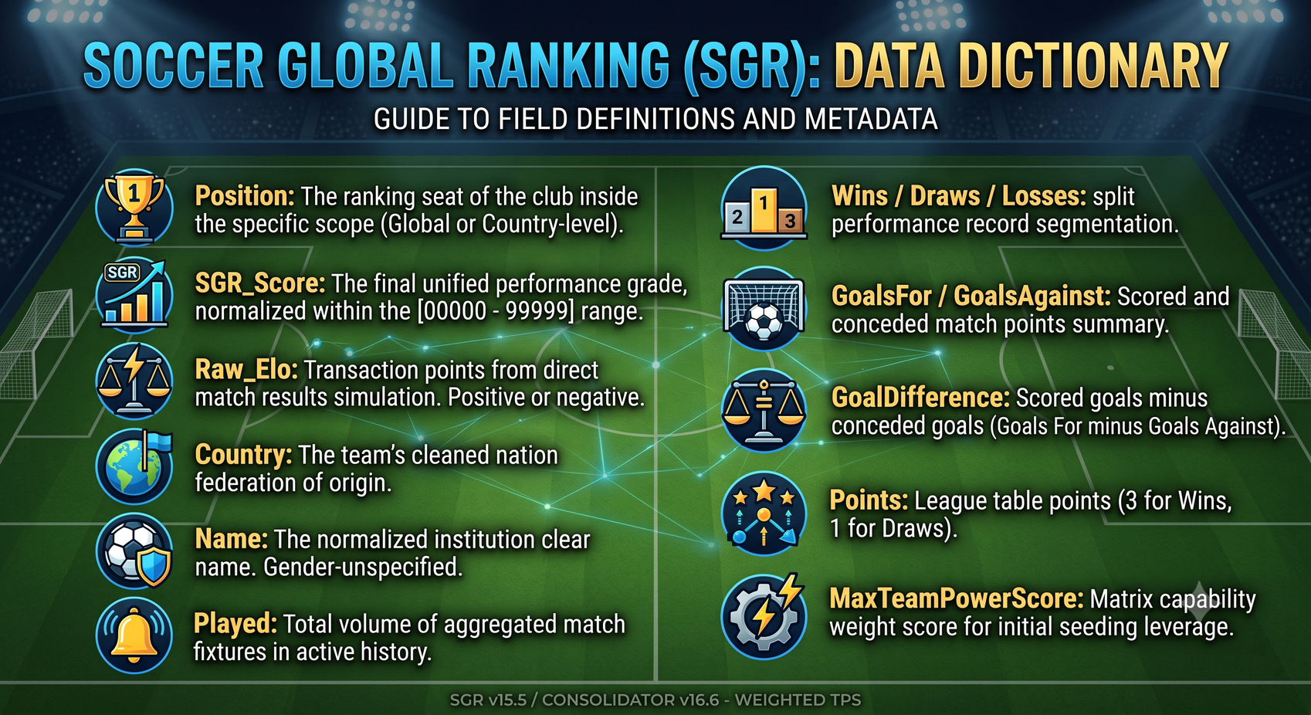

Support
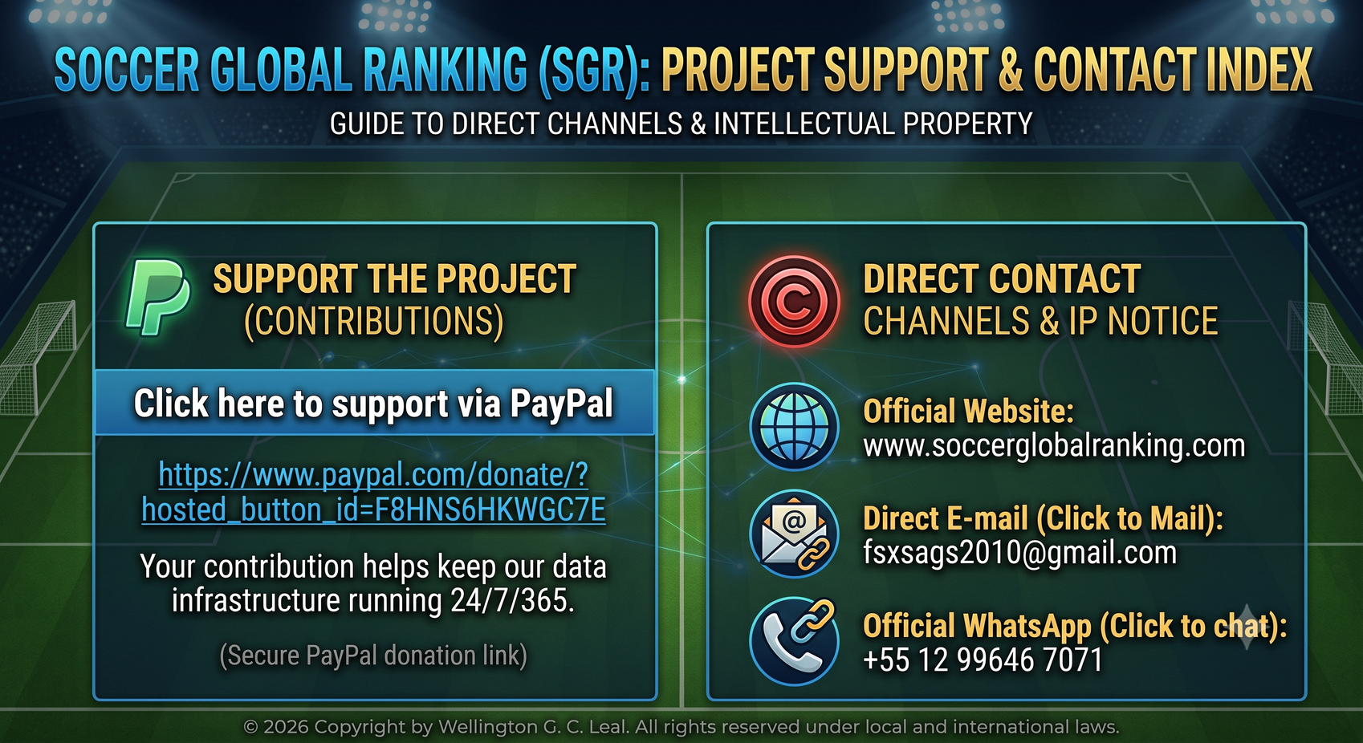
Click here to support via PayPal

Official Website: | www.soccerglobalranking.com
Direct E-mail: | fsxsags2010@gmail.com
Official WhatsApp: | +55 12 99646 7071

Paypal QR


Formula Engine
