OP#35 UV and Clip Press to Reta
 |  |  |  | Machine Document |  |  |  |  |  |  |  |  |  |  | Format No. | PH/ME/001
 |  |  |  |  |  |  |  |  |  |  |  |  |  |  | Rev. Level | D
 |  |  |  |  |  |  |  |  |  |  |  |  |  |  | Rev. Date | 01.03.2024
Operatior Skill Level Required : 3
Model : |  |  | P703 (28667720)Rev009; U704(28667721)Rev006; FD(42027893)Rev006; SA(42032060)Rev003; Gnome 42049149 (Rev001) |  |  |  | WI No | FMA03-MD-35-003 |  |  |  |  |  | Document Dated : 18 Sept. 17 |  | Revision Date: | 20.06.2024
Machine name: |  |  | Umbrella valve and Clip Press to retainer |  |  |  | Operation no. | 35 |  |  |  |  | A: Alert Supervisor for Possible Machine Alignment B: Follow super visor instruction for proper handling
#PIC 1
#PIC 2
#PIC 3
Product Parameters |  |  |  |  |  |  |  |  |  |  |  | 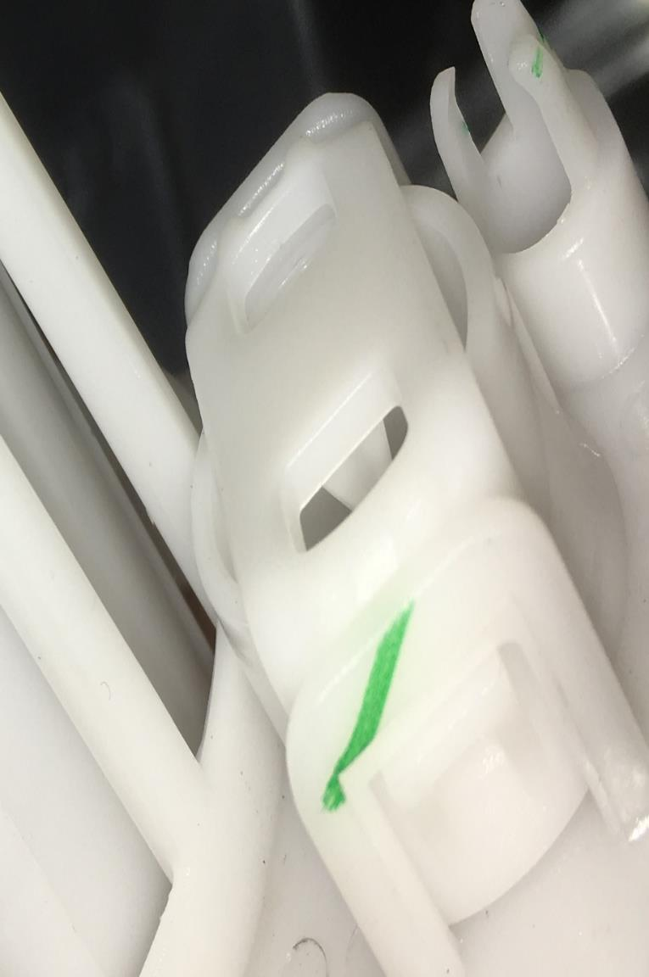 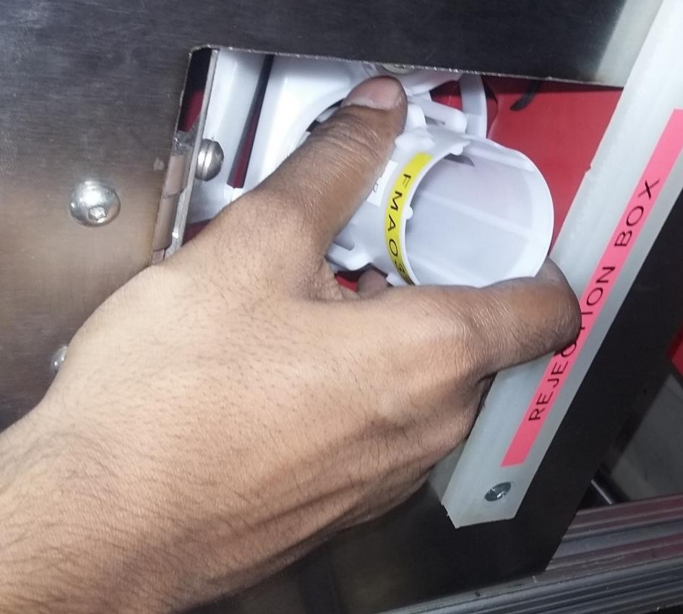 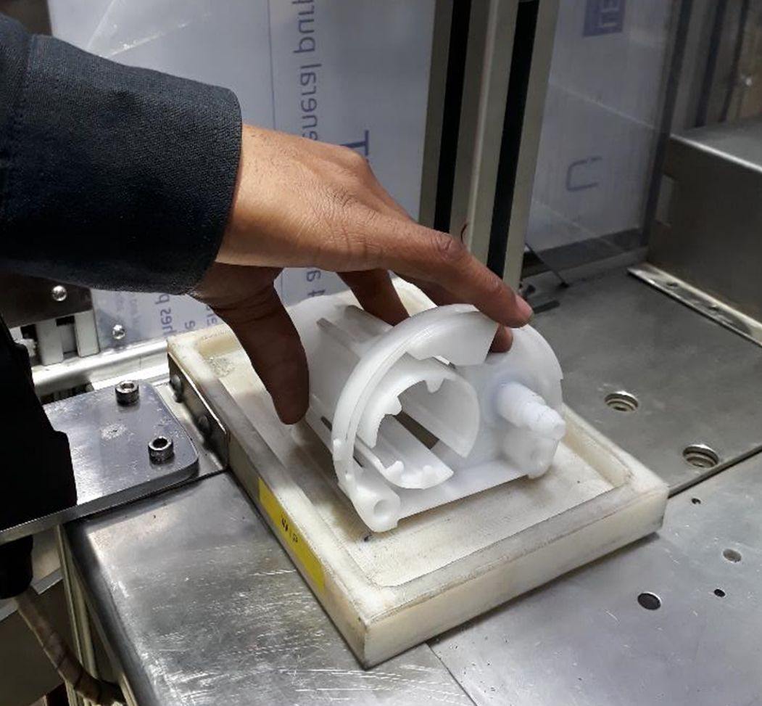 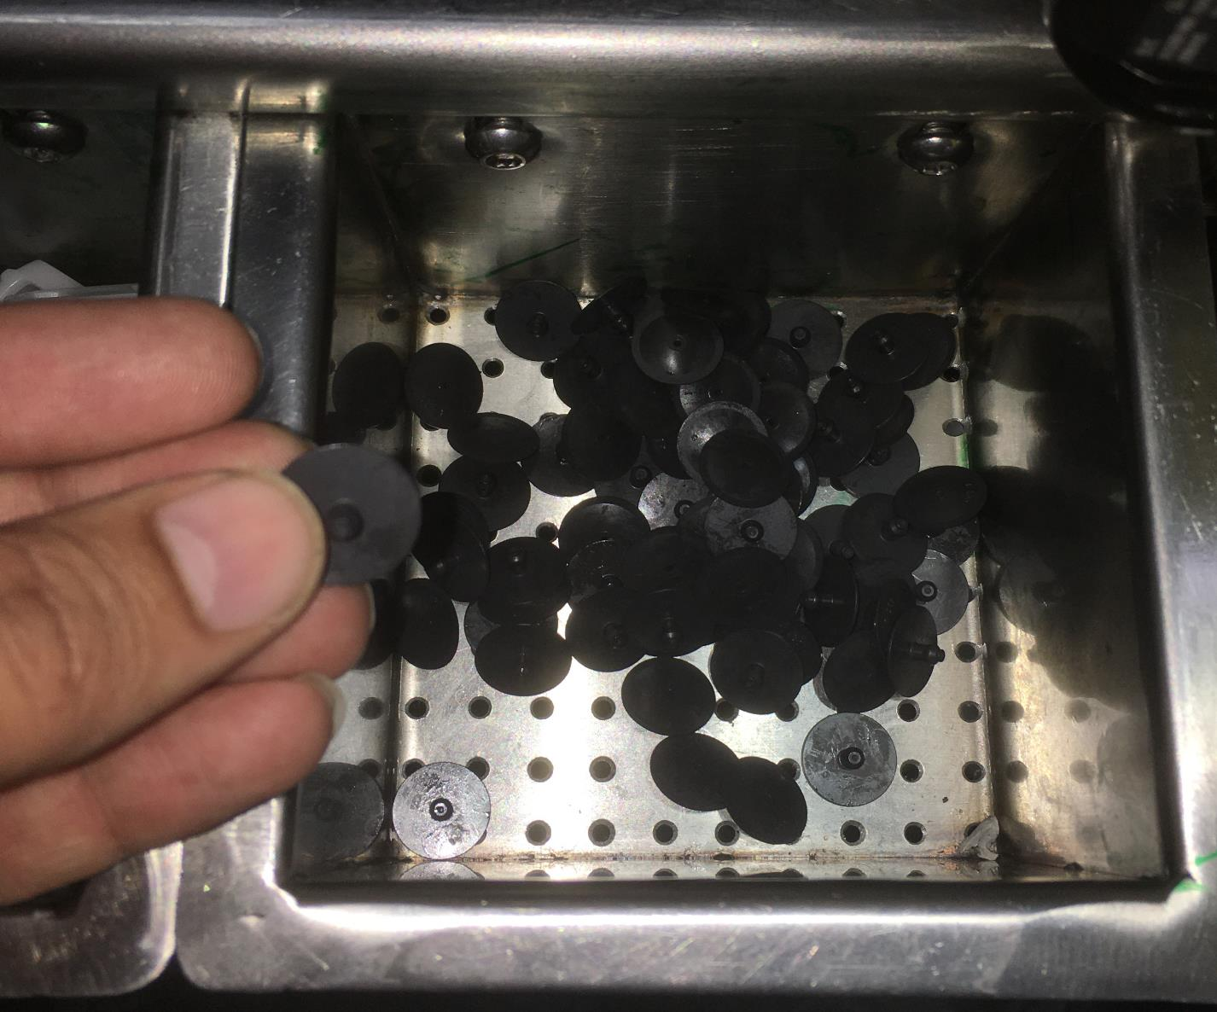 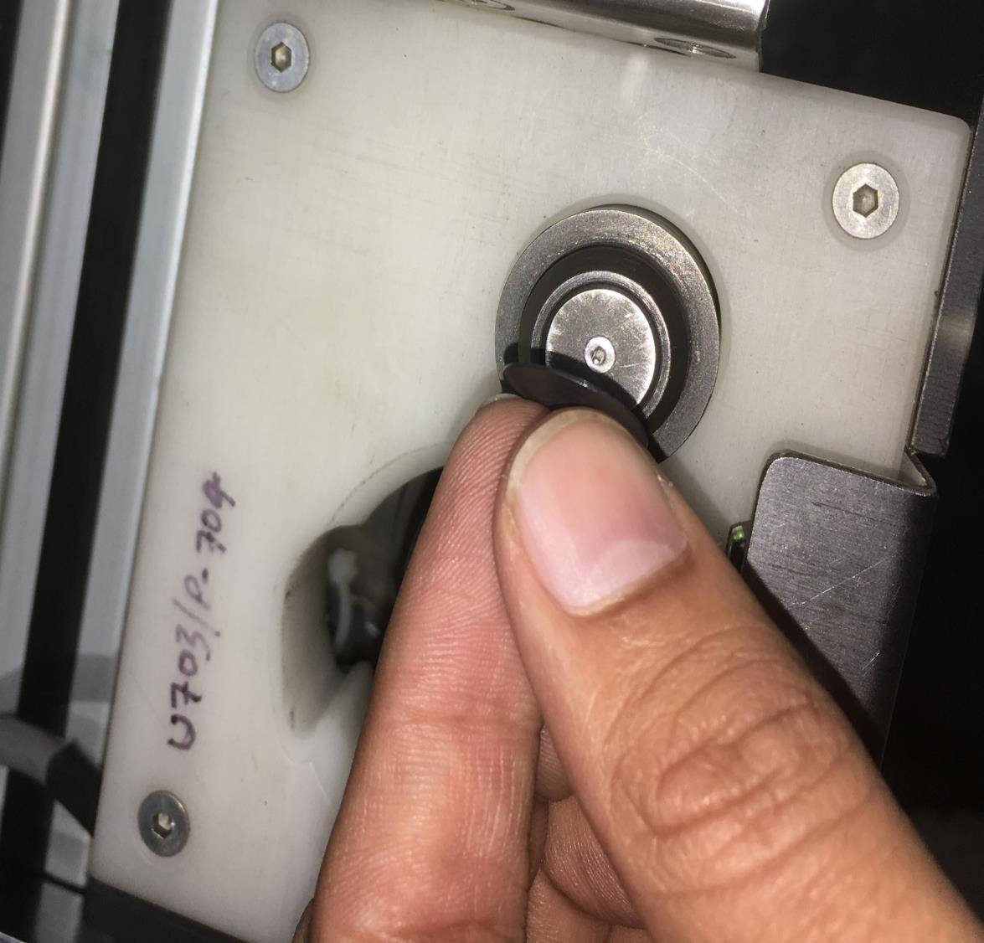 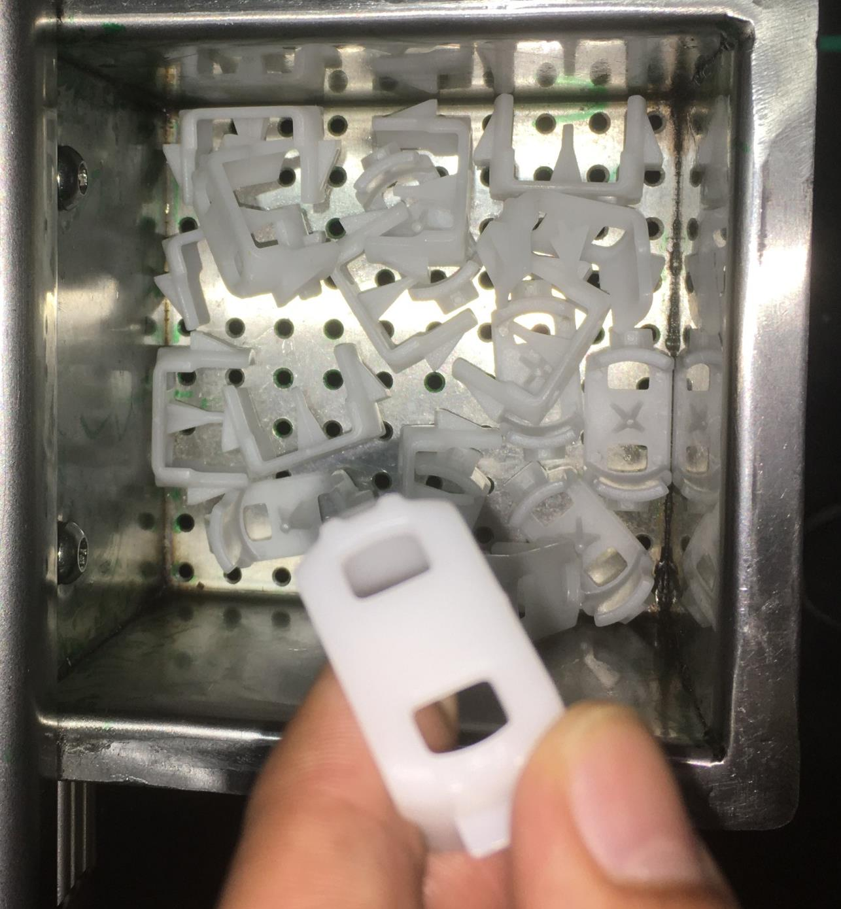 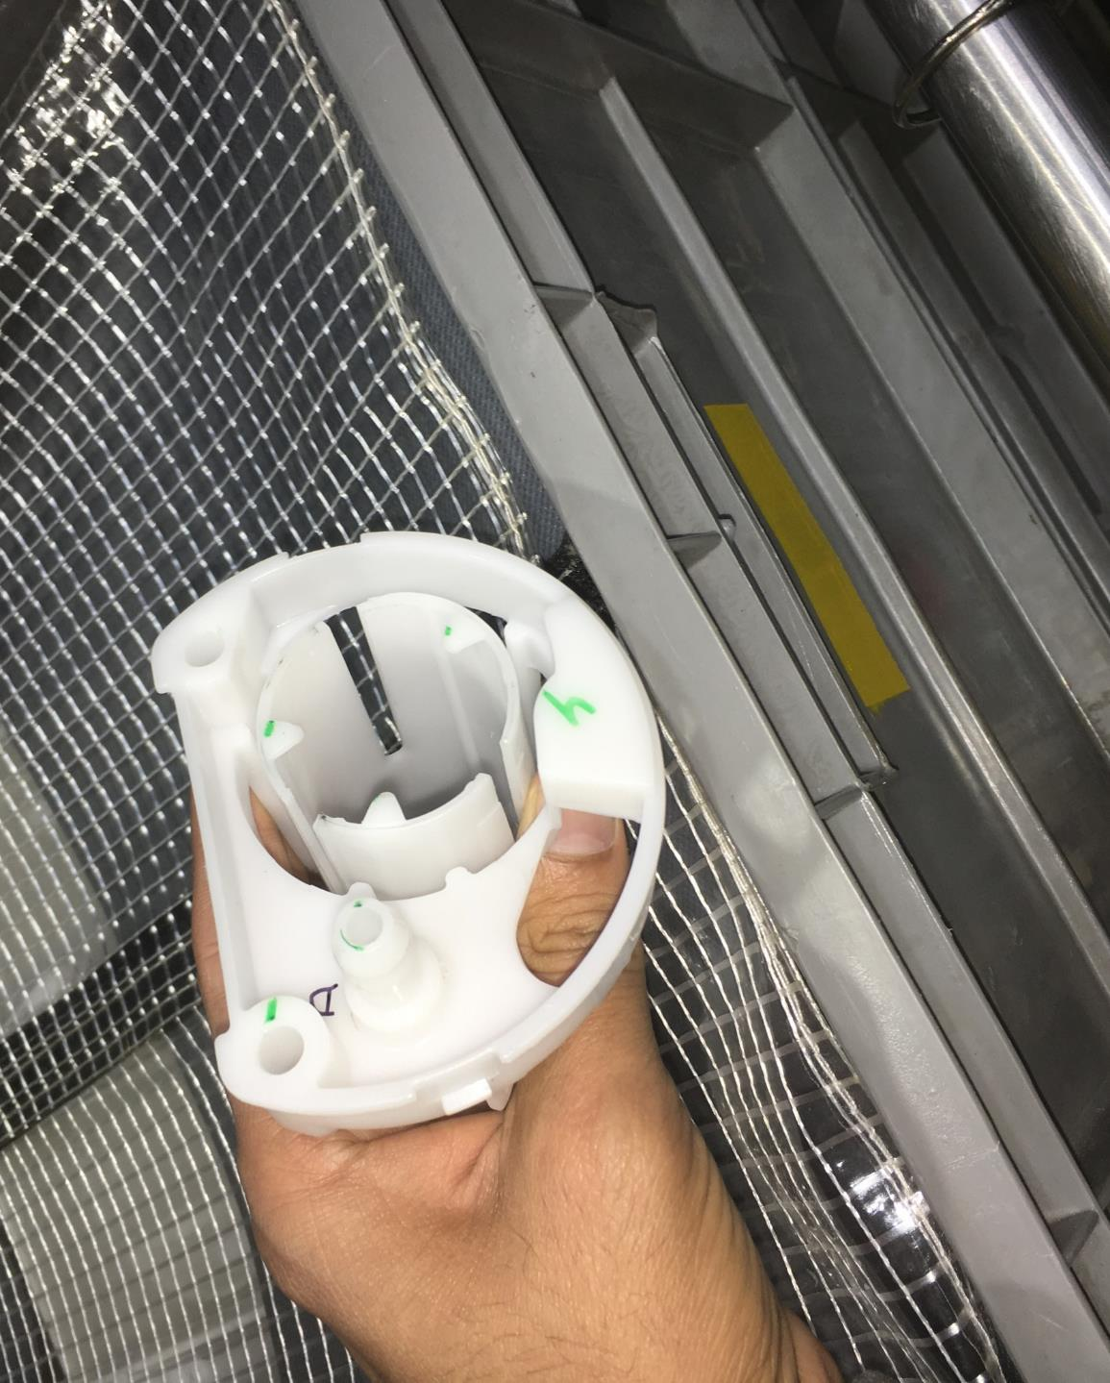 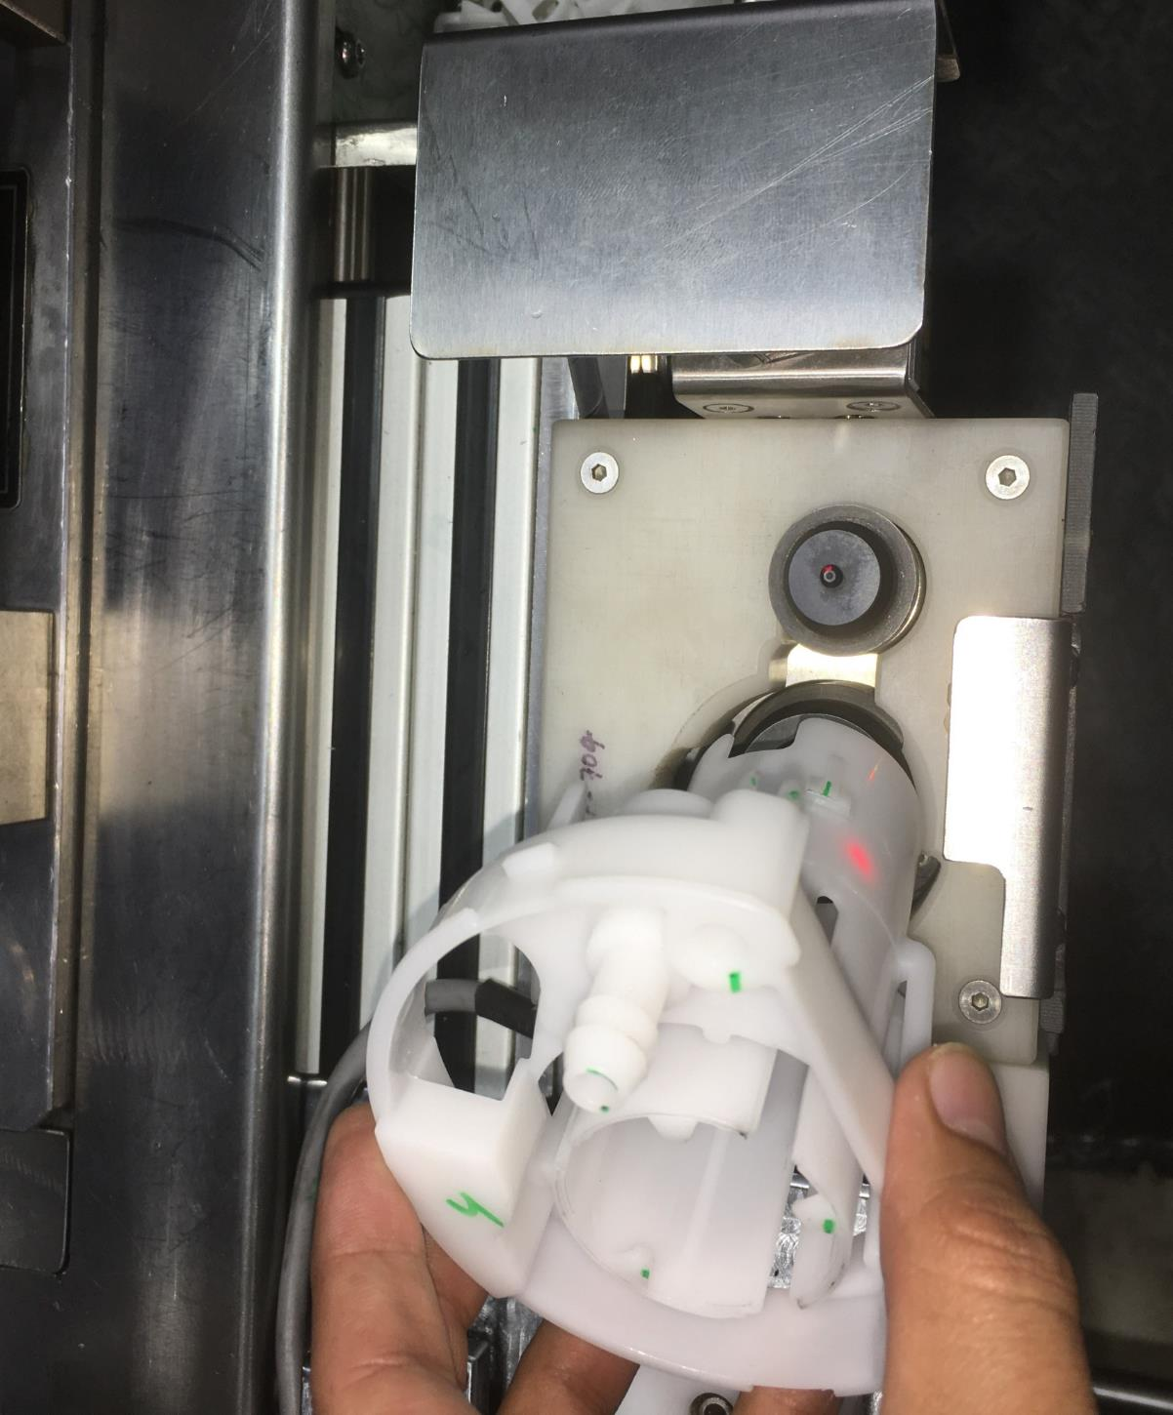 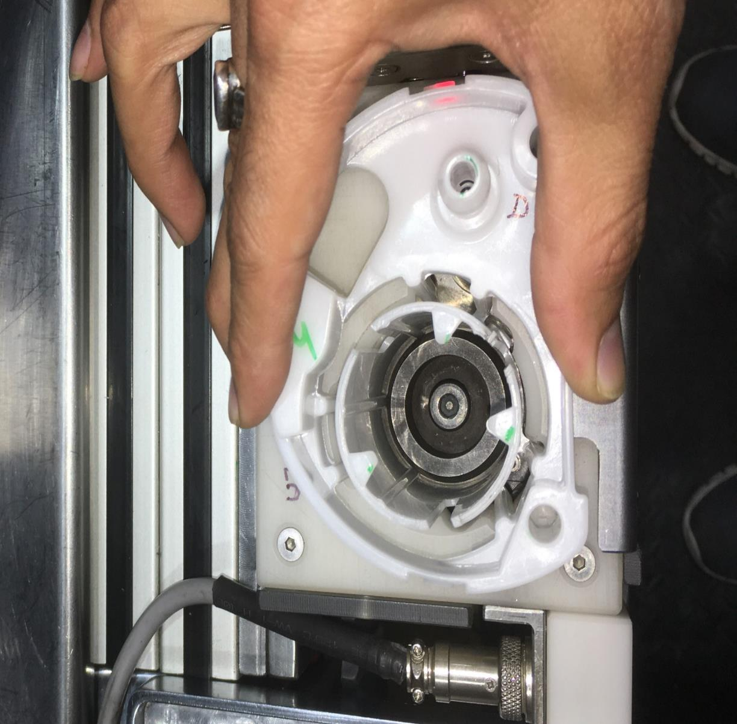 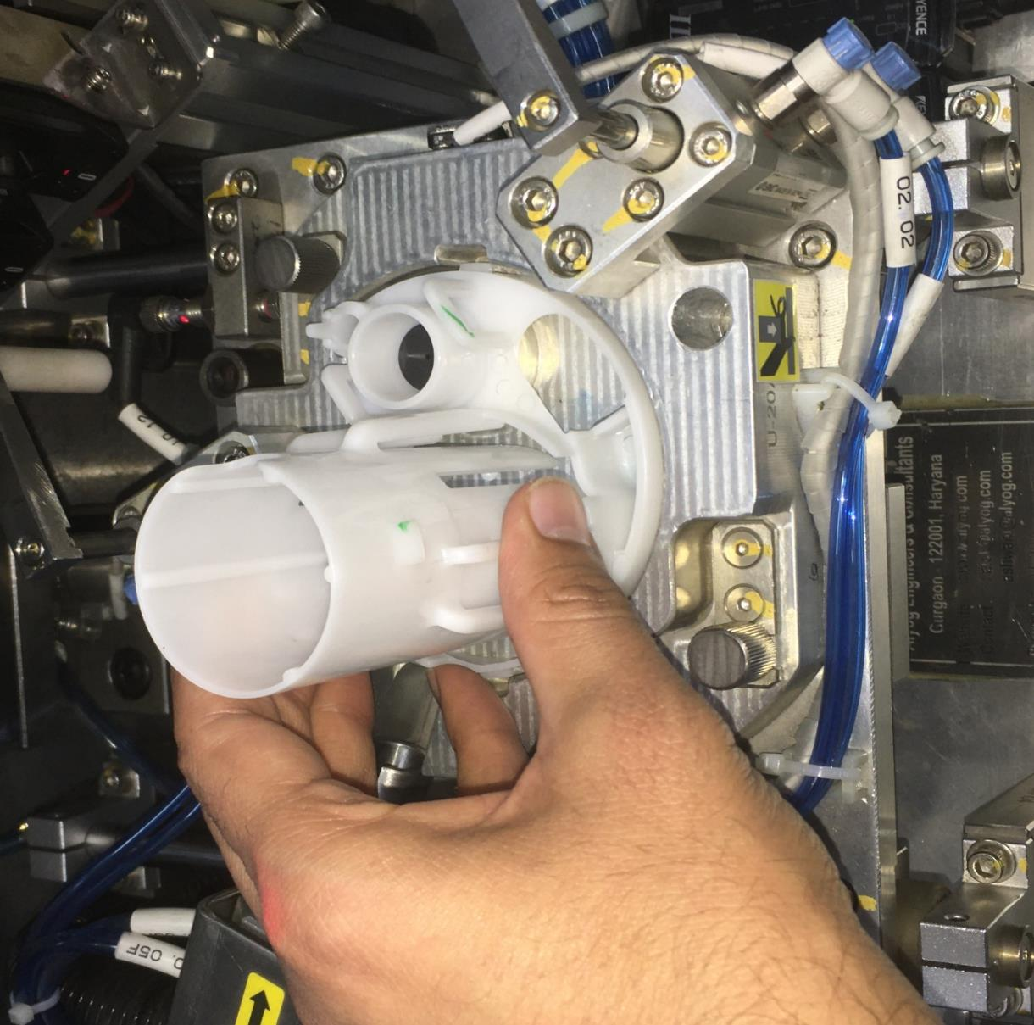 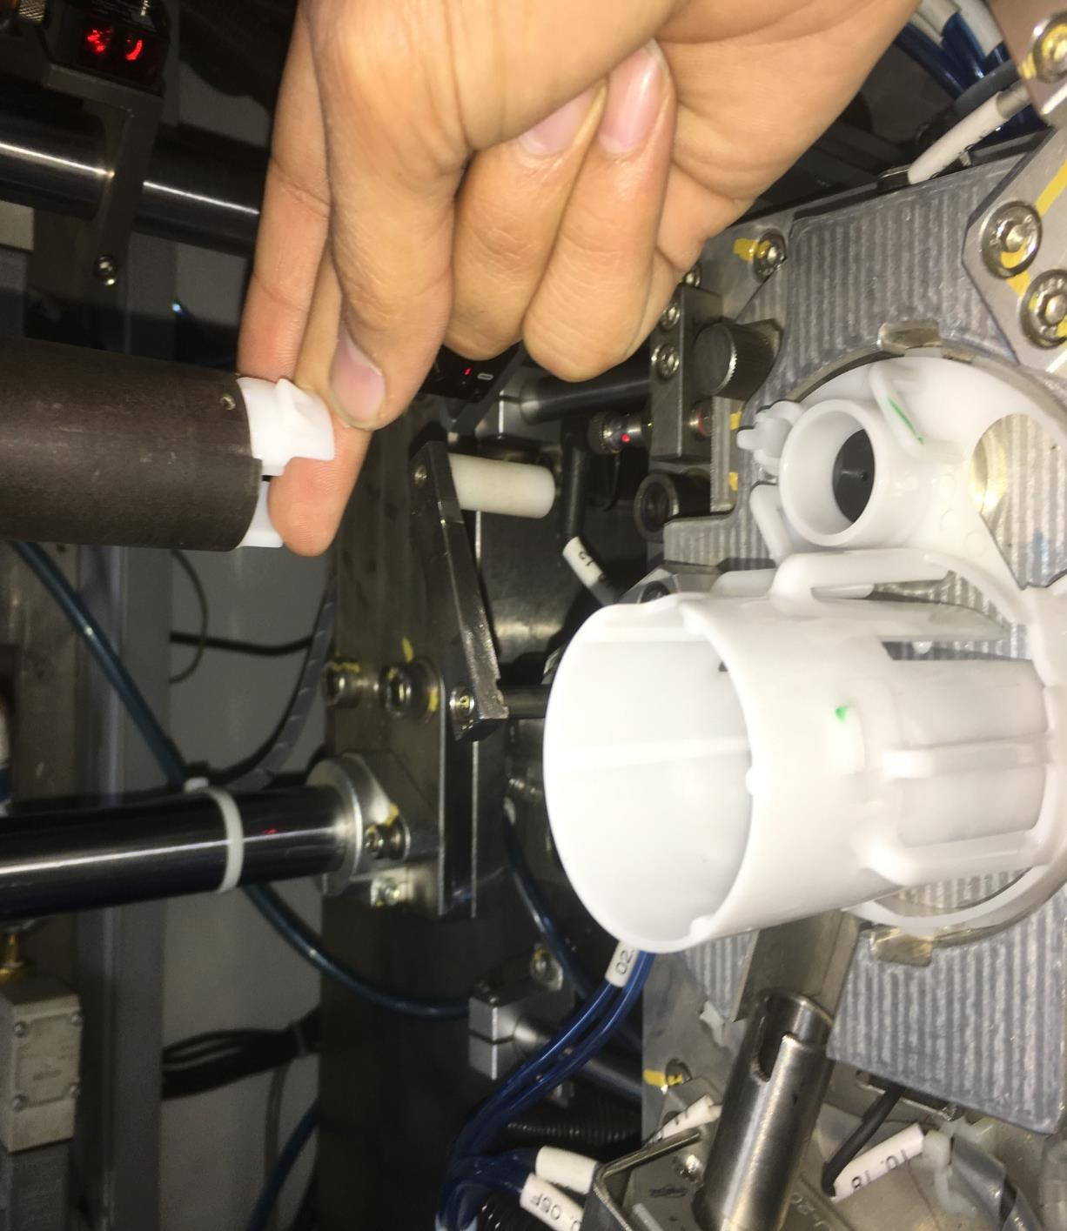 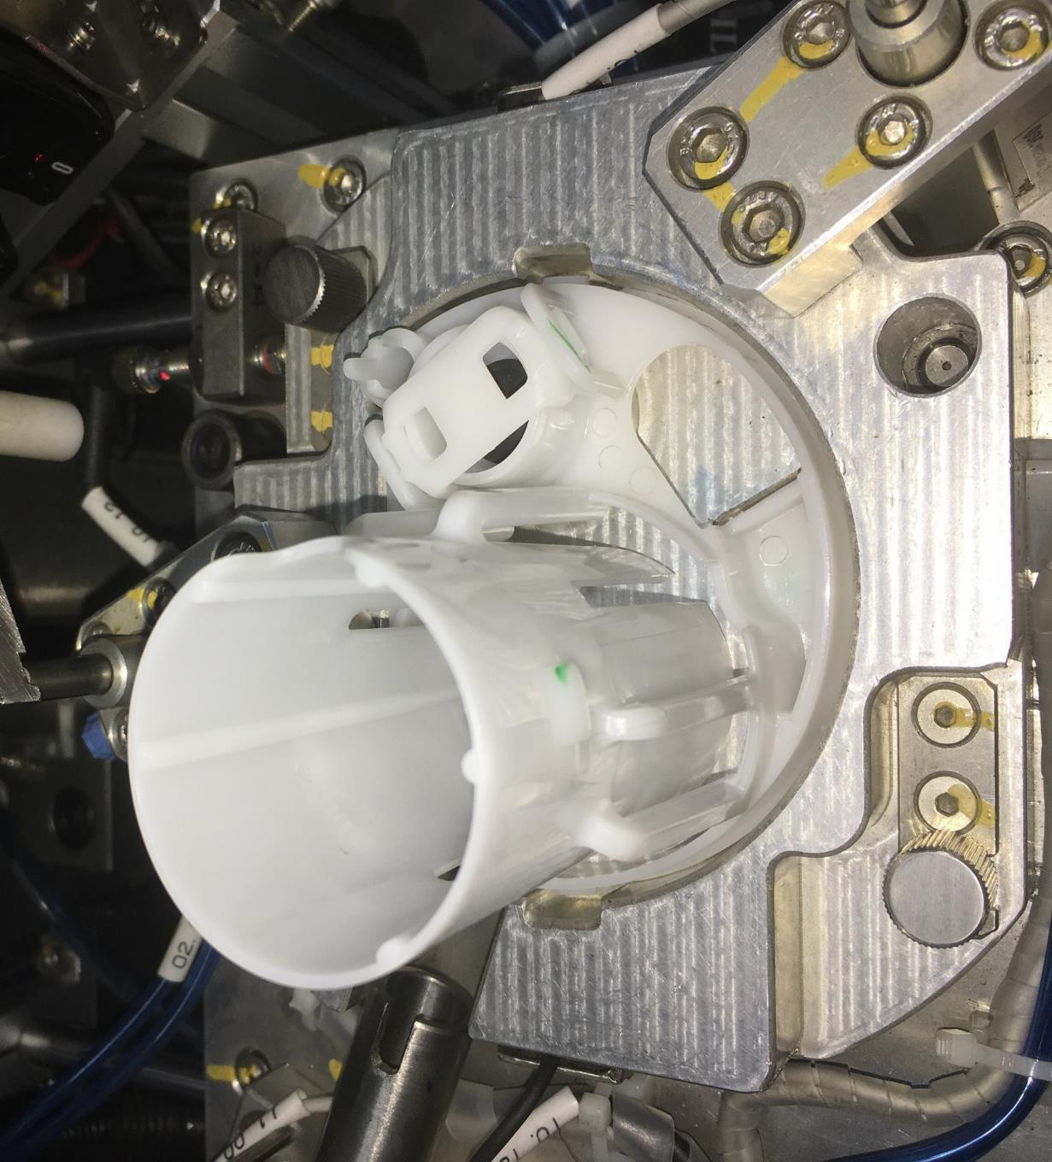 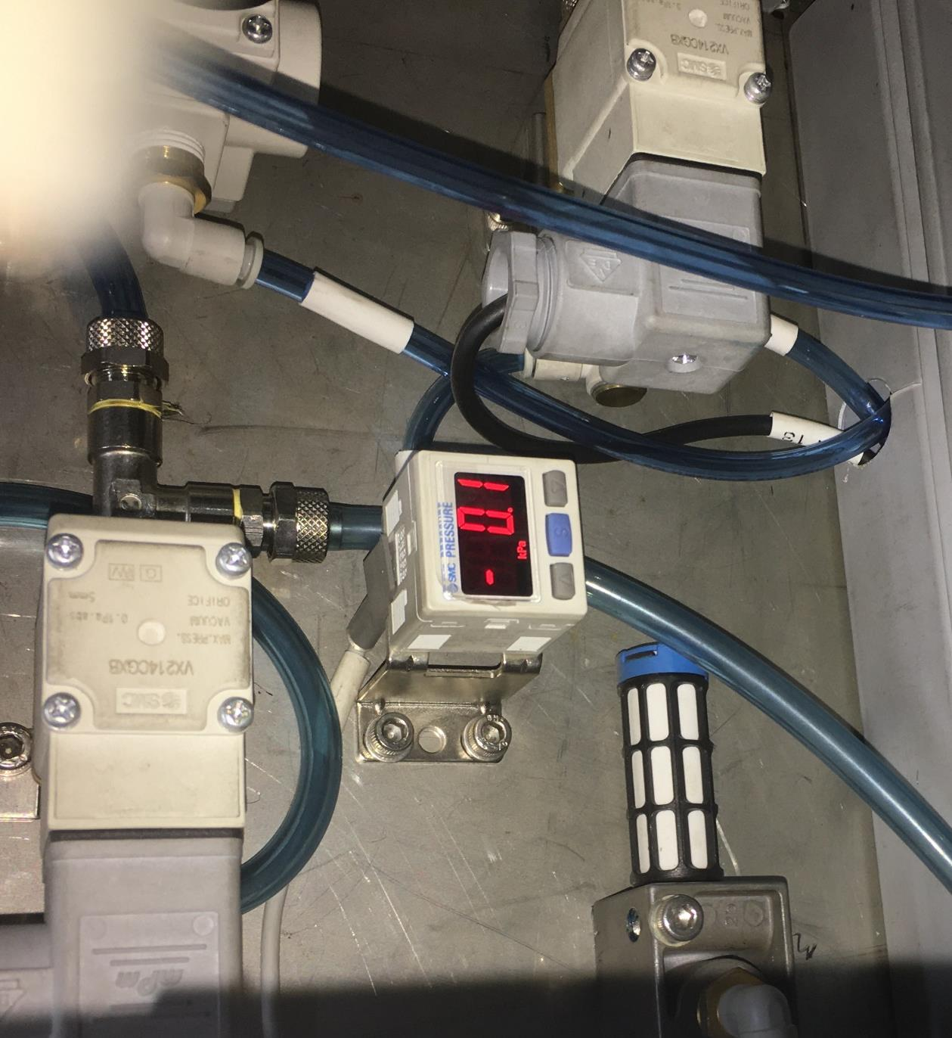 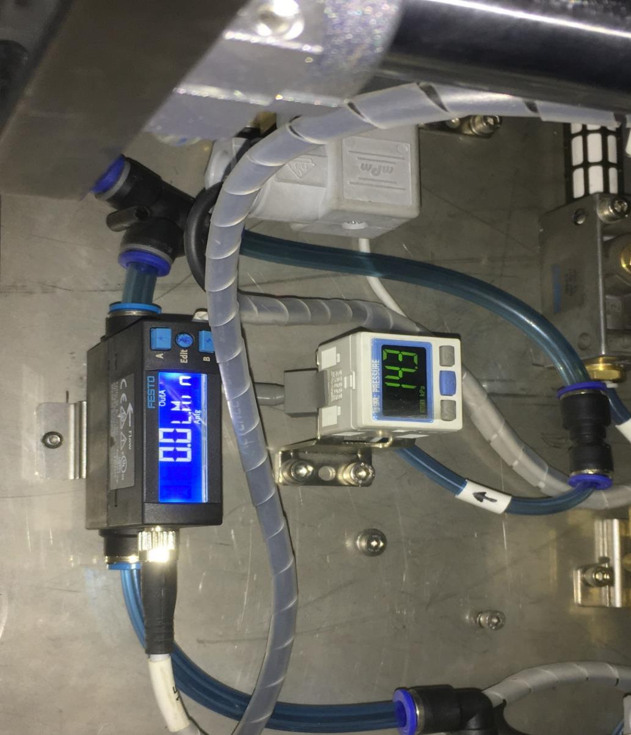 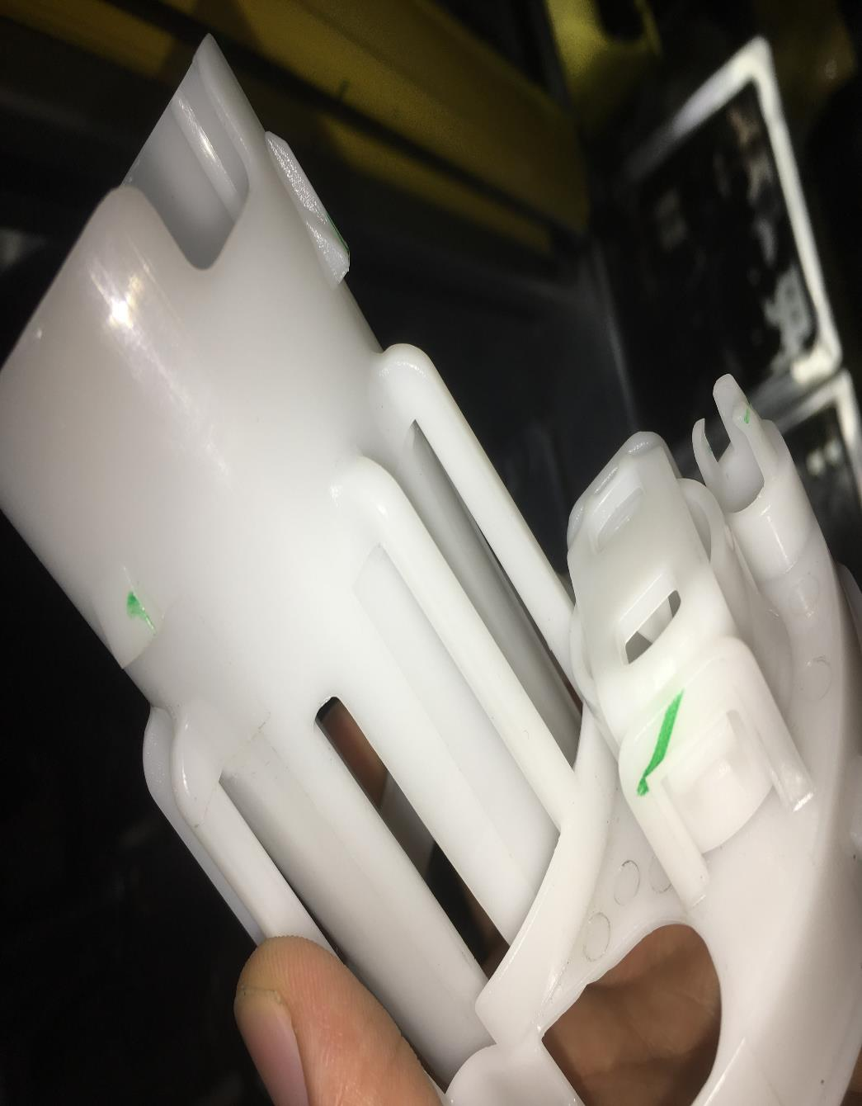 
S. No | Product Characteristics (ड्राइंग में दिया गया है) |  |  | KPC | Product Spec./ Tolerance (पार्ट के माप का विशेष विवरण) | Measuring mode (पार्ट को चैक कैसे करें) | Sample size (कितने पार्ट चैक करने है ) | Frequency (कितनी देर में चैक करना है) | Resp (कौन चैक करेगा) | Control method (प्रोसेस पर नियंत्रण रखने का तरीका) | Reaction plan (प्रोसेस गलत होने पर क्या करें)
1 | Correct UV Clip Part Number |  |  |  | As per Model running (refer master Sample) | visual | Once | Start Of Shift/Every Changover/ | Operator | DVIS(FMA03-DVIS-35-05) | If Non-conforming part is found, place it in reject cotainer and notify team leaderr
2 | Correct Umbrella Valve Part Number |  |  |  | As per Model running (refer master Sample) | visual | Once | Start Of Shift/Every Changover/ | Operator | DVIS(FMA03-DVIS-35-05)
3 | Correct Retainer Part Number |  |  |  | As per Model running (refer master Sample) | visual | Once | Start Of Shift/Every Changover/ | Operator | DVIS(FMA03-DVIS-35-05)
#PIC 4
#PIC 5
#PIC 6
4 | Umbrella Valve Presence Verification |  |  |  | UV Must seal against retainer | Visual / Flow & Vaccum Inspection | Once/100% | Start Of Shift/Every Changover/Every 2 hour. | Operator/Auto Controlled | DVIS(FMA03-DVIS-35-05) / PLC program Interlock | If machine does not detect process notify team leder
5 | Snap lock Verification |  |  |  | Proper Locking of UV Clip with retainer snap window | Laser beam sensor | Once/100% | Start Of Shift/Every Changover | Operator/Auto Controlled | DVIS(FMA03-DVIS-35-05)/EPVS/Machine PLC program Interlock | If sensor does not detect process notify team leder
Process/Set up Parameters
S. No | Process Characteristics (प्रोसेस में चैक करना है) |  |  | KCC | Process Spec./ Tolerance (प्रोसेस के पैरामीटर का विशेष विवरण) | Measuring mode (प्रोसेस को चैक कैसे करें) | Sample size (प्रोसेस में कितने पार्ट चैक करने है) | Frequency (कितनी देर में चैक करना है) | Resp (कौन चैक करेगा) | Control method (प्रोसेस पर नियंत्रण रखने का तरीका) | Reaction plan (प्रोसेस गलत होने पर क्या करें)
#PIC 7
#PIC 8
#PIC 9
1 | Line Pressure |  |  |  | 4.5 - 5.5 bar | Pressure Switch | Once | Start Of Shift/Every Changover | Operator | DVIS | If parameter is out of specification, do not use equipment and notify team leader
2 | UV Vacuum Test range |  |  |  | -35 to '-43 Kpa | Pressure Switch | 100% | Continuous | Auto Controlled | DVIS/ Machine PLC program controlled
3 | UV Flow input Test Pressure |  |  |  | 13±2 Kpa | pressure Switch | Once/Cont. | Every Changeover/Start of Shift/Cont. | Operator/Auto Controlled | DVIS/ Machine PLC program controlled
4 | UV Flow Test Value |  |  |  | 30 to 40 LPM | Flow Meter | 5 pcs/100% | Every Changeover/Start of Shift/Cont. | Operator/Auto Controlled | DVIS/ Machine PLC program controlled
5 | Master Part Verification |  |  |  | NOK1. Verifier rejected OK1. Verifier Accepted | Master Cycle | Once | Every Changeover/Start Of Shift | Auto-Controlled | Machine logic tied with changeover | If machine does not ask for master cycle, inform to team leader
#PIC 10&11
6 | Bin Cleanliness |  |  |  | Should be free from dust and contamination | Visual | Once | Every Changeover of Bin | Operator | Part feeding WI PTGW_5.3_PC_GUR_03 | Infrom supervisor and press alarm button
#PIC 9
#PIC 9
7 | TPM checksheet Verification |  |  |  | As per TPM check-sheet | Visual | Once | Start Of Shift/Every Changeover | Line Leader / Supervisor | TPM check sheet PH/MAINT/FMA-03/018 | If any abnormality, inform to supervisor

JOB ELEMENT SHEET
Work sequence
Safety for operator
Quality checks
Critical process for product
Error proofing
Pic 12
Pic 13
SYM | No. | Major process step |  |  |  |  | key points |  |  | Reason | EP Applicable
 | 1 | Pick up Umbrella Valve from SS tray as shown in pic#1 Umbrella Valve को SS tray से उठाये |  |  |  |  | Correct Umbrella Valve (Part Number As Per Model Running) |  |  | Correct Umbrella valve | Visual Aid
 | 2 | Load Umbrella Valve into the stage 1 nest Pin as shown in pic#2 Umbrella Valve को stage 1 nest Pin में load करें |  |  |  |  | Correct Orientation |  |  | Proper Allignment | Visual Aid
 | 3 | Pick up retainer from bin as shown in pic#3 retainer को bin से उठाये |  |  |  |  | Correct Retainer (Part Number As Per Model Running) |  |  | Component Matches Master Sample | Visual Aid
 | 4 | Load Retainer over umbrella Valve in fixture as shown in pic#4 Retainer को umbrella valve के ऊपर से fixture में लोड करें |  |  |  |  | Correct Orientation |  |  | Proper Allignment | Confirmation Sensor
 | 5 | Push Retainer from top side by hands to assemble umbrella valve in to Retainer as shown in pic#5 Umbrella valve को असेंबल करने के लिए Retainer को ऊपर की तरफ से दबाए |  |  |  |  | 1. No damage to Umbrella Valve 2. Umbrella valve stem has to be fully inserted |  |  | Correct Assembly | Fixture Design
 | 6 | Get UV Clip from SS tray as shown in pic#6 SS Tray से UV Clip उठाये |  |  |  |  | Correct UV Clip (Part Number As Per Model Running) |  |  | Correct UV Clip | Visual Aid
VISUAL AIDS
NG
 | 7 | Insert UV Clip into the Top Tool as shown in pic#7 UV Clip को Top Tool में लगाएं |  |  |  |  | Correct Orientation |  |  | Proper Allignment | Visual Aid
OK
 | 8 | Unload Retainer from nest 1 and load on nest 2 for clip insertion as shown in pic#7 Retainer को Nest 1 से निकालकर nest 2 में लगाएं |  |  |  |  | Correct Orientation |  |  | Proper Allignment
2 no' Snap Lock
only 1 side lock
 | 9 | Activate m/c cycle: Fixture slide in forward direction thenTop Tool press clip into Retainer Pic#8 & then Umbrella Valve test start. M/c cycle activate करें : fixture forward direction में slide करेगा Top tool UV Clip को Retainer में press करेगा और उसके बाद Umbrella Valve टेस्ट स्टार्ट होगा |  |  |  |  | Umbrella valve presence |  |  | Umbrella Valve working | Flow and Vacuum Inspection
 |  |  |  |  |  |  | UV Clip Snap Lock |  |  | Tabs Fully engaged | Laser beam sensor
 | 10 | Automatic :Slide Return to home condition for unloading . Automatic :slider वापस आएगा, part unloading के लिए |  |  |  |  | No broken/damaged tabs UV Clip snap fully locked the Retainer |  |  | Tabs Fully engaged | Visual Aid
 | 11 | Unload sub assy.from nest & do visual inspection sub assy. को unload करें और उसका visual inspection करें |  |  |  |  | No damaged/dropped parts |  |  | Good part verification
Unplanned Interruption Action: If any child part or sub assy fallen down on floor or there is electricity , or any other unplanned break down in between part processing. Take out part from machine & put it into rejection box.
 | 12 | Scrap Rejected Part. Load into Properly Identified scrap Bin. as shown in pic#10 rejected part को reject chute में डालें |  |  |  |  | Proper Handling of Part |  |  | Reject Part Verification | Reject chute interlocked sensor
 | 13 | Move acceptable part to WIP. As shown in pic#11 acceptable part को WIP में रखें |  |  |  |  | No Damage/Drop Parts |  |  | Drop part policy | WIP Design

 |  |  |  |  | Prepared By : Sandeep Yadav
 |  |  |  |  |  |  |  |  |  |  |  | Approved By : Deepak Verma

