Sheet1
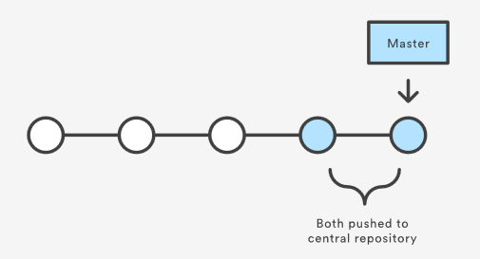
Like SVN | Centralized Workflow
single users |  | master | default development branch
 |  | origin | created on cloning repo. Origin refers to the parent repo.
 | git clone ssh://user@host/path/to/repo.git
 | git status
 | git add/rm <files>
 | git commit -m "****"
 | git push origin master
 | If Updates were rejected…… --> | git pull --rebase origin master
 |  | git status
 |  | If Unmerged paths…. --> | git add/rm <files>
 |  |  | git rebase --continue
 |  |  | If you have no clue what to do…. --> | git rebase --abort
 |  |  | git push origin master

1-3 developers | Feature Branch Workflow
 |  | master | master never contains broken code!!
 |  | <feature1-branch> | Code review BEFORE pulling features into master
 |  | <feature2-branch>
 |  | <featureN-branch>
 | git clone ssh://user@host/path/to/repo.git
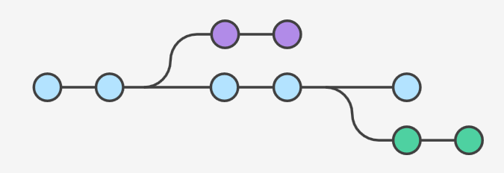
 | git checkout -b <feature1-branch> git checkout <feature1-branch> | Request creating a new branch with -b or if branch is already created, then do not use -b
 | git branch -v | Show which branch you are working on.

 | git status
 | git add/rm <files>
 | git commit
 | git push -u origin <feature1-branch>
 | When done with feature, send pull request to team --> | git push
 |  | Review code by 3rd party --> | git checkout <feature1-branch>
 |  |  | Make changes as needed, then publish --> 1) ensure master up to date. 2) pull new feature into master | git checkout master
 |  |  |  | git pull
 |  |  |  | git pull origin <feature1-branch>
 |  |  |  | git push

Larger projects | Gitflow Workflow | Same as Feature Branch Workflow except roles are assigned to feature branches.
 |  | master | master contains abridged version with TAGS. | Tag with version number
 |  | hotfix (short lived) | Only branch forked directly from master | Make fix, merge into master, and version up.
 |  | release (short lived)
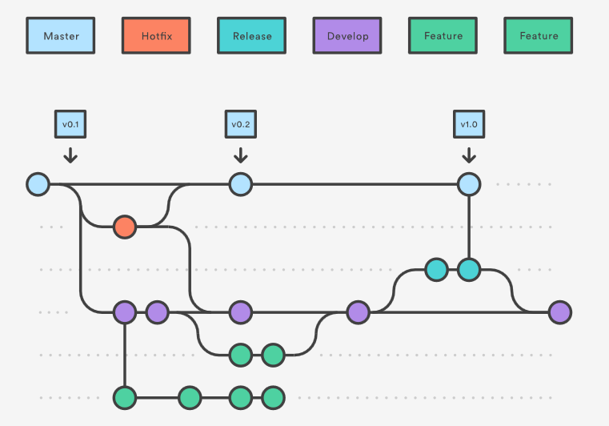
 | One time setup | develop | develop contains all history of project.
 | git branch develop
 | git push -u origin develop
 | Each Developer
 | git clone ssh://user@host/path/to/repo.git
 | git checkout -b develop origin/develop git checkout develop origin/develop
 | Developer works on feature
 | git checkout -b <feature> develop | <feature1>
 | git status | <feature2>
 | git add/rm <files> | <featureN>
 | git commit -m "*****"
 | Finish feature ->> Merge <feature> to develop branch Delete <feature> branch AFTER you verify merge worked. | git pull origin develop
 |  | git checkout develop
 |  | git merge --no-ff <feature>
 |  | git push
 |  | Conflicts ?? --> | Same as Centralized Workflow
 |  | git branch -d <feature>

 |  | Ready to release?? --> | git checkout -b release-<#.#> develop | Feature frozen
 |  |  | Update documents, test, and prepare for release
 | Found a Bug!! Checkout from master. |  | Release -> | git checkout master
 | git checkout -b issue-<####> master |  |  | git merge --no-ff release-<#.#>
 | Fix the bug and merge fix to master and tag. |  |  | git push
 | git checkout master |  |  | git checkout develop
 | git merge --no-ff issue-<####> |  |  | git merge --no-ff release-<#.#>
 | git push |  |  | git push
 | git tag -a <#.#.####> -m "********" master |  |  | git branch -d release-<#.#>
 | git push --tags |  |  | git tag -a <#.#> -m "********" master
 | Update develop branch if no release branch exists |  |  | git push --tags
 | git checkout develop |  |  | Done
 | git merge --no-ff issue-<####>
 | git push
 | git branch -d issue-<####>
 | Update release branch if release branch exists
 | git checkout release-<####>
 | git merge --no-ff issue-<####>
 | git push
 | git branch -d issue-<####>
 | When release is complete, it will push to develop.

