Sheet1
Order | Category | App Location | Priority | Severity | LOE | Effects | Description | Solution | Image
1 | Bug | Mobile | High | Critical | 8 |  | Login does not work | Mike | No image
2 | Bug | Reaction Dialog | Medium | High | 5 | Mike | Incorrect location displayed | Mike | 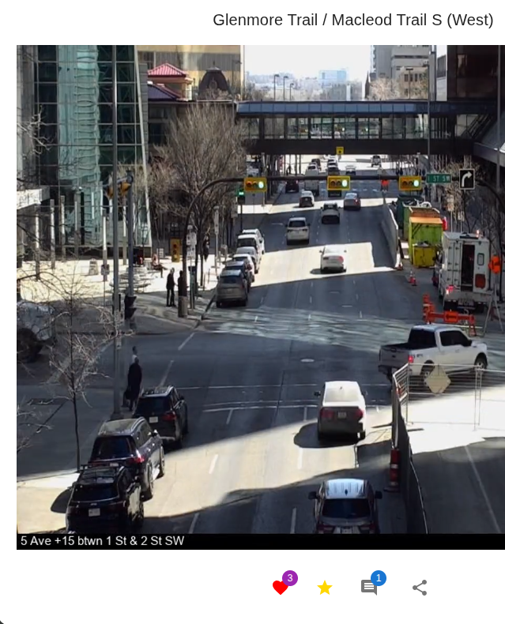
3 | Bug | All video views | Medium | Medium | 5 |  | Blank videos (Related to 4?) | Mike | 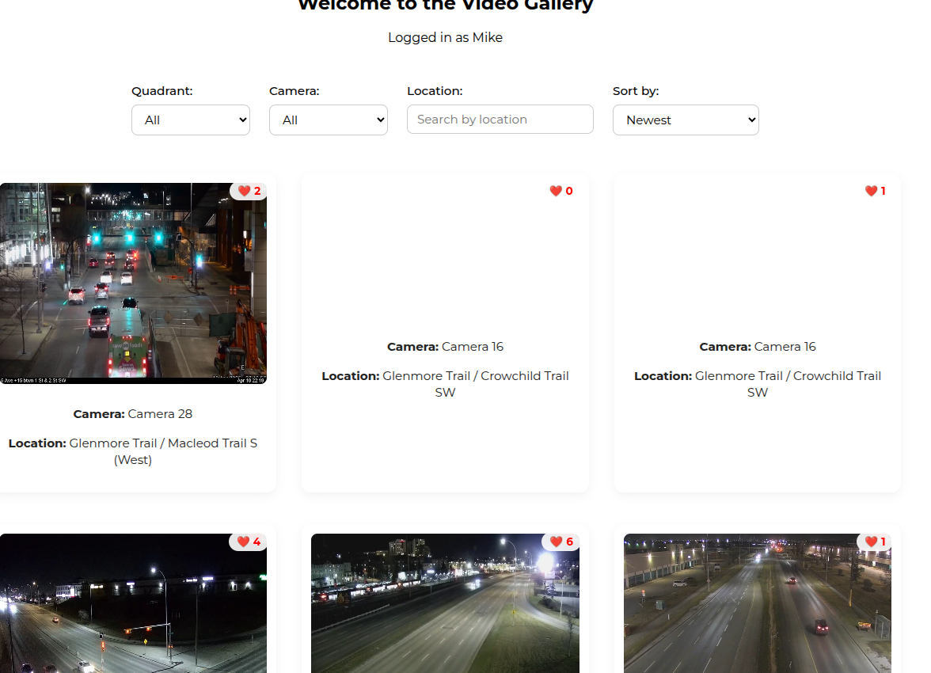 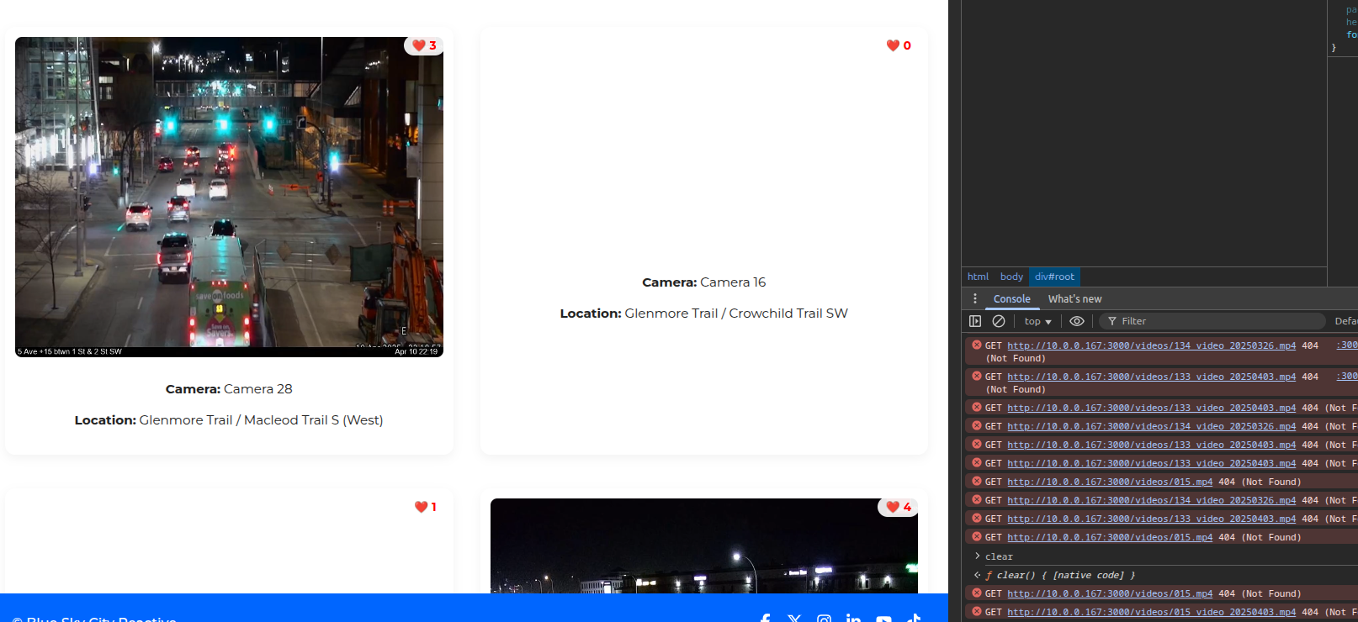
4 | Bug | Everywhere | Medium? | Uncertain | 5 |  | Many 404 for videos (Related to 3?) | Mike | 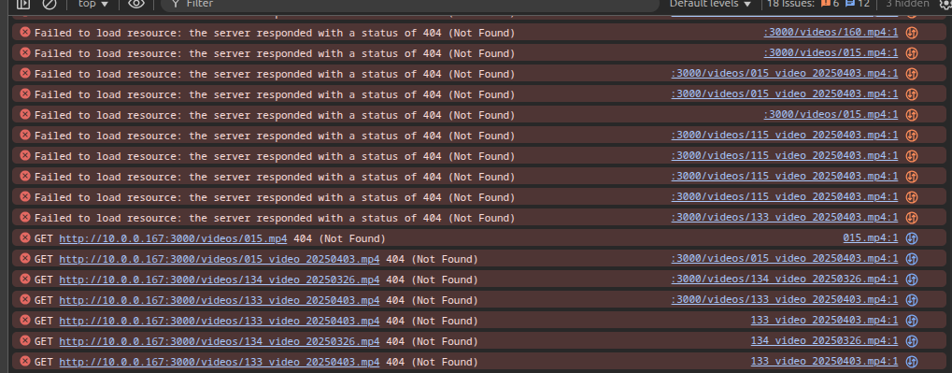
5 | Tweak | Frontpage | High | Low | 3 |  | Forntpage to display highest ranking videos | Fake It? After rename: top three to be 032_20250411T041956937Z.mp4 089_20250411T041955185Z.mp4 132_20250402T18350000Z.mp4 | No image
5 | Tweak | Tab | Low |  | 1 |  | Fix favicon | Mike | 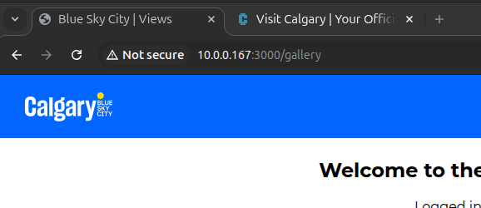
6 | Tweak | Mobile | Low |  |  |  | Menu spacing |  | 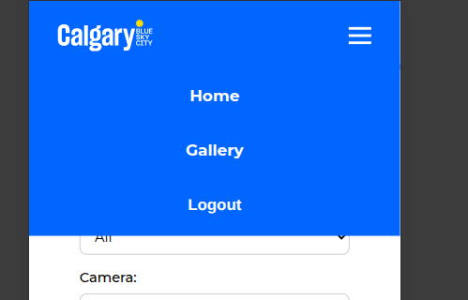
7 | Tweak | Camera list in Gallery | Low |  |  |  | Sort order |  | 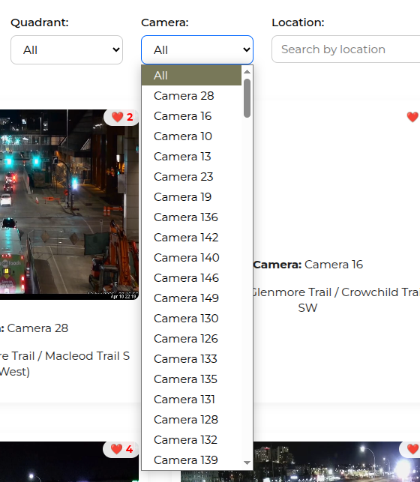
8 | Tweak | Social Media Icons and Links | Low |  |  |  | Not consistent on pages and reaction dialog |  | 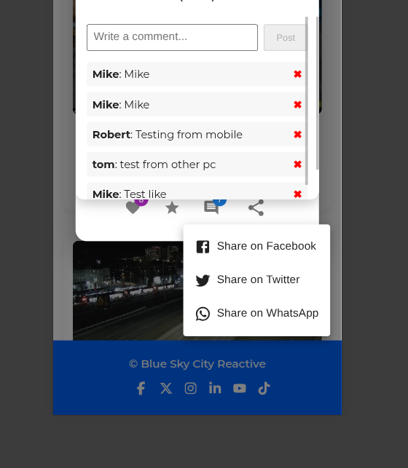
9 | Tweak | Mobile Frontpage | Low |  |  |  | Display does not scroll to bottom of video stack |  | 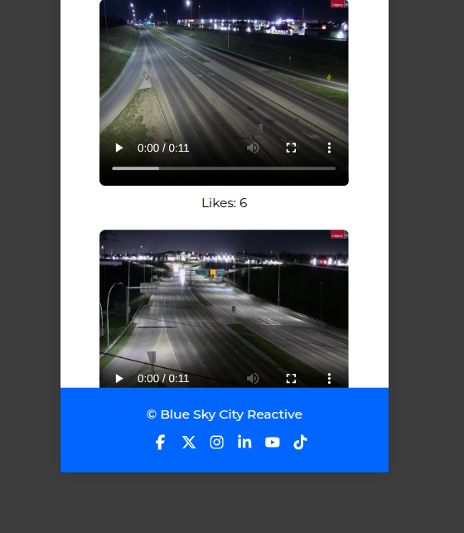
10 | Tweak | Reaction dialog | Low |  |  |  | Add close button |  | 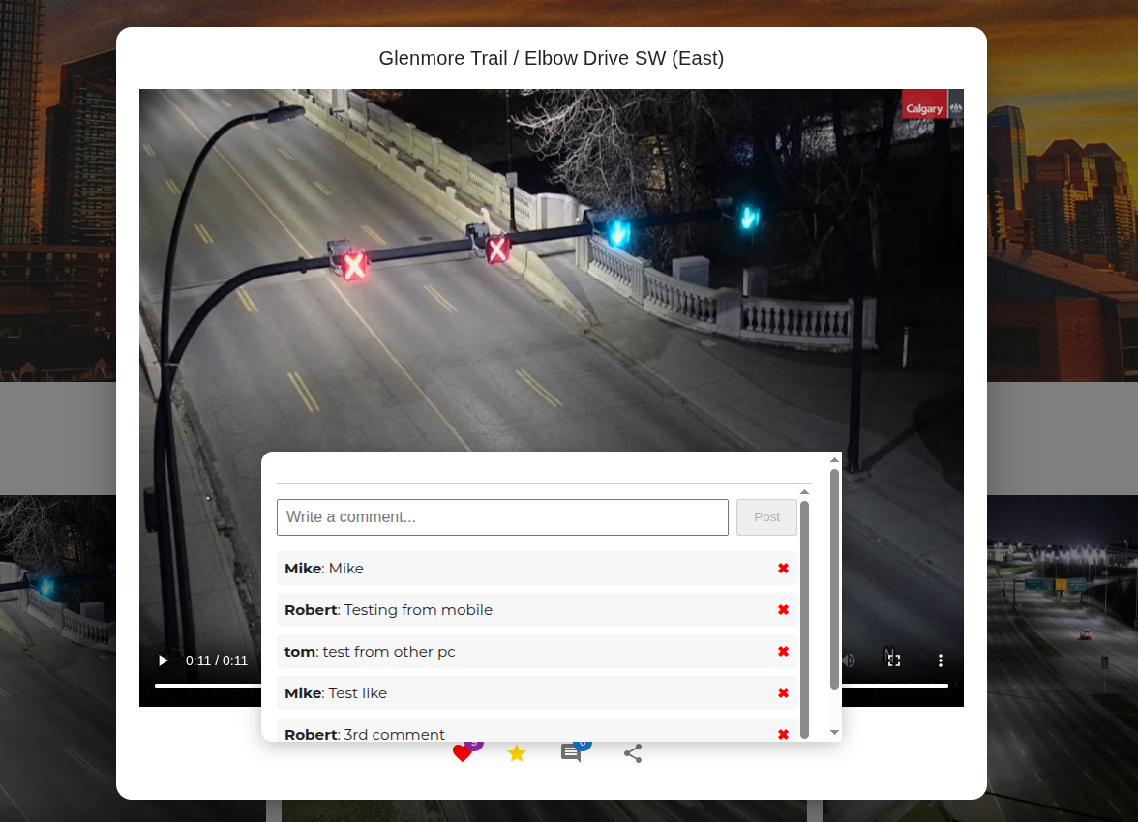
11 | Tweak | Frontpage | Low |  |  |  | Show Likes count and Star icon | 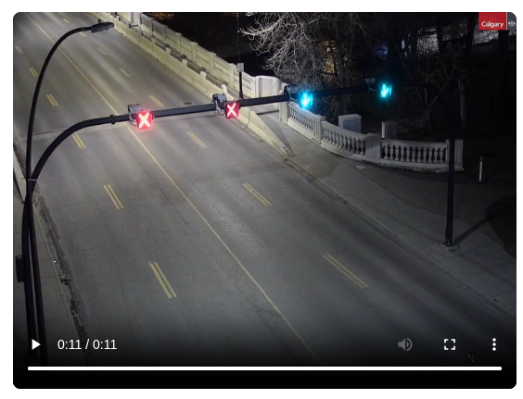
12 | Tweak | Everywhere | Low |  |  |  | Make subheadings yellow for contrast | 
13 | Tweak | Everywhere | Low |  |  |  | Select better images |  | See above
14 | Tweak | Frontpage | Medium |  |  |  | Add instructions to popout on hover or menu |  | No image
15 | Tweak | Frontpage | Low |  |  |  | Change "Top 3 Most Liked Videos" to "Top Videos" |  | No image
16 | Tweak | Frontpage | Low |  |  |  | Display entire page by default | Workaround: F11

