Sheet1
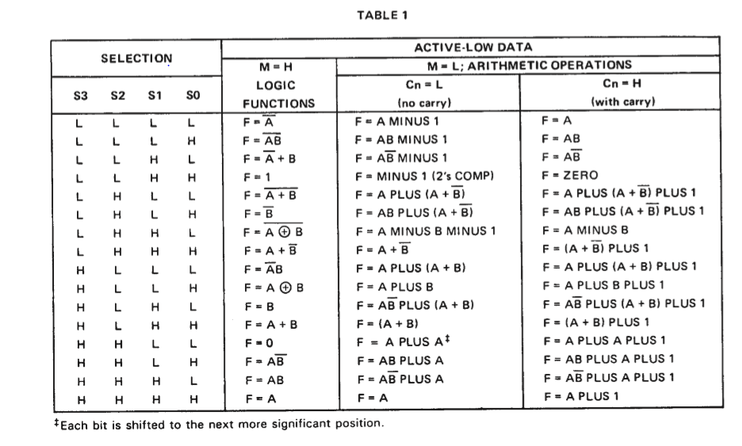
OPCODE |  |  |  |  | CODE | Operation | ALU | ALU Control
 | OPcode 3 | OPcode 2 | OPcode 1 | OPcode 0 |  |  | Operation | S3 | S2 | S1 | S0 | M | Cn | RegDST | ALUSrc | MemtoReg | RegWrite | MemRead | ALUOP | MemWrite | Branch | Jump
 | 0 | 0 | 0 | 1 | H | ori | OR | 1 | 0 | 1 | 1 | 1 | 0 | 0 | 1 | 0 | 1 | 0 | 0 | 0 | 0 | 0
 | 0 | 0 | 1 | 0 | I | lw | ADD | 1 | 0 | 0 | 1 | 0 | 0 | 0 | 1 | 1 | 1 | 1 | 0 | 0 | 0 | 0
 | 0 | 0 | 1 | 1 | J | sw | ADD | 1 | 0 | 0 | 1 | 0 | 0 | X | 1 | X | 0 | 0 | 0 | 1 | 0 | 0
 | 0 | 1 | 0 | 0 | K | beq | SUB | 0 | 1 | 1 | 1 | 0 | 0 | X | 0 | X | 0 | 0 | 0 | 0 | 1 | 0
 | 0 | 1 | 0 | 1 | D | subi | SUB | 0 | 1 | 1 | 1 | 0 | 0 | 0 | 1 | 0 | 1 | 0 | 0 | 0 | 0 | 0
 | 0 | 1 | 1 | 0 | F | andi | AND | 1 | 1 | 1 | 0 | 1 | 0 | 0 | 1 | 0 | 1 | 0 | 0 | 0 | 0 | 0
 | 0 | 1 | 1 | 1 | C | addi | ADD | 1 | 0 | 0 | 1 | 0 | 0 | 0 | 1 | 0 | 1 | 0 | 0 | 0 | 0 | 0
 | 1 | 0 | 0 | 0 | A | add | ADD | 1 | 0 | 0 | 1 | 0 | 0 | 1 | 0 | 0 | 1 | 0 | 0 | 0 | 0 | 0
 | 1 | 0 | 0 | 1 | B | sub | SUB | 0 | 1 | 1 | 1 | 0 | 0 | 1 | 0 | 0 | 1 | 0 | 0 | 0 | 0 | 0
 | 1 | 0 | 1 | 0 | G | or | OR | 1 | 0 | 1 | 1 | 1 | 0 | 1 | 0 | 0 | 1 | 0 | 0 | 0 | 0 | 0
 | 1 | 0 | 1 | 1 | L | j | X | X | X | X | X | X | X | X | X | X | 0 | 0 | 0 | 0 | X | 1
 | 1 | 1 | 0 | 0 | E | and | AND | 1 | 1 | 1 | 0 | 1 | 0 | 1 | 0 | 0 | 1 | 0 | 0 | 0 | 0 | 0

