Blocks
Initial Point
X coordinate | Y coordinate | Width | Height | Here, the initial point is the lower left corner of the rectangle.
29 | 14 | 1 | 1 | So, the first rectangle has the following coordinates:
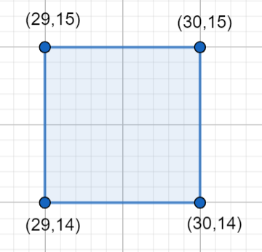
18 | 42 | 1 | 3
37 | 20 | 3 | 3
24 | 9 | 1 | 3
16 | 41 | 3 | 1
43 | 45 | 3 | 1
40 | 20 | 2 | 2
25 | 6 | 2 | 3
29 | 12 | 1 | 1
27 | 19 | 2 | 3
10 | 27 | 3 | 1
14 | 12 | 2 | 2
22 | 28 | 2 | 2
11 | 33 | 1 | 3
38 | 10 | 2 | 3
9 | 6 | 2 | 3
11 | 14 | 3 | 3
8 | 15 | 2 | 2
11 | 20 | 2 | 3
20 | 23 | 3 | 1

