Proj1-6
Project 1 : |  |  |  | (//To Do : add Linq)(//To Do : Print the results using lambda expression)
 | Refer to project 01LinqToEntity : Lists have been created for you already.

 |  |  |  | 1) selects all rows from both lists with type "DeliveryRoutes_DetailBoardCode " and type "DeliveryRoutes_PiecesContainer " as long as there is a match between the property in both List with below condition. -- DeliveryRoutes_DetailBoardCode <PartNumber, ContainerType> = DeliveryRoutes_PiecesContainer <PartNumber, ContainerType>. 2) Then, returns all rows from above query result with the matching rows in the List with type "PFEP_Master". The result is NULL in the "PFEP_Master" when there is no match with below condition -- PFEP_Master.PartNumber = DeliveryRoutes_DetailBoardCodes.PartNumber 3) Use Linq to Entity query for and create the result with the type " KanbanDTO". Then print the results to the form.

 |  |  | public class KanbanDTO
 |  |  | {
 |  |  | /// DeliveryRoutes_DetailBoardCodes.PartNumber
 |  |  | public string PartNumber { get; set; }
 |  |  | /// DeliveryRoutes_DetailBoardCodes.BoardCode
 |  |  | public string BoardCode { get; set; }
 |  |  | /// DeliveryRoutes_DetailBoardCodes.ContainerType
 |  |  | public string ContainerType { get; set; }
 |  |  | /// DeliveryRoutes_PiecesContainer.Quantity
 |  |  | public decimal Quantity { get; set; }
 |  |  | /// PFEP_Master.UoM
 |  |  | public string UoM { get; set; }
 |  |  | /// PFEP_Master.Description
 |  |  | public string Description { get; set; }
 |  |  | }

 |  | Results should be as below :
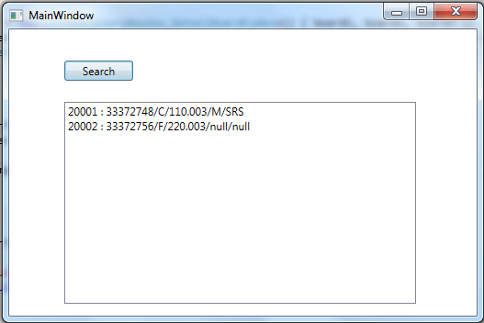

Project 2 : |  |  |  | (//To Do : Add interface IMemberExpression and implementation class for the interface as MemberExpression)
 | Refer to project 02CodeCompletion
 |  | Modify the code to generate below resul using the fluent interface
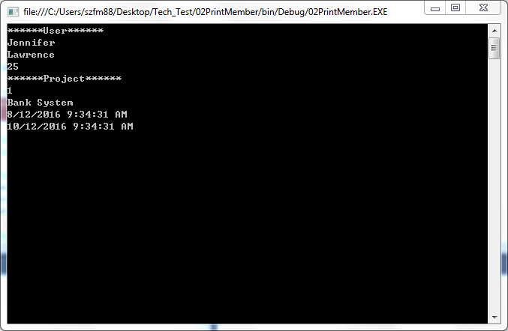

Project 3:
 | Refer to project 03Asynchronous
 |  | The start_click event is working synchronously now, please improve the implementation to work asynchronously
 |  | so that when user clicks the button multi times, the Main UI thread will not be blocked.

Project 4:
 | 合并两个有序链表
 | 将两个升序链表合并为一个新的 升序 链表并返回。新链表是通过拼接给定的两个链表的所有节点组成的。
 | 示例：

 | 输入：1->2->4, 1->3->4
 | 输出：1->1->2->3->4->4

 | /**
 | * Definition for singly-linked list.
 | * public class ListNode {
 | * int val;
 | * ListNode next;
 | * ListNode() {}
 | * ListNode(int val) { this.val = val; }
 | * ListNode(int val, ListNode next) { this.val = val; this.next = next; }
 | * }
 | */

 | class Solution {
 | public ListNode mergeTwoLists(ListNode l1, ListNode l2) {

 | }
 | }

Project 5:
 | Employee 表包含所有员工信息，每个员工有其对应的工号 Id，姓名 Name，工资 Salary 和部门编号 DepartmentName 。

 | +----+-------+--------+--------------+
 | | Id | Name | Salary | DepartmentName |
 | +----+-------+--------+--------------+
 | | 1 | Joe | 85000 | IT |
 | | 2 | Henry | 80000 | Sales |
 | | 3 | Sam | 60000 | Sales |
 | | 4 | Max | 90000 | IT |
 | | 5 | Janet | 69000 | IT |
 | | 6 | Randy | 85000 | IT |
 | | 7 | Will | 70000 | IT |
 | | 8 | Owen | 70000 | ME |
 | +----+-------+--------+--------------+
 | Department 表包含公司所有部门的信息。

 | +----+----------+
 | | Id | Name |
 | +----+----------+
 | | 1 | IT |
 | | 2 | Sales |
 | +----+----------+
 | 编写一个 SQL 查询，找出包含在部门表中且每个部门获得前三高工资的所有员工。
 | SELECT *
 | FROM Employee E1
 | WHERE
 | (
 | SELECT COUNT(1)
 | FROM Employee E2
 | WHERE E1.DepartmentName=E2.DepartmentName AND E2.Salary>=E1.Salary
 | )<=3
 | AND E1.DepartmentName IN (SELECT NAME FROM Department)

