S-HR26SE配置单
General基本 |  | Frame & Fork结构 |  | Components单元组 |  | Wheels轮组
version型号 | Specialized Hardrock Disc SE 26 Mountain Bike 2015 TW | Frame Construction 车架结构 | Specialized A1 Premium Aluminium, ORE downtube, externally relieved headtube, forged dropouts w/ reinforced disc mount, replaceable alloy derailleur hanger | Brakeset 刹车组 | Tektro Aries, mechanical disc, organic pads | Front Hubs 前花鼓 | Specialized Hi Lo disc, alloy double-sealed, ground race, QR, 32h
Bicycle Type车种 | Mountain Hardtail MTB | Frame Tubing Material 车架材料 | Aluminum | Shift Levers 变速杆 | Shimano ST-EF51-A8R, trigger,integrated brake lever | Rear Hubs 后花鼓 | Specialized Hi Lo disc, alloy, double-sealed, loose ball bearings, QR, 32h
Price价格 | $400 ~ $440 USD | Fork前叉 | SR Suntour M3030, alloy lowers, custom coil/MCU spring weights, Hi-Ten 25.4mm stanchions, 1-1/8" steerer, preload adjust, disc mount, 75mm travel | Front Derailleur 牙盘变速器 | Shimano ST-EF51-A8R, 3-speed, top swing, dual-pull | Rims 轮架 | ETRRC 26" disc 559X20C 6061-T6 TW, alloy double-wall, pin joint, 25mm inner width, 32h
Size大小 | 17.5 inches M | Fork Material 前叉材料 | alloy | Rear Derailleur 飞轮变速器 | Shimano ST-EF51-A8R, 8-speed | Front Tires 前车胎 | Specialized Fast Trak Sport, 40TPI, wire bead, Flak Jacket protection, 26x2.0", 35-65PSI, 2.5-4.5BAR | 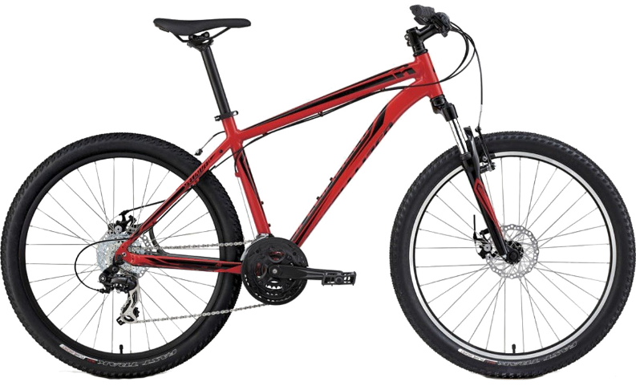
Colors | Gloss Red/Black | Rear Shock 后避震 | None | Crankset 牙盘 | Forged alloy, square taper spindle, chainguard | Rear Tires 后车胎 | Specialized Fast Trak Sport, 40TPI, wire bead, Flak Jacket protection, 26x2.0", 35-65PSI, 2.5-4.5BAR
Manufacturing Origin 产地 | Taiwan | Headset 头组 | 1-1/8" threadless, loose ball | Pedals 脚踏 | Composite platform, reflectors, 9/16" | Spoke 辐条 | Stainless, 14g, brass nipple
 |  | Stem 车把头 | Specialized, forged alloy, 4-bolt, 10-degree rise, anti-corrosion hardware | Bottom Bracket 中轴 | Square taper, cartridge bearings
 |  |  |  | Rear Cogs 飞轮 | Sunrace, 8-speed, 11-34
 |  |  |  | Chain 链条 | KMC X8, 8-speed, reusable Missing Link
 |  |  |  | Seatpost 座撑 | Alloy, 2-bolt, micro-adjust, 12.5mm offset, 30.9mm, anti-corrosion hardware
 |  |  |  | Saddle 座椅 | Body Geometry mountain, thick padding, steel rails, 143mm
 |  |  |  | Handlebar 把手 | Body Geometry mountain, Specialized riser, Hi-Ten steel, 8-degree backsweep, 4-degree upsweep, 35mm rise, 25.4mm
 |  |  |  | Handlebar Extensions 副把 | None

