Sheet1
1 | 2 |  | 3 | 4 | 5 | 6 | 7 | 8 | 9 | 0
77

 |  |  |  | 888

 |  | 88
 |  |  |  |  |  |  |  |  | 8888
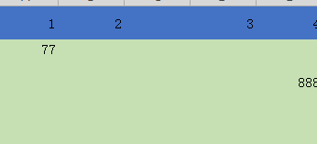
 |  |  |  |  | 888

 |  |  |  | 88
 |  |  |  |  |  |  |  | 8

