Report
 |  |  |  |  | Carburising / Carbonitriding

Customer: |  | LINAMAR
Order no.:
Bodycote no.: |  | 61612
Other description:
Part name:
Material:
Quantity: |  | pc/pcs
Requirements:

RESULTS:

Surface hardness:

Core hardness:

CHD depth: | 0,1 | 0,8
CHD hardness: | 420 | 300
UHD: | 400 |  | HBW 1/10

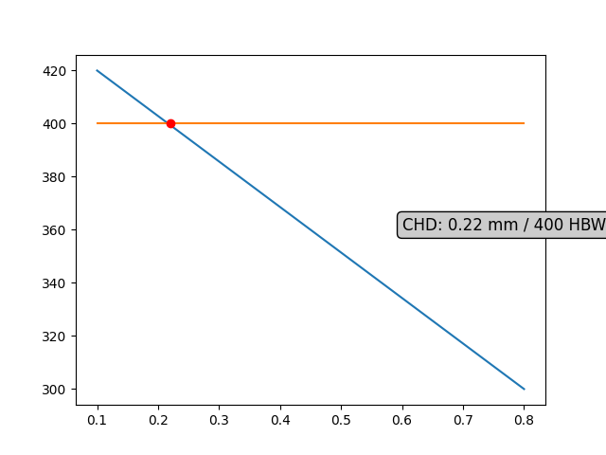

Notes:

 | The parts are according to the customer's requirements: |  |  |  |  |  | OK

Date: | 14-Oct-2022 |  |  | Controller: |  | Domka

