Report
 |  |  |  |  |  |  | Carburising / Carbonitriding

Customer: |  | MecSupply
Order no.:
Bodycote no.: |  | 20224578
Other description:
Part name:
Material:
Quantity: |  | pc/pcs
Requirements:

RESULTS:

Surface hardness: | 452 |  |  |  |  | HBW 1/30

Core hardness:

CHD depth: | 0,1 | 0,2 | 0,4 | 0,6 | 0,8
CHD hardness: | 720 | 700 | 580 | 480 | 420
UHD: | 550 |  | HLD

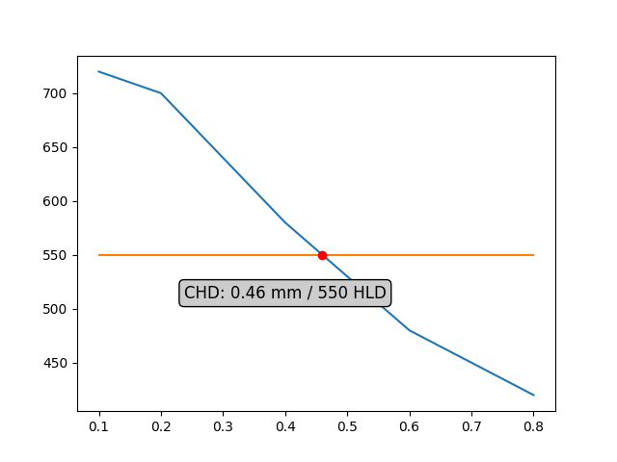

Notes:

 | The parts are according to the customer's requirements: |  |  |  |  |  |  |  | OK

Date: | 03-Dec-2022 |  |  |  |  | Controller: |  | Lukáš Rausa

