Fasteners
Item | Quantity | Link | Image
M10x35 bolts | 6
M10 nuts | 6
M10 washer | 6
M15x35 bolts | 3
M15 nuts | 3
M15 washer | 3
Horizontal ball bearing 15 mm | 1 | https://www.ebay.co.uk/itm/334613766648?hash=item4de888e1f8:g:3DsAAOSwH9RjYkLJ&amdata=enc%3AAQAHAAAA4FhVYoWQ%2Bt4rquZ8ZK8KQF3vU68UcL8bOWcOH7zn2XY8ewr5dWf7lbU3wiRwxZq95wkbZhMGaUnaeN%2BfimwHASTdYW3XavUCamRZ3j8EKznhd3R5%2FqZio4za0XoznjOkQgZ5H8njKn3S83ydKjYnRuj1wvFSVrx0JHcvRwBEmOAPhcOXZrP%2FlE2Gob3F7wBKAMuIPqqWBklJ9e0jjqwowFyS7fYyVCa26HH49NMdSiy2NXbV6giyxYjiGQCJ%2Bdudaf8gIflqwQnkiImxaByqyW9k8fMkE7VrD6D%2FW5RacXQa%7Ctkp%3ABFBMrvDg88hh | 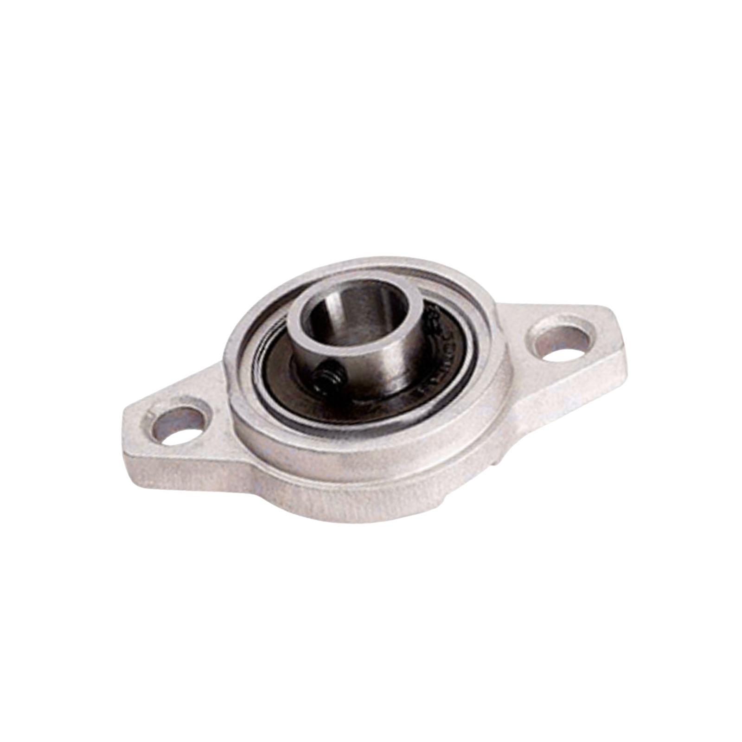
Vertical ball bearing 15mm | 2 | https://www.ebay.co.uk/itm/334613766648?hash=item4de888e1f8:g:3DsAAOSwH9RjYkLJ&amdata=enc%3AAQAHAAAA4FhVYoWQ%2Bt4rquZ8ZK8KQF3vU68UcL8bOWcOH7zn2XY8ewr5dWf7lbU3wiRwxZq95wkbZhMGaUnaeN%2BfimwHASTdYW3XavUCamRZ3j8EKznhd3R5%2FqZio4za0XoznjOkQgZ5H8njKn3S83ydKjYnRuj1wvFSVrx0JHcvRwBEmOAPhcOXZrP%2FlE2Gob3F7wBKAMuIPqqWBklJ9e0jjqwowFyS7fYyVCa26HH49NMdSiy2NXbV6giyxYjiGQCJ%2Bdudaf8gIflqwQnkiImxaByqyW9k8fMkE7VrD6D%2FW5RacXQa%7Ctkp%3ABFBMrvDg88hh | 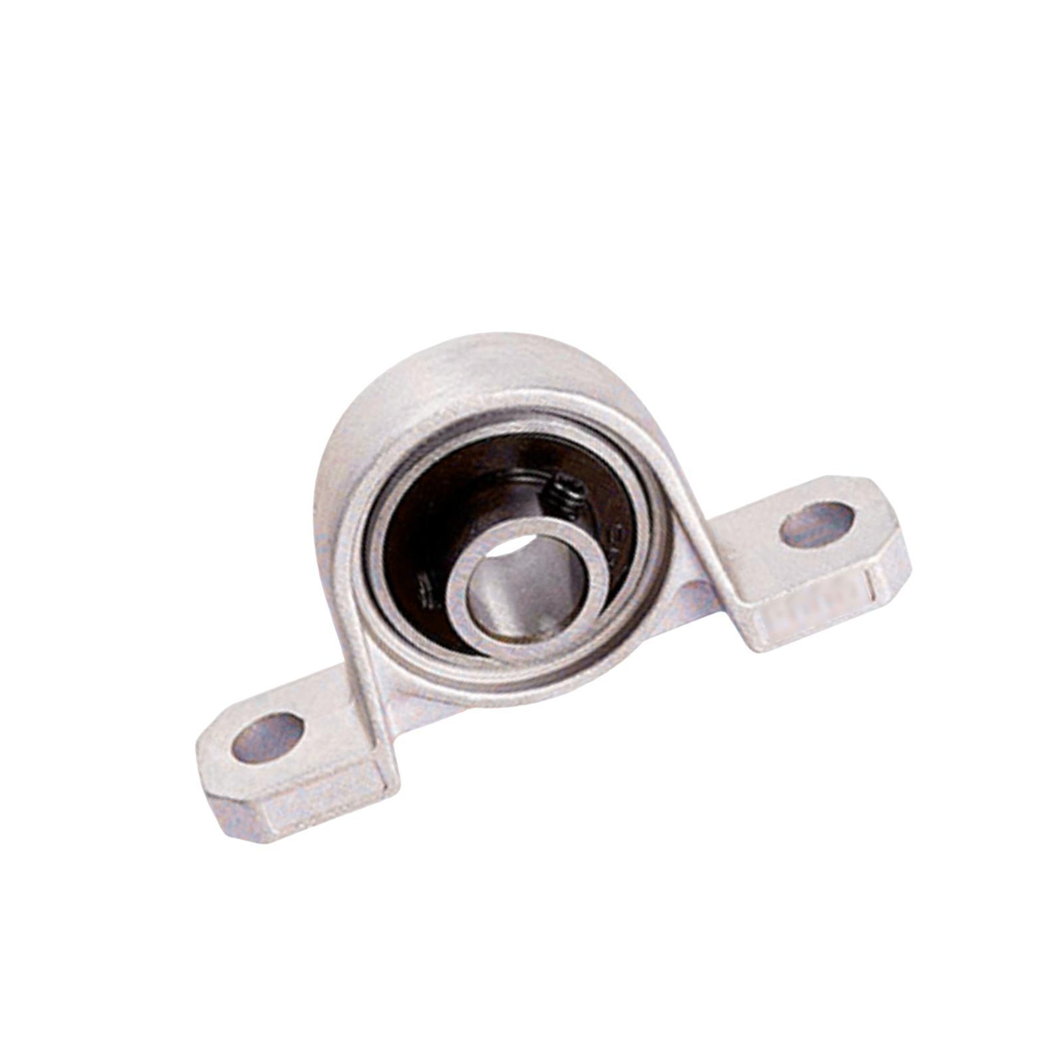
L brackets | 10 | TBC
L brackets screws (M TBC) | 30 | TBC
Countersunk wood screws TBC | TBC

