Summary & Stats
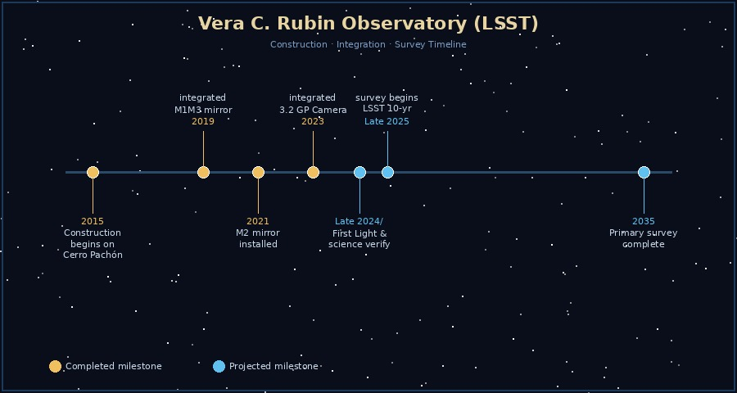
LSST Project — Key Statistics

Metric | Value | Unit | Notes
Primary Mirror Diameter | 8.4 | metres | Combined M1/M3 monolithic mirror
Camera Resolution | 3,200 | megapixels | Largest digital camera ever built
Camera Sensors | 189 | CCDs | 4k × 4k each
Survey Duration | 10 | years | Starting late 2025
Sky Coverage per Visit | 9.6 | deg² | Field of view
Revisit Cadence | ~3–4 | nights | Same sky patch
Total Data Volume | ~500 | petabytes | Full 10-year survey
Galaxies Catalogued (est) | ~20 | billion | Projected galaxy count
Telescope Altitude | 2,682 | metres | Cerro Pachón, Chile
Total Project Duration | 20 | years | 2015 construction → 2035 survey end

