fine_tunnig_records
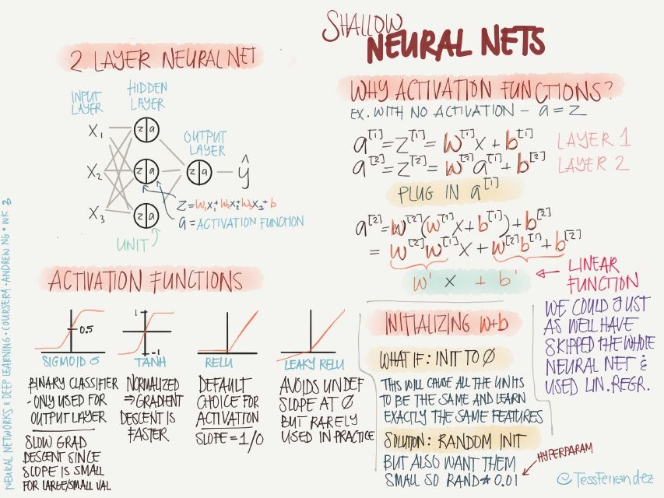
test_size | Activation | optimizer | n_epochs | Accuracy
0.2 | sigmoid | Adam | 300 | 100%
0.35 | leaky_relu | Adam | 100 | 98.10%
0.35 | sigmoid | Adam | 300 | 98.10%
0.1 | sigmoid | Adam | 300 | 93.30%

