PIN_Belegung
ESP32-PinOuts für Clevercoffee-PID

GPIO | Input | Output | Notes | Modul | Elektr. Bauteil | GND | 5V | 3,3V | ADC-Version | GPIO | Input | Output | Notes | Belegung | Belegt/ blockiert | Referenzdesign
0 | pulled up | OK | outputs PWM signal at boot |  |  |  |  |  | ADC2 | 0 | pulled up | OK | outputs PWM signal at boot |  |  | 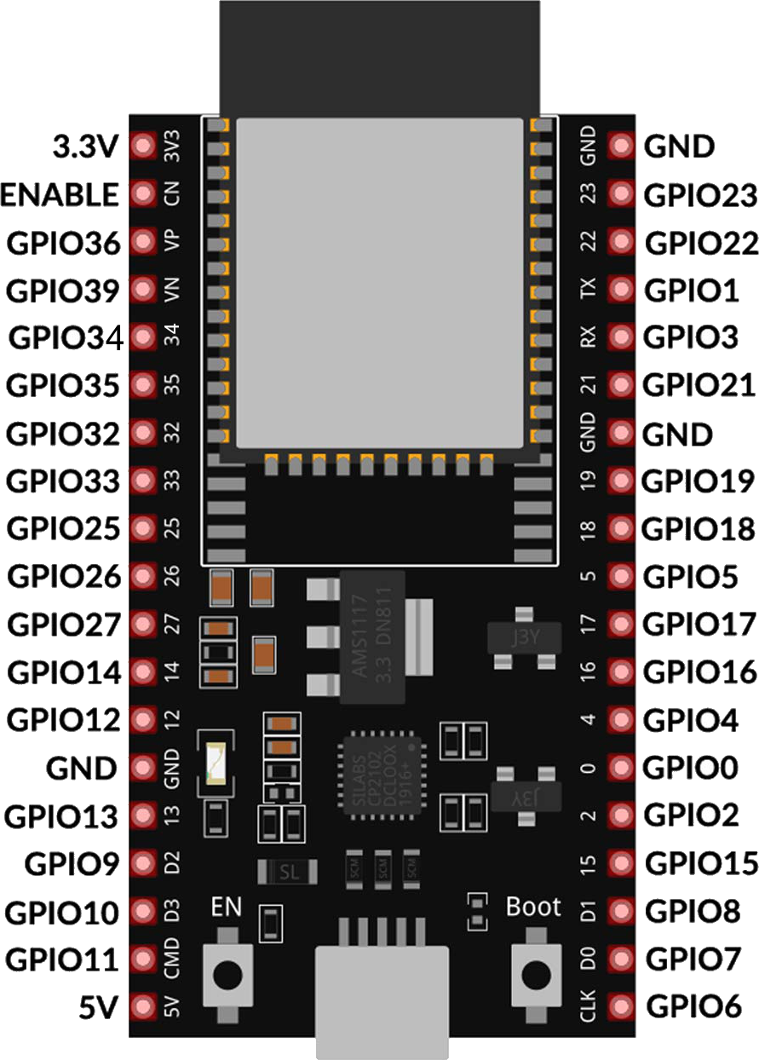
1 | TX pin | OK | debug output at boot |  |  |  |  |  |  | 1 | TX pin | OK | debug output at boot
2 | OK | OK | connected to on-board LED |  |  |  |  |  | ADC2 | 2 | OK | OK | connected to on-board LED
3 | OK | RX pin | HIGH at boot | Button | Push Button |  |  | 3,3V |  | 3 | OK | RX pin | HIGH at boot | Push Button | x
4 | OK | OK |  |  |  |  |  |  | ADC2 | 4 | OK | OK
5 | OK | OK | outputs PWM signal at boot |  |  |  |  |  |  | 5 | OK | OK | outputs PWM signal at boot | Push Button | x
6 | x | x | connected to the integrated SPI flash | n.v. | n.v. | n.v. | n.v. | n.v. | n.v. | 6 | x | x | connected to the integrated SPI flash | n.v. | x
7 | x | x | connected to the integrated SPI flash | n.v. | n.v. | n.v. | n.v. | n.v. | n.v. | 7 | x | x | connected to the integrated SPI flash | n.v. | x
8 | x | x | connected to the integrated SPI flash | n.v. | n.v. | n.v. | n.v. | n.v. | n.v. | 8 | x | x | connected to the integrated SPI flash | n.v. | x
9 | x | x | connected to the integrated SPI flash | n.v. | n.v. | n.v. | n.v. | n.v. | n.v. | 9 | x | x | connected to the integrated SPI flash | n.v. | x
10 | x | x | connected to the integrated SPI flash | n.v. | n.v. | n.v. | n.v. | n.v. | n.v. | 10 | x | x | connected to the integrated SPI flash | n.v. | x
11 | x | x | connected to the integrated SPI flash | n.v. | n.v. | n.v. | n.v. | n.v. | n.v. | 11 | x | x | connected to the integrated SPI flash | n.v. | x
12 | OK | OK | boot fail if pulled high | Rotary Encoder | Rotary Encoder Push Button |  |  |  | ADC2 | 12 | OK | OK | boot fail if pulled high | Rotary Encoder Push Button | x
13 | OK | OK |  |  |  |  |  |  | ADC2 | 13 | OK | OK
14 | OK | OK | outputs PWM signal at boot | Rotary Encoder | Rotary Encoder |  |  | 3,3V | ADC2 | 14 | OK | OK | outputs PWM signal at boot | Rotary Encoder | x
15 | OK | OK | outputs PWM signal at boot | Rotary Encoder | Rotary Encoder |  |  |  | ADC2 | 15 | OK | OK | outputs PWM signal at boot | Rotary Encoder | x
16 | OK | OK |  | Temp. Sensor | TSIC 306 TO92 | GND | 5V |  |  | 16 | OK | OK |  | Temp. Sensor | x
17 | OK | OK |  | Pumpe | SSR/Relais (SSR bevorzugt) | GND | 5V | 3,3V |  | 17 | OK | OK |  | Pumpe | x
18 | OK | OK |  | 3W-Ventil | SSR/Relais (SSR bevorzugt) | GND | 5V | 3,3V |  | 18 | OK | OK |  | 3W-Ventil | x
19 | OK | OK |  | Heizung | SSR 20A | GND |  |  |  | 19 | OK | OK |  | Heizung | x
21 | OK | OK | SDA | Display | SDA | GND | 5V |  |  | 21 | OK | OK | SDA | Display | x
22 | OK | OK | SCL | Display | SCL |  |  |  |  | 22 | OK | OK | SCL | Display | x
23 | OK | OK |  | Flowmeter | Digimesa 932-9521-b |  |  |  |  | 23 | OK | OK |  | Flowmeter | x
25 | OK | OK |  | E-Trigger | Relais | GND | 5V | 3,3V | ADC2 | 25 | OK | OK |  | E-Trigger | x
26 | OK | OK |  | Pumpe | Dimmer RobotDyn 6970622932550 | GND |  | 3,3V | ADC2 | 26 | OK | OK |  | Pumpe | x
27 | OK | OK |  | Pumpe | Dimmer RobotDyn 6970622932550 |  |  |  | ADC2 | 27 | OK | OK |  | Pumpe | x
32 | OK | OK |  | Waage | HX711 CLK | GND |  | 3,3V | ADC1 (Wifi-Input) | 32 | OK | OK |  | Waage | x
33 | OK | OK |  | Waage | HX711 DAT |  |  |  | ADC1 (Wifi-Input) | 33 | OK | OK |  | Waage | x
34 | OK |  | input only - no PWM | Drucksensor | Druckzelle | GND |  | 3,3V | ADC1 (Wifi-Input) | 34 | OK |  | input only | Drucksensor | x
35 | OK |  | input only - no PWM | Brühschalter | Schalter |  |  |  | ADC1 (Wifi-Input) | 35 | OK |  | input only | Brühschalter | x
36 | OK |  | input only - no PWM | Dampfschalter | Schalter |  |  |  | ADC1 (Wifi-Input) | 36 | OK |  | input only | Dampfschalter | x
39 | OK |  | input only - no PWM | Paddle | Alps Alpine RSA0N11S9002 |  |  |  | ADC1 (Wifi-Input) | 39 | OK |  | input only | Paddle | x

Quellen:
ESP32 - GPIO und Anschlussbeschreibungen

