Sheet1
0.FUNCTION |  | SUM | AVERAGE
1. LOCKING | 1
 | 0 | 1 | 2
 | 1

2. NAME SELECTION
 |  |  | METHOD_1: CHANGE DIRECTLY FORM LEFT UP COLLUM NEAR x
 | 3
 |  |  | METHOD_2 FORMULA -> DEFINE NAMES --> LOCKING COLUMN INPUT
3. IF FUNCTION |  | B11 shows the function
FALSE

4. Demo | FAVORATE_COLOR.XLXS
 | COUNTIF
 | CHOOSE

5. productsales
 | cell from the other sheet |  |  | APPLES!A2

6. NUMBER TYPES
 | HOME TAB --> FORMAT CELL
 | HOME TAB --> GENERAL PULL DOWN MENU

7. CONDITIONAL FORMATTING
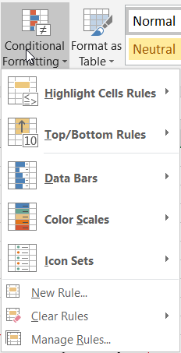
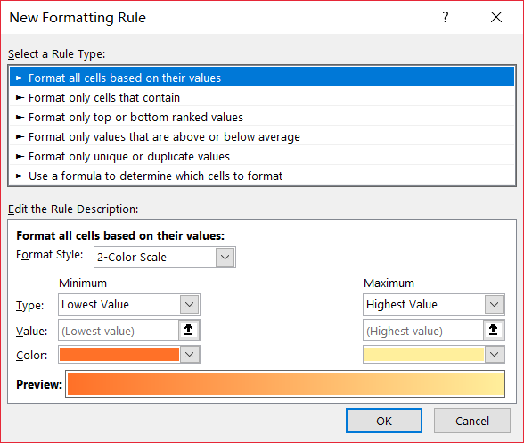

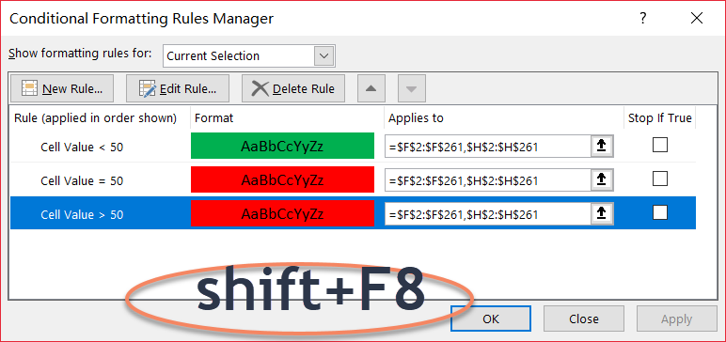

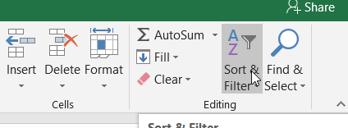
8. PivotTable
 | Select Table -> Insert Tab : PivotTable

9. vlookup

vlookup(A2,$E$4:$G$7,3,FALSE)
 | False or 0 as the fourth variable to not make confusion, otherwise you should sort the ID column(first column )
hlookup()
 | similar --> vlookup

 | Room 317 Saturday

