FirstName_bug

Category | Label | Value | Screenshot
Bug ID | ID number | #001
 | Name | Employee First Name
 | Reporter | Furkan Coban
 | Submit Date | 2022-03-14
Bug overview | Summary | When employer adds new employee "First Name" of the added employee is displayed as "Last Name"
 | URL / Environment | QA Environment -- https://wmxrwq14uc.execute-api.us-east-1.amazonaws.com/Prod/Account/Login
 | Operating System | Windows 11
 | Browser | Chrome Version 99.0.4844.51 (Official Build) (64-bit)
Bug details | Steps to reproduce | 1. Login as employer with valid credentials.2.Click on "Add Emplyee" button.3.Enter "First Name" for new employee. 4. Enter "Last Name' for new employee. 5. Enter new employee dependents as 3. 6. Click on "Add' button.
 | Expected result | Added new employee "First Name" should be displayed in the "First Name" Collumn.
 | Actual result | Added new employee "First Name" being displayed in the "Last Name" Collumn.
 | Description | /
Bug tracking | Severity | Major
 | Assigned to | Dev Team 1
 | Priority | High
Notes | Notes | Bug was found at 02:22 pm CST on 3/14/2022

LastName_bug

Category | Label | Value | Screenshot
Bug ID | ID number | #002
 | Name | Employee Last Name
 | Reporter | Furkan Coban
 | Submit Date | 2022-03-14
Bug overview | Summary | When employer adds new employee "Last Name" of the added employee is displayed as "First Name"
 | URL / Environment | QA Environment -- https://wmxrwq14uc.execute-api.us-east-1.amazonaws.com/Prod/Account/Login
 | Operating System | Windows 11
 | Browser | Chrome Version 99.0.4844.51 (Official Build) (64-bit)
Bug details | Steps to reproduce | 1. Login as employer with valid credentials.2.Click on "Add Emplyee" button.3.Enter "First Name" for new employee. 4. Enter "Last Name' for new employee. 5. Enter new employee dependents as 3. 6. Click on "Add' button.
 | Expected result | Added new employee "Last Name" should be displayed in the "Last Name" Collumn.
 | Actual result | Added new employee "Last Name" being displayed in the "First Name" Collumn.
 | Description | /
Bug tracking | Severity | Major
 | Assigned to | Dev Team 1
 | Priority | High
Notes | Notes | Bug was found at 02:18 pm CST on 3/14/2022

FirstName_number_bug

Category | Label | Value | Screenshot
Bug ID | ID number | #003
 | Name | Employee First Name is being able to saved as Number.
 | Reporter | Furkan Coban
 | Submit Date | 2022-03-14
Bug overview | Summary | Employer is able to save new employee's First Name as Number.
 | URL / Environment | QA Environment -- https://wmxrwq14uc.execute-api.us-east-1.amazonaws.com/Prod/Account/Login
 | Operating System | Windows 11
 | Browser | Chrome Version 99.0.4844.51 (Official Build) (64-bit)
Bug details | Steps to reproduce | 1. Login as employer with valid credentials.2.Click on "Add Emplyee" button.3.Enter "First Name" for new employee as "123456789". 4. Enter "Last Name' for new employee. 5. Enter new employee dependents as 3. 6. Click on "Add' button.
 | Expected result | Added new employee "First Name" should not be saved as number.
 | Actual result | Added new employee "First Name" is being saved as number.
 | Description | /
Bug tracking | Severity | Major
 | Assigned to | Dev Team 1
 | Priority | High
Notes | Notes | Bug was found at 02:35 pm CST on 3/14/2022

api_employee_name_bug
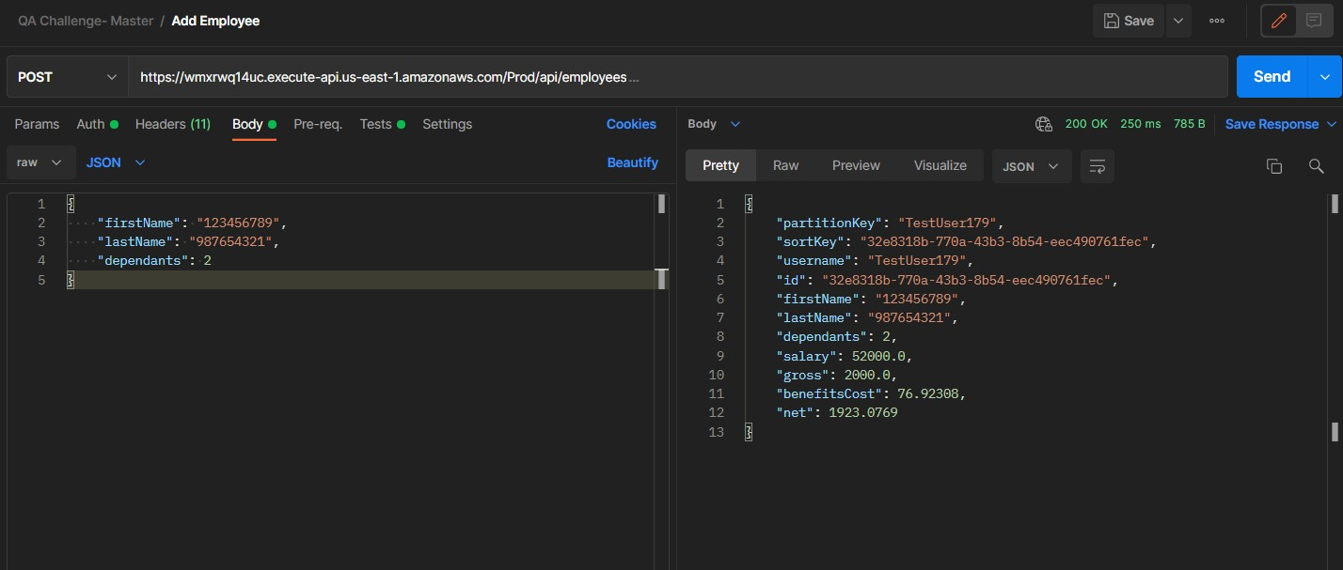
Category | Label | Value | Screenshot
Bug ID | ID number | #005
 | Name | API -- Employee First Name and Last Name.
 | Reporter | Furkan Coban
 | Submit Date | 2022-03-14
Bug overview | Summary | Employer user is able to make POST request and save new employee's First Name and Last Name as number.
 | URL / Environment | QA Environment -- https://wmxrwq14uc.execute-api.us-east-1.amazonaws.com/Prod/Account/Login
 | Operating System | Windows 11
 | Browser | Chrome Version 99.0.4844.51 (Official Build) (64-bit)
Bug details | Steps to reproduce | 1.Create a POST request with https://wmxrwq14uc.execute-api.us-east-1.amazonaws.com/Prod/api/employees. 2. Content-Type application/json 3. Authorization Basic {{token}} 4. Body(raw) { "firstName": "123456789", "lastName": "987654321", "dependants": 2 }
 | Expected result | 400 Bad Request -- Employee First Name and Last name should not be able to added as number.
 | Actual result | 200 Success -- Employee First Name and Last Name is being able to saved as number.
 | Description | /
Bug tracking | Severity | Major
 | Assigned to | Dev Team 1
 | Priority | High
Notes | Notes | Bug was found at 03:38 pm CST on 3/14/2022

