Sayfa1
efficiency | 0.80 |  | yellows are input
min input voltage | 9.00 |  | hand input values
nominal input voltage | 15.00
max input voltage | 21.00
output voltage | 25.00
output current | 1.00
Kind | 0.30
diode voltage drop | 0.75
switching frequncy | 200,000.00
desired output ripple | 0.50 | !usually up to 2%

input current | 3.47
inductor ripple current | 1.04
duty cylce | 0.63
max duty cycle | 0.74
min inductor value | 3.18E-05
another min inductor value | 3.20E-05 | 1.00E-04
min coupling capacitor | 3.53E-06 | 1.00E-05
min output capacitor | 3.71E-04 | 4.70E-04
coupling capacitor ripple voltage | 1.05 | 3.71E-01

compensator frequency calculations |  | for hand input(selected) values
f RHPZ | 22,502.84 | 7,203.50
f R | 14,974.97 | 5,032.93
f c | 2,495.83 | 838.82
compensator 0 | 623.96 | 209.71
C out ESR | 7.00E-02 | 7.00E-02
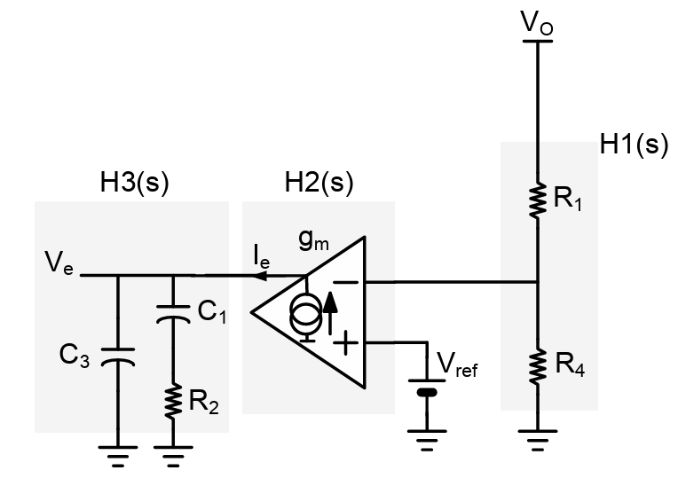
pole to cancel ESR zero | 6,136.63 | 4837.5403503
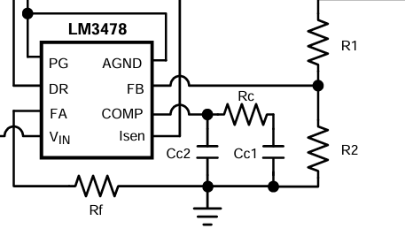
compensator network calculations(OTA)
ota transconductance | 5.50E-04
current gain | 1.00E+00
r shunt/sense
calculated current gain ???
V ref | 1.20
rc1 | 1.44E+06 | 6.12E+05
cc1 | 1.78E-10 | 1.24E-09
cc2 | 1.81E-11 | 5.37E-11

