Caesar Cipher
Encrypt |  |  |  | Decrypt |  |  |  | A | 0 | N | 13
c = (p+k) mod 26 |  |  |  | p = (c-k) mod 26 |  |  |  | B | 1 | O | 14
k = bilangan ( kunci rahasia ) |  |  |  |  |  |  |  | C | 2 | P | 15
 |  |  |  |  |  |  |  | D | 3 | Q | 16
 |  |  |  | cipher text |  |  |  | E | 4 | R | 17
plain text | k | 17 |  | UFEFKNRCBUFX | C | P | Plain text | F | 5 | S | 18
DO NOT WALK DOG | P | C | Cipher text | U | 20 | 3 | D | G | 6 | T | 19
D | 3 | 20 | U | F | 5 | 14 | O | H | 7 | U | 20
O | 14 | 5 | F | E | 4 | 13 | N | I | 8 | V | 21
N | 13 | 4 | E | F | 5 | 14 | O | J | 9 | W | 22
O | 14 | 5 | F | K | 10 | 19 | T | K | 10 | X | 23
T | 19 | 10 | K | N | 13 | 22 | W | L | 11 | Y | 24
W | 22 | 13 | N | R | 17 | 0 | A | M | 12 | Z | 25
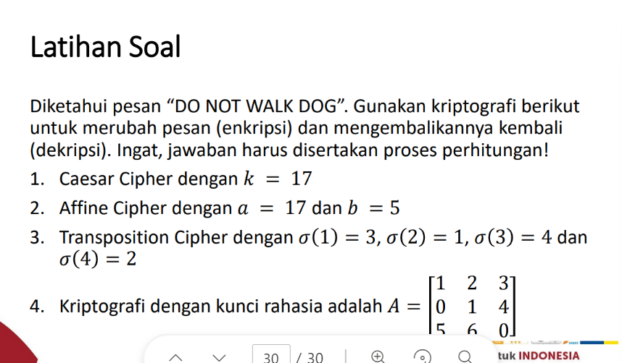
A | 0 | 17 | R | C | 2 | 11 | L
L | 11 | 2 | C | B | 1 | 10 | K
K | 10 | 1 | B | U | 20 | 3 | D
D | 3 | 20 | U | F | 5 | 14 | O
O | 14 | 5 | F | X | 23 | 6 | G
G | 6 | 23 | X |  |  |  | = DO NOT WALK DOG
 |  |  | =UFEFKNRCBUFX

KMeans
Company | Clients | Rate of Return | Sales | Years | Loop 1 |  | Clients | Rate of Return | Sales | Years |  | Georgia Sugisandhea_535230080
A | 150 | 15.4 | 50400200 | 18 | Random Centroids | Cluster 0: D | 110 | 12.5 | 36500520 | 16
B | 144 | 11.3 | 42100650 | 15 |  | Cluster 1:J | 142 | 14.6 | 48900090 | 15
C | 120 | 9.9 | 39440420 | 12 |  | Cluster 2:R | 49 | 9.8 | 14568990 | 6
D | 110 | 12.5 | 36500520 | 16
E | 100 | 9.7 | 40650005 | 10 | Company | Clients | Rate of Return | Sales | Years | Cluster 0 | Cluster 1 | Cluster 2
F | 99 | 15.2 | 45665230 | 12 | A | 150 | 15.4 | 50400200 | 18 | 0.9999999999999953 | 0.9999999999999961 | 0.9999999999998563
G | 56 | 9.2 | 25978080 | 8 | B | 144 | 11.3 | 42100650 | 15 | 0.9999999999999110 | 0.9999999999998649 | 0.9999999999999152
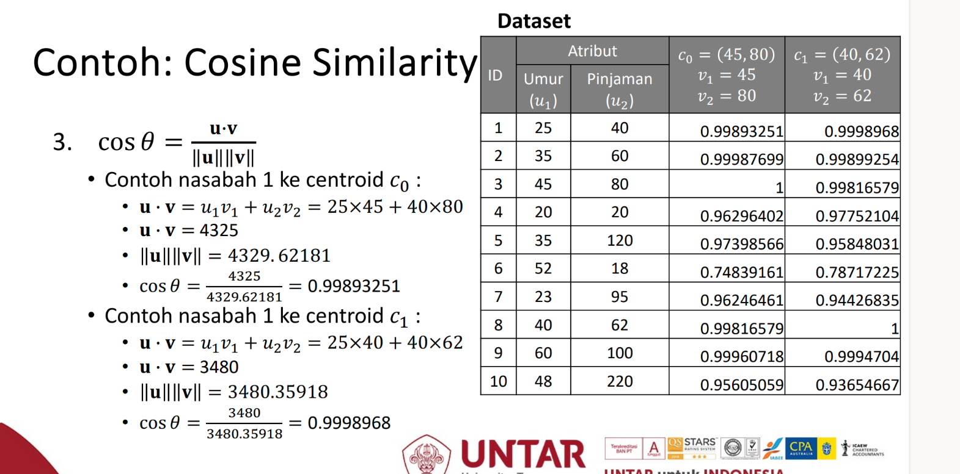
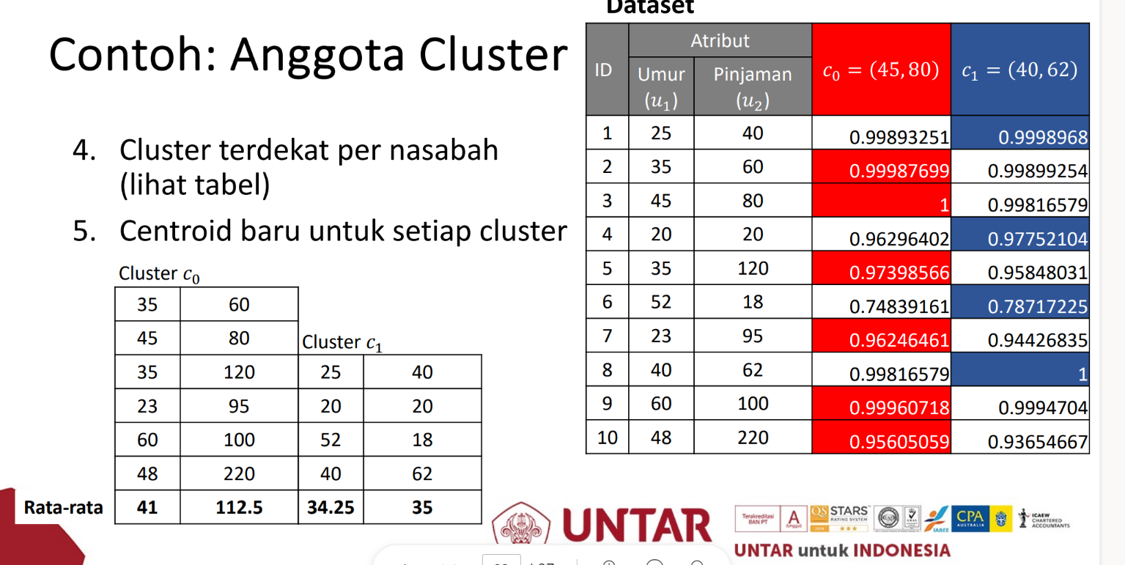
H | 120 | 13.1 | 37900800 | 12 | C | 120 | 9.9 | 39440420 | 12 | 0.9999999999999862 | 0.9999999999999891 | 0.9999999999998538
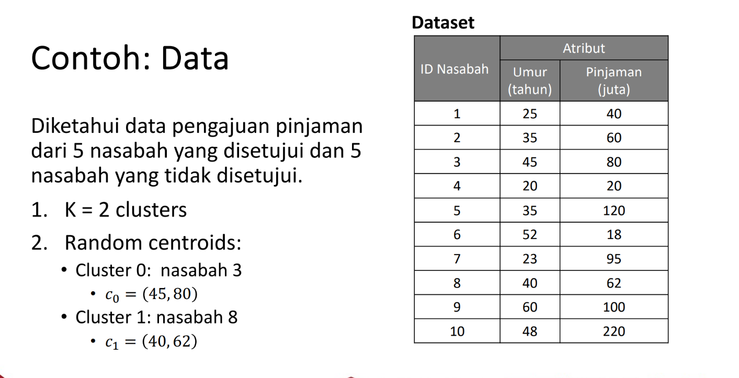
I | 122 | 12.4 | 42560000 | 13 | D | 110 | 12.5 | 36500520 | 16 | 0.9999999999999998 | 0.9999999999999843 | 0.9999999999998840
J | 142 | 14.6 | 48900090 | 15 | E | 100 | 9.7 | 40650005 | 10 | 0.9999999999998229 | 0.9999999999998979 | 0.9999999999994842
K | 132 | 13.4 | 46500200 | 16 | F | 99 | 15.2 | 45665230 | 12 | 0.9999999999996270 | 0.9999999999997278 | 0.9999999999992168
L | 68 | 8.7 | 26400500 | 9 | G | 56 | 9.2 | 25978080 | 8 | 0.9999999999996234 | 0.9999999999997186 | 0.9999999999992150
M | 79 | 12.7 | 19800800 | 7 | H | 120 | 13.1 | 37900800 | 12 | 0.9999999999999808 | 0.9999999999999644 | 0.9999999999999227
N | 103 | 11.5 | 32568740 | 6 | I | 122 | 12.4 | 42560000 | 13 | 0.9999999999999789 | 0.9999999999999993 | 0.9999999999997984
O | 140 | 13.9 | 47635980 | 13 | J | 142 | 14.6 | 48900090 | 15 | 0.9999999999999843 | 0.9999999999999998 | 0.9999999999998191
P | 130 | 11.5 | 47005600 | 14 | K | 132 | 13.4 | 46500200 | 16 | 0.9999999999999787 | 0.9999999999999969 | 0.9999999999997863
Q | 74 | 8.6 | 24652000 | 6 | L | 68 | 8.7 | 26400500 | 9 | 0.9999999999998992 | 0.9999999999999450 | 0.9999999999996284
R | 49 | 9.8 | 14568990 | 6 | M | 79 | 12.7 | 19800800 | 7 | 0.9999999999994753 | 0.9999999999993504 | 0.9999999999998015
S | 75 | 11.7 | 37555000 | 8 | N | 103 | 11.5 | 32568740 | 6 | 0.9999999999999565 | 0.9999999999999576 | 0.9999999999999030
T | 46 | 8.7 | 22342600 | 5 | O | 140 | 13.9 | 47635980 | 13 | 0.9999999999999823 | 0.9999999999999989 | 0.9999999999998280
U | 79 | 8.9 | 32465890 | 9 | P | 130 | 11.5 | 47005600 | 14 | 0.9999999999999546 | 0.9999999999999889 | 0.9999999999997234
V | 90 | 9.4 | 34560000 | 10 | Q | 74 | 8.6 | 24652000 | 6 | 0.9999999999999808 | 0.9999999999999917 | 0.9999999999998679
 |  |  |  |  | R | 49 | 9.8 | 14568990 | 6 | 0.9999999999998840 | 0.9999999999998191 | 1.0000000000000002
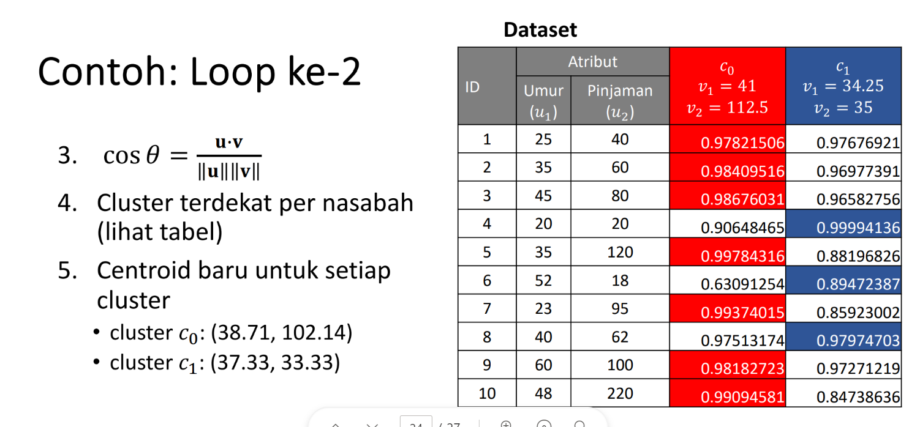
 |  |  |  |  | S | 75 | 11.7 | 37555000 | 8 | 0.9999999999994572 | 0.9999999999995842 | 0.9999999999989817
 |  |  |  |  | T | 46 | 8.7 | 22342600 | 5 | 0.9999999999995200 | 0.9999999999996354 | 0.9999999999990914
 |  |  |  |  | U | 79 | 8.9 | 32465890 | 9 | 0.9999999999998163 | 0.9999999999998885 | 0.9999999999994791
 |  |  |  |  | V | 90 | 9.4 | 34560000 | 10 | 0.9999999999999027 | 0.9999999999999546 | 0.9999999999996243

 |  |  |  |  | Cluster 0
 |  |  |  |  | Company | Clients | Rate of Return | Sales | Years |  | Cluster 1 |  |  |  |  |  | Cluster 2
 |  |  |  |  | D | 110 | 12.5 | 36500520 | 16 |  | Company | Clients | Rate of Return | Sales | Years |  | Company | Clients | Rate of Return | Sales | Years
 |  |  |  |  | H | 120 | 13.1 | 37900800 | 12 |  | A | 150 | 15.4 | 50400200 | 18 |  | B | 144 | 11.3 | 42100650 | 15
 |  |  |  |  | Mean = | 115 | 12.8 | 37200660 | 14 |  | C | 120 | 9.9 | 39440420 | 12 |  | M | 79 | 12.7 | 19800800 | 7
 |  |  |  |  |  |  |  |  |  |  | E | 100 | 9.7 | 40650005 | 10 |  | R | 49 | 9.8 | 14568990 | 6
 |  |  |  |  |  |  |  |  |  |  | F | 99 | 15.2 | 45665230 | 12 |  | Mean = | 90.666666667 | 11.266666667 | 25490146.667 | 9.3333333333
 |  |  |  |  |  |  |  |  |  |  | G | 56 | 9.2 | 25978080 | 8
 |  |  |  |  |  |  |  |  |  |  | I | 122 | 12.4 | 42560000 | 13
 |  |  |  |  |  |  |  |  |  |  | J | 142 | 14.6 | 48900090 | 15
 |  |  |  |  |  |  |  |  |  |  | K | 132 | 13.4 | 46500200 | 16
 |  |  |  |  |  |  |  |  |  |  | L | 68 | 8.7 | 26400500 | 9
 |  |  |  |  |  |  |  |  |  |  | N | 103 | 11.5 | 32568740 | 6
 |  |  |  |  |  |  |  |  |  |  | O | 140 | 13.9 | 47635980 | 13
 |  |  |  |  |  |  |  |  |  |  | P | 130 | 11.5 | 47005600 | 14
 |  |  |  |  |  |  |  |  |  |  | Q | 74 | 8.6 | 24652000 | 6
 |  |  |  |  |  |  |  |  |  |  | S | 75 | 11.7 | 37555000 | 8
 |  |  |  |  |  |  |  |  |  |  | T | 46 | 8.7 | 22342600 | 5
 |  |  |  |  |  |  |  |  |  |  | U | 79 | 8.9 | 32465890 | 9
 |  |  |  |  |  |  |  |  |  |  | V | 90 | 9.4 | 34560000 | 10
 |  |  |  |  |  |  |  |  |  |  | Mean = | 101.52941176 | 11.335294118 | 37957678.529 | 10.823529412

 |  |  |  |  |  | Loop 2 | Clients | Rate of Return | Sales | Years
 |  |  |  |  |  | Cluster 0 | 115 | 12.8 | 37200660 | 14
 |  |  |  |  |  | Cluster 1 | 101.52941176 | 11.335294118 | 37957678.529 | 10.823529412
 |  |  |  |  |  | Cluster 2 | 90.666666667 | 11.266666667 | 25490146.667 | 9.3333333333

 |  |  |  |  | Company | Clients | Rate of Return | Sales | Years | Cluster 0 | Cluster 1 | Cluster 2 |  | Cluster 0 | Cluster 1 | Cluster 2
 |  |  |  |  | A | 150 | 15.4 | 50400200 | 18 | 0.9999999999999926 | 0.9999999999999520 | 0.9999999999998221 |  | 1 | 0 | 0
 |  |  |  |  | B | 144 | 11.3 | 42100650 | 15 | 0.9999999999999428 | 0.9999999999997189 | 0.9999999999999755 |  | 0 | 0 | 1
 |  |  |  |  | C | 120 | 9.9 | 39440420 | 12 | 0.9999999999999920 | 0.9999999999999310 | 0.9999999999998475 |  | 1 | 0 | 0
 |  |  |  |  | D | 110 | 12.5 | 36500520 | 16 | 0.9999999999999952 | 0.9999999999999300 | 0.9999999999998447 |  | 1 | 0 | 0
 |  |  |  |  | E | 100 | 9.7 | 40650005 | 10 | 0.9999999999997870 | 0.9999999999999746 | 0.9999999999993706 |  | 0 | 1 | 0
 |  |  |  |  | F | 99 | 15.2 | 45665230 | 12 | 0.9999999999995673 | 0.9999999999998709 | 0.9999999999990241 |  | 0 | 1 | 0
 |  |  |  |  | G | 56 | 9.2 | 25978080 | 8 | 0.9999999999995600 | 0.9999999999998634 | 0.9999999999990126 |  | 0 | 1 | 0
 |  |  |  |  | H | 120 | 13.1 | 37900800 | 12 | 0.9999999999999956 | 0.9999999999998777 | 0.9999999999999177 |  | 1 | 0 | 0
 |  |  |  |  | I | 122 | 12.4 | 42560000 | 13 | 0.9999999999999709 | 0.9999999999999816 | 0.9999999999997484 |  | 0 | 1 | 0
 |  |  |  |  | J | 142 | 14.6 | 48900090 | 15 | 0.9999999999999791 | 0.9999999999999735 | 0.9999999999997745 |  | 1 | 0 | 0
 |  |  |  |  | K | 132 | 13.4 | 46500200 | 16 | 0.9999999999999660 | 0.9999999999999847 | 0.9999999999997300 |  | 0 | 1 | 0
 |  |  |  |  | L | 68 | 8.7 | 26400500 | 9 | 0.9999999999998663 | 0.9999999999999930 | 0.9999999999995118 |  | 0 | 1 | 0
 |  |  |  |  | M | 79 | 12.7 | 19800800 | 7 | 0.9999999999995520 | 0.9999999999990742 | 0.9999999999998862 |  | 0 | 0 | 1
 |  |  |  |  | N | 103 | 11.5 | 32568740 | 6 | 0.9999999999999791 | 0.9999999999998747 | 0.9999999999999016 |  | 1 | 0 | 0
 |  |  |  |  | O | 140 | 13.9 | 47635980 | 13 | 0.9999999999999819 | 0.9999999999999653 | 0.9999999999997933 |  | 1 | 0 | 0
 |  |  |  |  | P | 130 | 11.5 | 47005600 | 14 | 0.9999999999999390 | 0.9999999999999944 | 0.9999999999996654 |  | 0 | 1 | 0
 |  |  |  |  | Q | 74 | 8.6 | 24652000 | 6 | 0.9999999999999873 | 0.9999999999999444 | 0.9999999999998341 |  | 1 | 0 | 0
 |  |  |  |  | R | 49 | 9.8 | 14568990 | 6 | 0.9999999999999085 | 0.9999999999996850 | 0.9999999999999536 |  | 0 | 0 | 1
 |  |  |  |  | S | 75 | 11.7 | 37555000 | 8 | 0.9999999999993875 | 0.9999999999997674 | 0.9999999999987630 |  | 0 | 1 | 0
 |  |  |  |  | T | 46 | 8.7 | 22342600 | 5 | 0.9999999999994545 | 0.9999999999998044 | 0.9999999999988664 |  | 0 | 1 | 0
 |  |  |  |  | U | 79 | 8.9 | 32465890 | 9 | 0.9999999999997763 | 0.9999999999999706 | 0.9999999999993506 |  | 0 | 1 | 0
 |  |  |  |  | V | 90 | 9.4 | 34560000 | 10 | 0.9999999999998752 | 0.9999999999999973 | 0.9999999999995288 |  | 0 | 1 | 0

 |  |  |  |  | Cluster 0 |  |  |  |  |  | Cluster 1 |  |  |  |  |  | Cluster 2
 |  |  |  |  | A | 150 | 15.4 | 50400200 | 18 |  | E | 100 | 9.7 | 40650005 | 10 |  | B | 144 | 11.3 | 42100650 | 15
 |  |  |  |  | C | 120 | 9.9 | 39440420 | 12 |  | F | 99 | 15.2 | 45665230 | 12 |  | M | 79 | 12.7 | 19800800 | 7
 |  |  |  |  | D | 110 | 12.5 | 36500520 | 16 |  | G | 56 | 9.2 | 25978080 | 8 |  | T | 46 | 8.7 | 22342600 | 5
 |  |  |  |  | H | 120 | 13.1 | 37900800 | 12 |  | I | 122 | 12.4 | 42560000 | 13 |  | Mean = | 89.666666667 | 10.9 | 28081350 | 9
 |  |  |  |  | J | 142 | 14.6 | 48900090 | 15 |  | K | 132 | 13.4 | 46500200 | 16
 |  |  |  |  | N | 103 | 11.5 | 32568740 | 6 |  | L | 68 | 8.7 | 26400500 | 9
 |  |  |  |  | O | 140 | 13.9 | 47635980 | 13 |  | P | 130 | 11.5 | 47005600 | 14
 |  |  |  |  | Q | 74 | 8.6 | 24652000 | 6 |  | S | 75 | 11.7 | 37555000 | 8
 |  |  |  |  | R | 49 | 9.8 | 14568990 | 6 |  | U | 79 | 8.9 | 32465890 | 9
 |  |  |  |  | Mean = | 112 | 12.144444444 | 36951971.111 | 11.555555556 |  | V | 90 | 9.4 | 34560000 | 10
 |  |  |  |  |  |  |  |  |  |  | Mean = | 95.1 | 11.01 | 37934050.5 | 10.9
 |  |  |  |  |  | Loop 3 | Clients | Rate of Return | Sales | Years
 |  |  |  |  |  | Cluster 0 | 112 | 12.144444444 | 36951971.111 | 11.555555556
 |  |  |  |  |  | Cluster 1 | 95.1 | 11.01 | 37934050.5 | 10.9
 |  |  |  |  |  | Cluster 2 | 89.666666667 | 10.9 | 28081350 | 9

 |  |  |  |  | Company | Clients | Rate of Return | Sales | Years | Cluster 0 | Cluster 1 | Cluster 2
 |  |  |  |  | A | 150 | 15.4 | 50400200 | 18 | 0.9999999999999972 | 0.9999999999998875 | 0.9999999999999725
 |  |  |  |  | B | 144 | 11.3 | 42100650 | 15 | 0.9999999999999213 | 0.9999999999995801 | 0.9999999999999664
 |  |  |  |  | C | 120 | 9.9 | 39440420 | 12 | 0.9999999999999969 | 0.9999999999998557 | 0.9999999999999791
 |  |  |  |  | D | 110 | 12.5 | 36500520 | 16 | 0.9999999999999917 | 0.9999999999998588 | 0.9999999999999760
 |  |  |  |  | E | 100 | 9.7 | 40650005 | 10 | 0.9999999999998307 | 0.9999999999999968 | 0.9999999999997174
 |  |  |  |  | F | 99 | 15.2 | 45665230 | 12 | 0.9999999999996263 | 0.9999999999999414 | 0.9999999999994714
 |  |  |  |  | G | 56 | 9.2 | 25978080 | 8 | 0.9999999999996166 | 0.9999999999999362 | 0.9999999999994613
 |  |  |  |  | H | 120 | 13.1 | 37900800 | 12 | 0.9999999999999907 | 0.9999999999997810 | 0.9999999999999988
 |  |  |  |  | I | 122 | 12.4 | 42560000 | 13 | 0.9999999999999857 | 0.9999999999999353 | 0.9999999999999420
 |  |  |  |  | J | 142 | 14.6 | 48900090 | 15 | 0.9999999999999911 | 0.9999999999999211 | 0.9999999999999541
 |  |  |  |  | K | 132 | 13.4 | 46500200 | 16 | 0.9999999999999802 | 0.9999999999999435 | 0.9999999999999318
 |  |  |  |  | L | 68 | 8.7 | 26400500 | 9 | 0.9999999999998959 | 0.9999999999999956 | 0.9999999999998075
 |  |  |  |  | M | 79 | 12.7 | 19800800 | 7 | 0.9999999999994904 | 0.9999999999988367 | 0.9999999999996501
 |  |  |  |  | N | 103 | 11.5 | 32568740 | 6 | 0.9999999999999828 | 0.9999999999997781 | 0.9999999999999896
 |  |  |  |  | O | 140 | 13.9 | 47635980 | 13 | 0.9999999999999943 | 0.9999999999999067 | 0.9999999999999620
 |  |  |  |  | P | 130 | 11.5 | 47005600 | 14 | 0.9999999999999611 | 0.9999999999999655 | 0.9999999999998983
 |  |  |  |  | Q | 74 | 8.6 | 24652000 | 6 | 0.9999999999999970 | 0.9999999999998749 | 0.9999999999999781
 |  |  |  |  | R | 49 | 9.8 | 14568990 | 6 | 0.9999999999998807 | 0.9999999999995526 | 0.9999999999999410
 |  |  |  |  | S | 75 | 11.7 | 37555000 | 8 | 0.9999999999994603 | 0.9999999999998670 | 0.9999999999992760
 |  |  |  |  | T | 46 | 8.7 | 22342600 | 5 | 0.9999999999995216 | 0.9999999999998928 | 0.9999999999993521
 |  |  |  |  | U | 79 | 8.9 | 32465890 | 9 | 0.9999999999998191 | 0.9999999999999971 | 0.9999999999997038
 |  |  |  |  | V | 90 | 9.4 | 34560000 | 10 | 0.9999999999999070 | 0.9999999999999952 | 0.9999999999998196

 |  |  |  |  | Cluster 0 |  |  |  |  |  | Cluster 1 |  |  |  |  |  | Cluster 2
 |  |  |  |  | A | 150 | 15.4 | 50400200 | 18 |  | E | 100 | 9.7 | 40650005 | 10 |  | B | 144 | 11.3 | 42100650 | 15
 |  |  |  |  | C | 120 | 9.9 | 39440420 | 12 |  | F | 99 | 15.2 | 45665230 | 12 |  | H | 120 | 13.1 | 37900800 | 12
 |  |  |  |  | D | 110 | 12.5 | 36500520 | 16 |  | G | 56 | 9.2 | 25978080 | 8 |  | M | 79 | 12.7 | 19800800 | 7
 |  |  |  |  | I | 122 | 12.4 | 42560000 | 13 |  | L | 68 | 8.7 | 26400500 | 9 |  | N | 103 | 11.5 | 32568740 | 6
 |  |  |  |  | J | 142 | 14.6 | 48900090 | 15 |  | P | 130 | 11.5 | 47005600 | 14 |  | R | 49 | 9.8 | 14568990 | 6
 |  |  |  |  | K | 132 | 13.4 | 46500200 | 16 |  | S | 75 | 11.7 | 37555000 | 8 |  | Mean = | 99 | 11.68 | 29387996 | 9.2
 |  |  |  |  | O | 140 | 13.9 | 47635980 | 13 |  | T | 46 | 8.7 | 22342600 | 5
 |  |  |  |  | Q | 74 | 8.6 | 24652000 | 6 |  | U | 79 | 8.9 | 32465890 | 9
 |  |  |  |  | Mean = | 123.75 | 12.5875 | 42073676.25 | 13.625 |  | V | 90 | 9.4 | 34560000 | 10
 |  |  |  |  |  |  |  |  |  |  | Mean = | 82.555555556 | 10.333333333 | 34735878.333 | 9.4444444444

 |  |  |  |  |  | Loop 4 | Clients | Rate of Return | Sales | Years
 |  |  |  |  |  | Cluster 0 | 123.75 | 12.5875 | 42073676.25 | 13.625
 |  |  |  |  |  | Cluster 1 | 82.555555556 | 10.333333333 | 34735878.333 | 9.4444444444
 |  |  |  |  |  | Cluster 2 | 99 | 11.68 | 29387996 | 9.2

 |  |  |  |  | Company | Clients | Rate of Return | Sales | Years | Cluster 0 | Cluster 1 | Cluster 2
 |  |  |  |  | A | 150 | 15.4 | 50400200 | 18 | 0.9999999999999988 | 0.9999999999998166 | 0.9999999999999131
 |  |  |  |  | B | 144 | 11.3 | 42100650 | 15 | 0.9999999999998841 | 0.9999999999994512 | 0.9999999999999847
 |  |  |  |  | C | 120 | 9.9 | 39440420 | 12 | 0.9999999999999933 | 0.9999999999997766 | 0.9999999999999234
 |  |  |  |  | D | 110 | 12.5 | 36500520 | 16 | 0.9999999999999898 | 0.9999999999997820 | 0.9999999999999350
 |  |  |  |  | E | 100 | 9.7 | 40650005 | 10 | 0.9999999999998794 | 0.9999999999999946 | 0.9999999999995509
 |  |  |  |  | F | 99 | 15.2 | 45665230 | 12 | 0.9999999999996987 | 0.9999999999999776 | 0.9999999999992569
 |  |  |  |  | G | 56 | 9.2 | 25978080 | 8 | 0.9999999999996898 | 0.9999999999999732 | 0.9999999999992513
 |  |  |  |  | H | 120 | 13.1 | 37900800 | 12 | 0.9999999999999737 | 0.9999999999996861 | 0.9999999999999674
 |  |  |  |  | I | 122 | 12.4 | 42560000 | 13 | 0.9999999999999969 | 0.9999999999998794 | 0.9999999999998559
 |  |  |  |  | J | 142 | 14.6 | 48900090 | 15 | 0.9999999999999990 | 0.9999999999998603 | 0.9999999999998748
 |  |  |  |  | K | 132 | 13.4 | 46500200 | 16 | 0.9999999999999946 | 0.9999999999998904 | 0.9999999999998463
 |  |  |  |  | L | 68 | 8.7 | 26400500 | 9 | 0.9999999999999326 | 0.9999999999999771 | 0.9999999999996757
 |  |  |  |  | M | 79 | 12.7 | 19800800 | 7 | 0.9999999999993913 | 0.9999999999986364 | 0.9999999999997712
 |  |  |  |  | N | 103 | 11.5 | 32568740 | 6 | 0.9999999999999643 | 0.9999999999996858 | 0.9999999999999387
 |  |  |  |  | O | 140 | 13.9 | 47635980 | 13 | 0.9999999999999988 | 0.9999999999998420 | 0.9999999999998839
 |  |  |  |  | P | 130 | 11.5 | 47005600 | 14 | 0.9999999999999828 | 0.9999999999999227 | 0.9999999999997928
 |  |  |  |  | Q | 74 | 8.6 | 24652000 | 6 | 0.9999999999999938 | 0.9999999999998028 | 0.9999999999999073
 |  |  |  |  | R | 49 | 9.8 | 14568990 | 6 | 0.9999999999998375 | 0.9999999999994332 | 0.9999999999999607
 |  |  |  |  | S | 75 | 11.7 | 37555000 | 8 | 0.9999999999995479 | 0.9999999999999261 | 0.9999999999990240
 |  |  |  |  | T | 46 | 8.7 | 22342600 | 5 | 0.9999999999996017 | 0.9999999999999443 | 0.9999999999991134
 |  |  |  |  | U | 79 | 8.9 | 32465890 | 9 | 0.9999999999998697 | 0.9999999999999980 | 0.9999999999995375
 |  |  |  |  | V | 90 | 9.4 | 34560000 | 10 | 0.9999999999999423 | 0.9999999999999738 | 0.9999999999996847

 |  |  |  |  |  | Cluster 0 |  |  |  |  |  | Cluster 1 |  |  |  |  |  | Cluster 2
 |  |  |  |  |  | A | 150 | 15.4 | 50400200 | 18 |  | E | 100 | 9.7 | 40650005 | 10 |  | B | 144 | 11.3 | 42100650 | 15
 |  |  |  |  |  | C | 120 | 9.9 | 39440420 | 12 |  | F | 99 | 15.2 | 45665230 | 12 |  | M | 79 | 12.7 | 19800800 | 7
 |  |  |  |  |  | D | 110 | 12.5 | 36500520 | 16 |  | G | 56 | 9.2 | 25978080 | 8 |  | R | 49 | 9.8 | 14568990 | 6
 |  |  |  |  |  | H | 120 | 13.1 | 37900800 | 12 |  | L | 68 | 8.7 | 26400500 | 9 |  | Mean = | 90.666666667 | 11.266666667 | 25490146.667 | 9.3333333333
 |  |  |  |  |  | I | 122 | 12.4 | 42560000 | 13 |  | S | 75 | 11.7 | 37555000 | 8
 |  |  |  |  |  | J | 142 | 14.6 | 48900090 | 15 |  | T | 46 | 8.7 | 22342600 | 5
 |  |  |  |  |  | K | 132 | 13.4 | 46500200 | 16 |  | U | 79 | 8.9 | 32465890 | 9
 |  |  |  |  |  | N | 103 | 11.5 | 32568740 | 6 |  | V | 90 | 9.4 | 34560000 | 10
 |  |  |  |  |  | O | 140 | 13.9 | 47635980 | 13 |  | Mean = | 76.625 | 10.1875 | 33202163.125 | 8.875
 |  |  |  |  |  | P | 130 | 11.5 | 47005600 | 14
 |  |  |  |  |  | Q | 74 | 8.6 | 24652000 | 6
 |  |  |  |  |  | Mean = | 122.09090909 | 12.436363636 | 41278595.455 | 12.818181818

 |  |  |  |  |  | Loop 5
 |  |  |  |  |  | Cluster 0 | 122.09090909 | 12.436363636 | 41278595.455 | 12.818181818
 |  |  |  |  |  | Cluster 1 | 76.625 | 10.1875 | 33202163.125 | 8.875
 |  |  |  |  |  | Cluster 2 | 90.666666667 | 11.266666667 | 25490146.667 | 9.3333333333

 |  |  |  |  | Company | Clients | Rate of Return | Sales | Years | Cluster 0 | Cluster 1 | Cluster 2
 |  |  |  |  | A | 150 | 15.4 | 50400200 | 18 | 0.9999999999999989 | 0.9999999999997727 | 0.9999999999998221
 |  |  |  |  | B | 144 | 11.3 | 42100650 | 15 | 0.9999999999998912 | 0.9999999999993764 | 0.9999999999999755
 |  |  |  |  | C | 120 | 9.9 | 39440420 | 12 | 0.9999999999999951 | 0.9999999999997278 | 0.9999999999998475
 |  |  |  |  | D | 110 | 12.5 | 36500520 | 16 | 0.9999999999999893 | 0.9999999999997355 | 0.9999999999998447
 |  |  |  |  | E | 100 | 9.7 | 40650005 | 10 | 0.9999999999998723 | 0.9999999999999859 | 0.9999999999993706
 |  |  |  |  | F | 99 | 15.2 | 45665230 | 12 | 0.9999999999996866 | 0.9999999999999901 | 0.9999999999990241
 |  |  |  |  | G | 56 | 9.2 | 25978080 | 8 | 0.9999999999996770 | 0.9999999999999867 | 0.9999999999990126
 |  |  |  |  | H | 120 | 13.1 | 37900800 | 12 | 0.9999999999999774 | 0.9999999999996299 | 0.9999999999999177
 |  |  |  |  | I | 122 | 12.4 | 42560000 | 13 | 0.9999999999999959 | 0.9999999999998432 | 0.9999999999997484
 |  |  |  |  | J | 142 | 14.6 | 48900090 | 15 | 0.9999999999999986 | 0.9999999999998217 | 0.9999999999997745
 |  |  |  |  | K | 132 | 13.4 | 46500200 | 16 | 0.9999999999999923 | 0.9999999999998560 | 0.9999999999997300
 |  |  |  |  | L | 68 | 8.7 | 26400500 | 9 | 0.9999999999999263 | 0.9999999999999613 | 0.9999999999995118
 |  |  |  |  | M | 79 | 12.7 | 19800800 | 7 | 0.9999999999994088 | 0.9999999999985258 | 0.9999999999998862
 |  |  |  |  | N | 103 | 11.5 | 32568740 | 6 | 0.9999999999999699 | 0.9999999999996302 | 0.9999999999999016
 |  |  |  |  | O | 140 | 13.9 | 47635980 | 13 | 0.9999999999999991 | 0.9999999999998008 | 0.9999999999997933
 |  |  |  |  | P | 130 | 11.5 | 47005600 | 14 | 0.9999999999999800 | 0.9999999999998930 | 0.9999999999996654
 |  |  |  |  | Q | 74 | 8.6 | 24652000 | 6 | 0.9999999999999956 | 0.9999999999997581 | 0.9999999999998341
 |  |  |  |  | R | 49 | 9.8 | 14568990 | 6 | 0.9999999999998437 | 0.9999999999993657 | 0.9999999999999536
 |  |  |  |  | S | 75 | 11.7 | 37555000 | 8 | 0.9999999999995336 | 0.9999999999999500 | 0.9999999999987630
 |  |  |  |  | T | 46 | 8.7 | 22342600 | 5 | 0.9999999999995886 | 0.9999999999999648 | 0.9999999999988664
 |  |  |  |  | U | 79 | 8.9 | 32465890 | 9 | 0.9999999999998614 | 0.9999999999999916 | 0.9999999999993506
 |  |  |  |  | V | 90 | 9.4 | 34560000 | 10 | 0.9999999999999369 | 0.9999999999999554 | 0.9999999999995288

 |  |  |  |  | Anggota cluster 0,1, dan 2 sudah sama antara loop 5 dan 4
 |  |  |  |  | Maka hasil cluster=
 |  |  |  |  | Cluster 0 |  |  |  |  |  | Cluster 1 |  |  |  |  |  | Cluster 2
 |  |  |  |  | Company | Clients | Rate of Return | Sales | Years |  | Company | Clients | Rate of Return | Sales | Years |  | Company | Clients | Rate of Return | Sales | Years
 |  |  |  |  | A | 150 | 15.4 | 50400200 | 18 |  | E | 100 | 9.7 | 40650005 | 10 |  | B | 144 | 11.3 | 42100650 | 15
 |  |  |  |  | C | 120 | 9.9 | 39440420 | 12 |  | F | 99 | 15.2 | 45665230 | 12 |  | M | 79 | 12.7 | 19800800 | 7
 |  |  |  |  | D | 110 | 12.5 | 36500520 | 16 |  | G | 56 | 9.2 | 25978080 | 8 |  | R | 49 | 9.8 | 14568990 | 6
 |  |  |  |  | H | 120 | 13.1 | 37900800 | 12 |  | L | 68 | 8.7 | 26400500 | 9
 |  |  |  |  | I | 122 | 12.4 | 42560000 | 13 |  | S | 75 | 11.7 | 37555000 | 8
 |  |  |  |  | J | 142 | 14.6 | 48900090 | 15 |  | T | 46 | 8.7 | 22342600 | 5
 |  |  |  |  | K | 132 | 13.4 | 46500200 | 16 |  | U | 79 | 8.9 | 32465890 | 9
 |  |  |  |  | N | 103 | 11.5 | 32568740 | 6 |  | V | 90 | 9.4 | 34560000 | 10
 |  |  |  |  | O | 140 | 13.9 | 47635980 | 13
 |  |  |  |  | P | 130 | 11.5 | 47005600 | 14
 |  |  |  |  | Q | 74 | 8.6 | 24652000 | 6

