Item KPIs
Item KPIs

Row Labels | Total Sales | Quantity Sold | Number of Transaction | Average Sales
Salad | $19,240.00 | 3848 | 1277 | $15.07
Sandwich | $13,796.00 | 3449 | 1131 | $12.20
Smoothie | $13,384.00 | 3346 | 1096 | $12.21
Juice | $10,560.00 | 3520 | 1171 | $9.02
Cake | $10,419.00 | 3473 | 1139 | $9.15
Coffee | $7,858.00 | 3929 | 1291 | $6.09
Tea | $5,482.50 | 3655 | 1207 | $4.54
Cookie | $3,608.00 | 3608 | 1213 | $2.97
Sandwich/Smoothie | $2,816.00 | 704 | 227 | $12.41
Cake/Juice | $2,280.00 | 760 | 248 | $9.19
Grand Total | $89,443.50 | 30292 | 10000 | $8.94

Sales Over Time
Sales Over Time
Row Labels | Sum of Total Spent | Sum of Total Spent2
Jan | $7,808.50 | $7,808.50
Feb | $7,003.00 | $7,003.00
Mar | $7,696.00 | $7,696.00
Apr | $7,640.00 | $7,640.00
May | $7,351.50 | $7,351.50
Jun | $7,785.50 | $7,785.50
Jul | $7,140.50 | $7,140.50
Aug | $7,339.50 | $7,339.50
Sep | $7,101.50 | $7,101.50
Oct | $7,705.00 | $7,705.00
Nov | $7,329.50 | $7,329.50
Dec | $7,543.00 | $7,543.00

Sales By Item
Sales By Item
Row Labels | Sum of Total Spent
Cake/Juice | $2,280.00
Sandwich/Smoothie | $2,816.00
Cookie | $3,608.00
Tea | $5,482.50
Coffee | $7,858.00
Cake | $10,419.00
Juice | $10,560.00
Smoothie | $13,384.00
Sandwich | $13,796.00
Salad | $19,240.00

Item Quantity Sold
Item Quantity Sold
Row Labels | Sum of Quantity
Sandwich/Smoothie | 704
Cake/Juice | 760
Smoothie | 3346
Sandwich | 3449
Cake | 3473
Juice | 3520
Cookie | 3608
Tea | 3655
Salad | 3848
Coffee | 3929

Sales By Location
Sales by Location

Row Labels | Sum of Total Spent
In-store | $27,311.50
Takeaway | $26,652.50
Unknown | $35,479.50

Sales By Payment Method
Sales by Payment Method
Row Labels | Sum of Total Spent
Cash | $20,467.50
Credit Card | $20,526.00
Digital Wallet | $20,481.50
In-store
Unknown | $27,968.50

KPIs
Values
Sum of Total Spent | $89,443.50
Sum of Quantity | 30292
Count of Transaction ID | 10000
In-store
Average of Total Spent2 | $8.94

DashBoard

2023 Cafe Sales Report


$89,443.50

30292

10000

$8.94

Total Sales
Total Quantity Sold
Total Transcation
Average Sales

Item KPIs
Sales By Item
 | Total
Cake/Juice | $2,280.00
Sandwich/Smoothie | $2,816.00
Cookie | $3,608.00
Tea | $5,482.50
Coffee | $7,858.00
Cake | $10,419.00
Juice | $10,560.00
Smoothie | $13,384.00
Sandwich | $13,796.00
Salad | $19,240.00
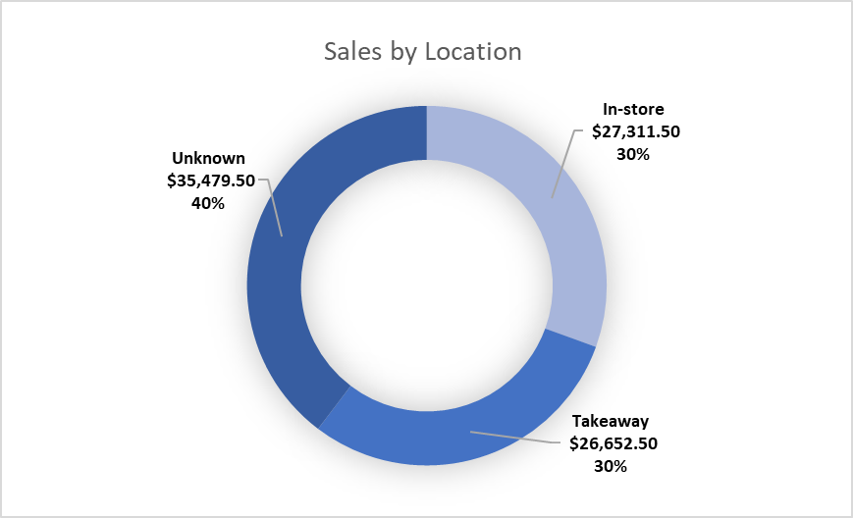

Itmes | Total Sales | Quantity Sold | Number of Transaction | Average Sales
Salad | $19,240.00 | 3848 | 1277 | $15.07
Sandwich | $13,796.00 | 3449 | 1131 | $12.20
Smoothie | $13,384.00 | 3346 | 1096 | $12.21
Juice | $10,560.00 | 3520 | 1171 | $9.02
Cake | $10,419.00 | 3473 | 1139 | $9.15
Coffee | $7,858.00 | 3929 | 1291 | $6.09
Tea | $5,482.50 | 3655 | 1207 | $4.54
Cookie | $3,608.00 | 3608 | 1213 | $2.97
Sandwich/Smoothie | $2,816.00 | 704 | 227 | $12.41
Cake/Juice | $2,280.00 | 760 | 248 | $9.19
Grand Total | $89,443.50 | 30292 | 10000 | $8.94

Sales Over Time
 | Sum of Total Spent | Sum of Total Spent2
Jan | $7,808.50 | $7,808.50
Feb | $7,003.00 | $7,003.00
Mar | $7,696.00 | $7,696.00
Apr | $7,640.00 | $7,640.00
May | $7,351.50 | $7,351.50
Jun | $7,785.50 | $7,785.50
Jul | $7,140.50 | $7,140.50
Aug | $7,339.50 | $7,339.50
Sep | $7,101.50 | $7,101.50
Oct | $7,705.00 | $7,705.00
Nov | $7,329.50 | $7,329.50
Dec | $7,543.00 | $7,543.00
Item Quantity Sold
 | Total
Sandwich/Smoothie | 704
Cake/Juice | 760
Smoothie | 3346
Sandwich | 3449
Cake | 3473
Juice | 3520
Cookie | 3608
Tea | 3655
Salad | 3848
Coffee | 3929
Sales by Payment Method
 | Total
Cash | $20,467.50
Credit Card | $20,526.00
Digital Wallet | $20,481.50
Unknown | $27,968.50

