DSC
Sno | Screens | Description | Status | Fix Status | Ftec Status | Ref No | Enlighting
1 | Arrear Customer (Chit and Loan) | Arrear customer only should show the reports (In the system it is showing entire value) | Pending | Report is fine. Need to confirm that inactive customers display. |  |  | In Arrear Reports, All the active and arrear subscriptions are fetching in Excel Report

2 | Paid & Unpaid | Prize amount - Need to show only the balance amount | Pending | Fixed | 1. Reports are opening 2. Routes are fetching with numbers |  | Displays error notification

 | Paid & Unpaid | Balance amount - In the report the balance showing even the customer made the payment |  | Clarified about 1 hour job schedule | Checked Few customers in both Paid / Unpaid, Fetched correct
 | Paid & Unpaid | Paid/Unpaid - Amount variation need to check |  | Clarified about 1 hour job schedule

3 | Business report | Business report - Commission agent details are not showing only collection agent showing in the report |  | Fixed | Checked

4 | Divident | Divident button need to be added and can be edited in the passbook |  | Fixed - on 28 Jan 24 | Not completed (Divident button not added) | >>>>


5 | All reports | Route numbers are not showing up |  | Fixed | Checked |  | In all reports, Route shows without route number
 |  |  |  | In EXCEL reports

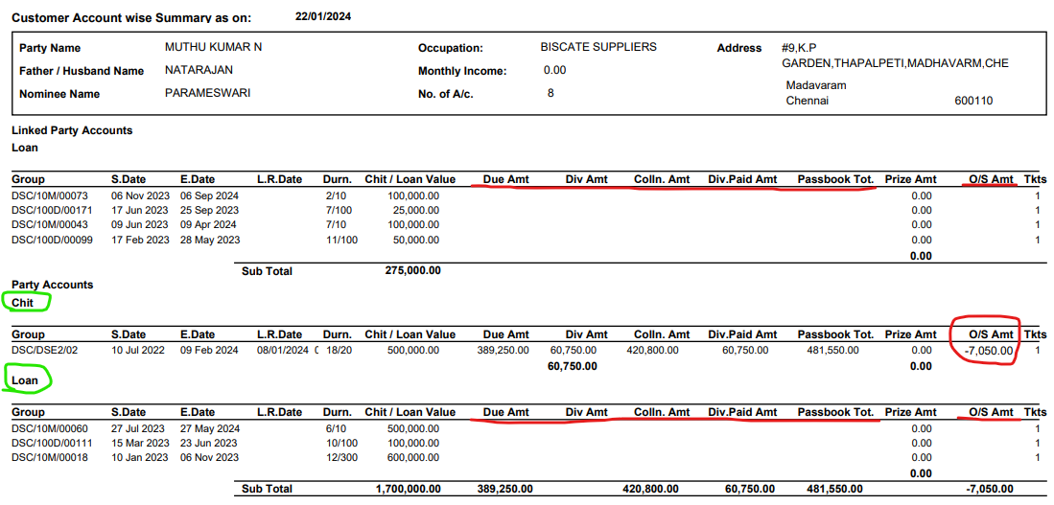
6 | Customer Account Summary reports | Summary report - Collection entry is not showing |  | Fixed | Partially Completed
 |  |  |  | Collection amount , O.S amount columns will show value for loans
 |  |  |  | negative o/s indicates that excess paid amount

 |  |  |  |  |  |  |  | Red indicates - Missed data
 |  |  |  | Already subscription codes are displayed!? | Loan Subscription index need to display |  |  | Green indicates - Suggestion | Either Subscription name need to display in report or Loan subscription need to display in Loan subscription

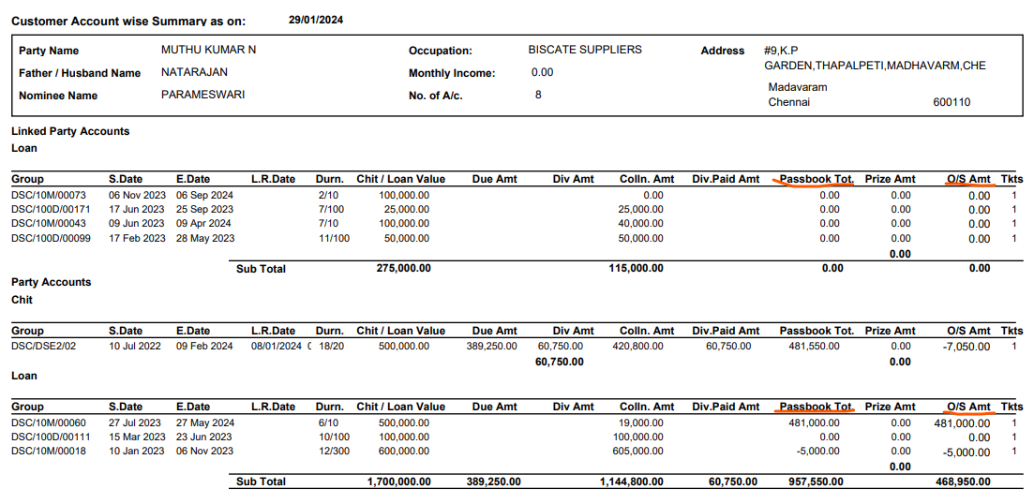

7 | Customer Account Summary | Loan - Passbook entry is done but not showing the value the report (muthukumar n) - Customer details | (Related to Loan subscription) | Fixed | Not completed Beside attache the screen shot Below shown party account was displaying passbook amount but for MuthuKumar not fetching | >>>>>>

8 | Active / Inactive | active/inactive |  | Fixed | Checked

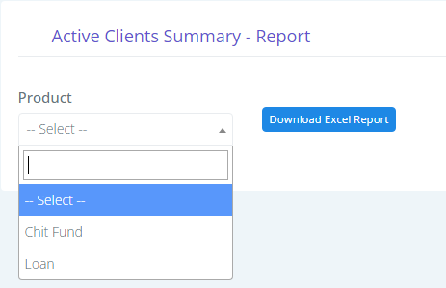

 |  |  | This is the screen in Dhansree product need to change like as in Thamburan screen

 |  | DHANASREE

 |  |  |  |  |  |  |  | THAMBURAN

9 | Loan subscription & Reports | report - 100,20,10(Loan subscription automatiically arrear reports) | Pending | Need confirmation of this fix. Check with customer for the actual requirement. (Closed / Legal /Active/ etc - Based on which status this should be automated) -Only in scheduled SP this can be done. |  |  | After selcting the 100days, 10months or etc scheme of Loan, Based on the loan date after finishing the loan date automatically subscriptions need to fetch in arrear status and arrear reports

10 | Chit Subscription & Reports | Based on disbursement date status should change to arrear | Pending | Need confirmation of this fix. Check with customer for the actual requirement. (Closed / Legal /Active/ etc - Based on which status this should be automated) -Only in scheduled SP this can be done. |  |  | After completing the date of scheme subscription need to change automatically to Arrear status and arrear reports

11 | Loan Subscription | Screen able edit after the submit | Pending | Fixed | Checked |  | Screen need to display dropdown list for editing after the Loan subscription
 |  |  |  | Only Modification allowed form values can be editable.

12 | Ledger | Need to align the ledger | Pending | Fixed | Not completed in Loan Subscription
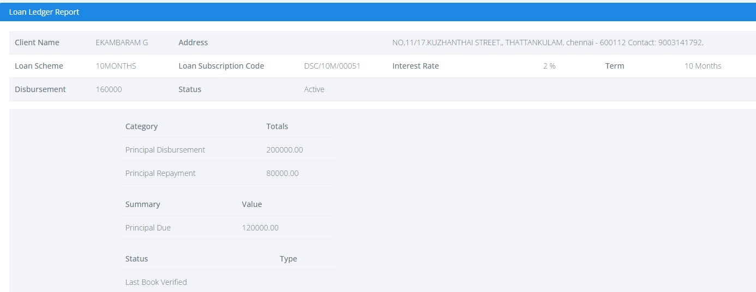

 |  |  |  |  |  |  | >>>>>>>>>>>>>

13 | Loan Subscription | Loan ID need to display in index | Pending | Fixed | Not Completed | >>>>>
 |  |  |  | Subscription code already displayed

14 | Client Master | There is no email id and Contact person field in add new screen | Pending | Fixed | Checked |  | Need to add fields in side the screen
 |  |  |  | Contact person for company ; Email id enabled to enter

15 | Difference of STC and DS | Active client summary and Paid / Unpaid |  | Fixed | Checked

 |  | DHANSREE

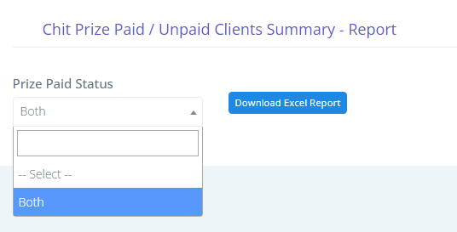

 |  | THAMBURAN

16 | Transaction Collection | Need to hide all the dropdown list except Collected |  | Fixed | Checked

17 | Daily Collection Plan | Error notification displays |  | Fixed | Checked

18 | Loan Subscription | After submitting the subscription changes should not take or if any changes done that should effet in ledger too |  | Working Fine | Woking Fine

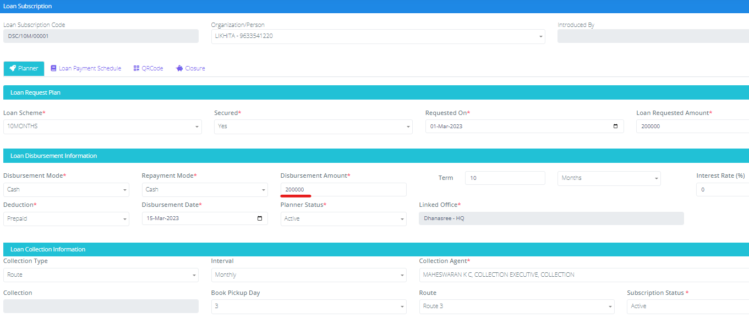

19 | Chit Subscription | Can able to change the status to previous too |  | Working fine | Working fine
20 | Loan subscription | Need to remove the below highlighted columns Coz there is no such field in subscription screen |  | Pending

21 |  | Add all the report names. It just displays the date
 |  | The below attached screen shot are the downloaded excel reports of paid/unpaid, active and business etc but cann't find which report is active based on the number. |  | Pending
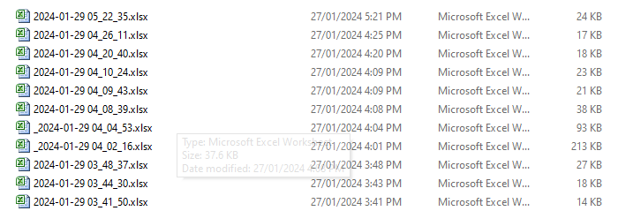

22 | Loan Subscription | If any customer are completing the loan period. Before 15days must indicate |  | Pending
23 | Transaction Collection / Ledger | Same type and amount are displaying only once |  | Pending
24 | Paid / Unpaid Report | Loan details are not there in excel. Only Chit details are there.
25 | Arrear Report | Closed customers are fetching from Loan Subscription
26 | Loan Subscription | If the customer going to completed subscription time before 1 month should indicate

