Land
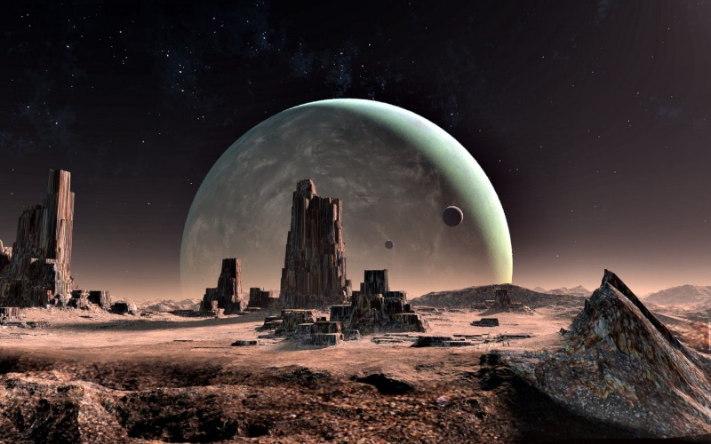
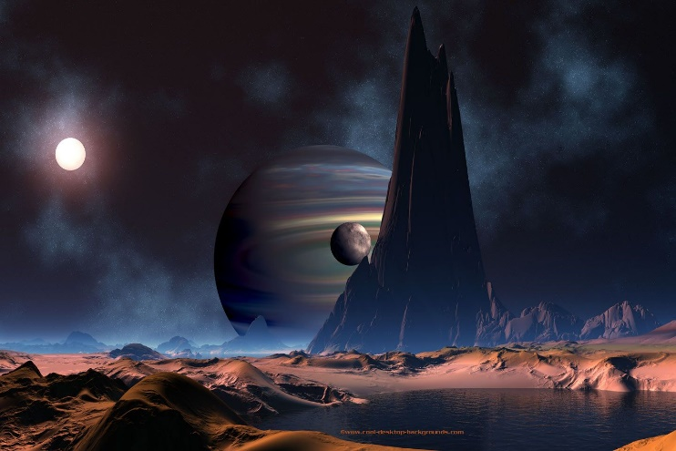
 |  | Land Art

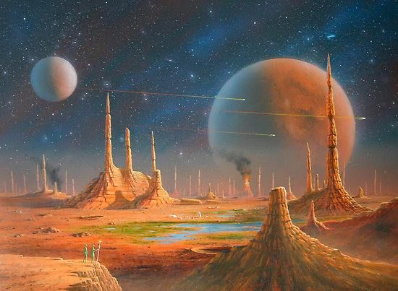
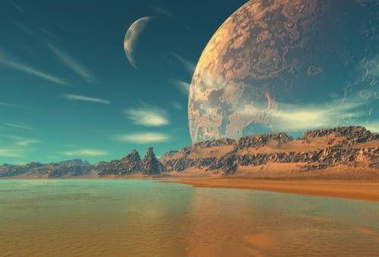
Land Names |  |  | Example Land Design Ideas
Hydrogen (Common) | Hydra
Carbon (Scarce) | Centaurus
Nitrogen (Rare) | Andromeda
Plasma (Ultra Rare) | Dorado
 | Land

NFT Design Requirements
There will be 4 x Land pieces that need individual design. We imagine them to be a space themed landscape (think craters, space plants, water etc.) - See examples to the right of what we're thinking. We want each land to have it's own distinct colour spectrum/feature set to differentiate them in a subtle way. It would be ideal to have each rarity getting darker in fashion (NFT ideas to the right - Top left common, top right scarce, bottom left rare, bottom right ultra rare, see how they get darker as the rarity increases).

Martians
 |  |  |  | Martian Art

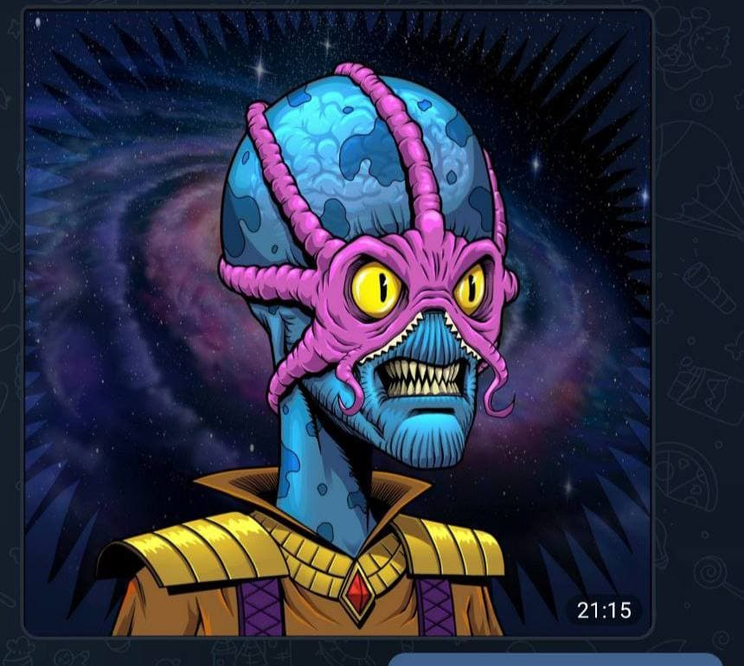
Martian Names |  |  |  |  | Example Martian Design Ideas
Hydrogen (Common) | Hydra Warrior | White Jewel |  |  |  | Interchangeable Characterstics
Carbon (Scarce) | Centaurus Warrior | Purple Jewel |  |  |  | Colour of Martian | Green | Blue | Purple | Black
Nitrogen (Rare) | Andromeda Warrior | Red Jewel |  |  |  | Teeth | Design these individually but can be used on multiple martians
Plasma (Ultra Rare) | Dorado Warrior | Black Jewel |  |  |  | Mask + Clothing | Design these individually but can be used on multiple martians
 | Martian | Linked Jewel |  |  |  | Eye Colour | Yellow | White | Blue | Red

NFT Design Requirements
In terms of Martian colour, teeth, eyes and masks, these can be randomly designed and implemented onto any Martian regardless of rarity. The only exception is we want to reserve red eyes and black shiny tiger like fangs for the Ultra Rare martians. We also want the planet jewels implemented onto the martians based on their rarity (see planetary jewels tab for position of jewel on individual martians).

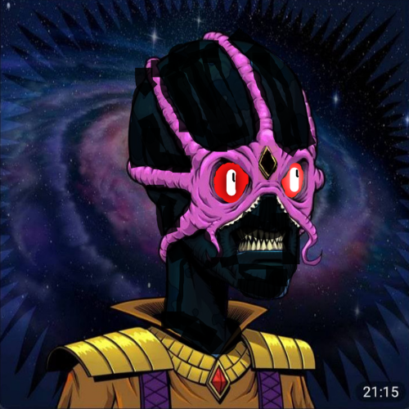

Ultra Rare specifically Requirements
We want the three Ultra Rare martians to all have red fiery eyes and black tiger like fangs. These are the ONLY NFT's that will have these characteristics. Mask can be interchanged and design of martian with your imagination to make them that extra bit unique (potentially a different shaped head?) - The main characteristics I'm bothered about is the placement and colour of the jewel on the head, red eyes, black skin and tiger like fangs (not included on example).

 |  |  | Ultra Rare Example

Spaceships
 |  | Martian Art

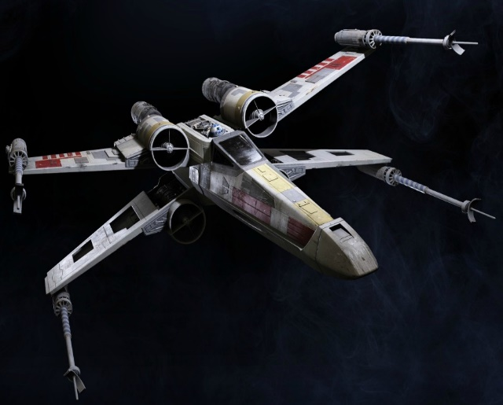
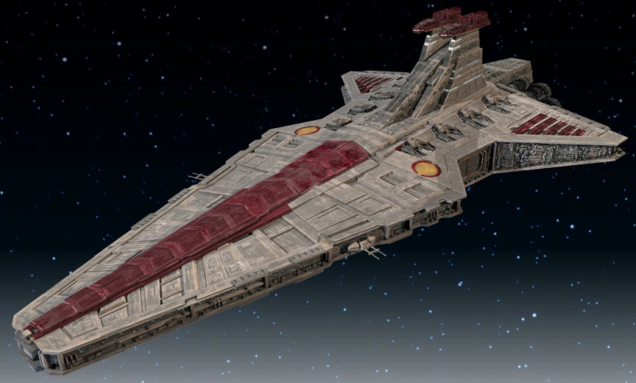
Spaceship Name |  |  | Example Spaceship Design Ideas
Hydrogen (Common) | Hydra Speeder
Carbon (Scarce) | Centaurus Speeder
Nitrogen (Rare) | Andromeda Battlecruiser
Plasma (Ultra Rare) | Dorado Destroyer
 | Martian

NFT Design Requirements
Speeders need to look smaller and suitable for an individual martian to be flying in it. The Battlecruiser and Destroyer are much larger entities that look like hub areas for a group of martians. Examples are all taken from Star Wars, but that's the vibe we're looking to go with. They can also be cartoonised to fit alongside the design of the martians.

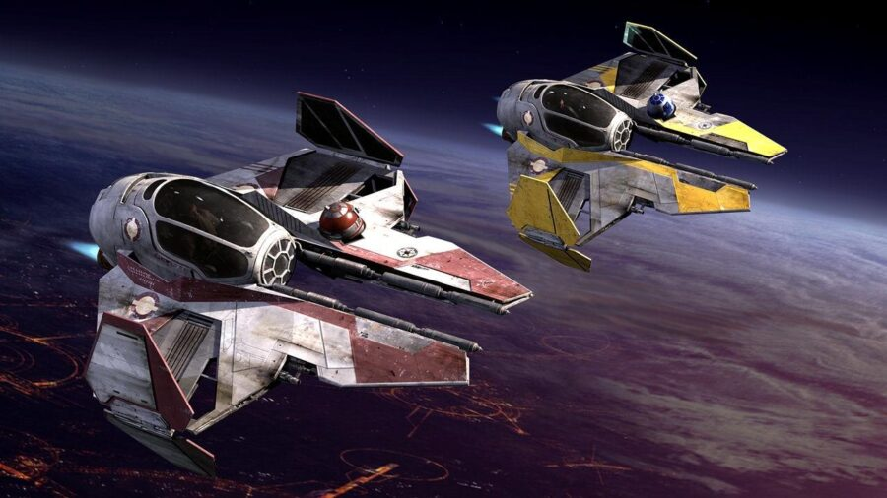
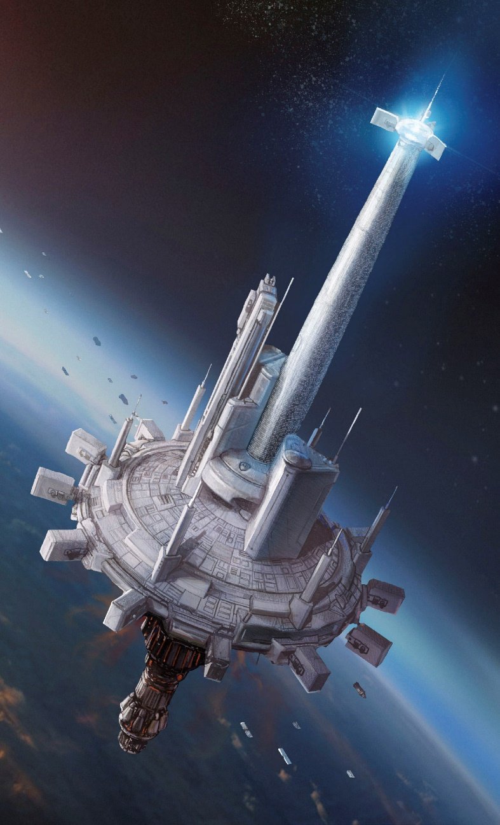

 |  |  |  | Battlecruiser

 |  |  | Speeders
 |  |  |  | Destroyer

Weapons
 |  |  | Weapon Art

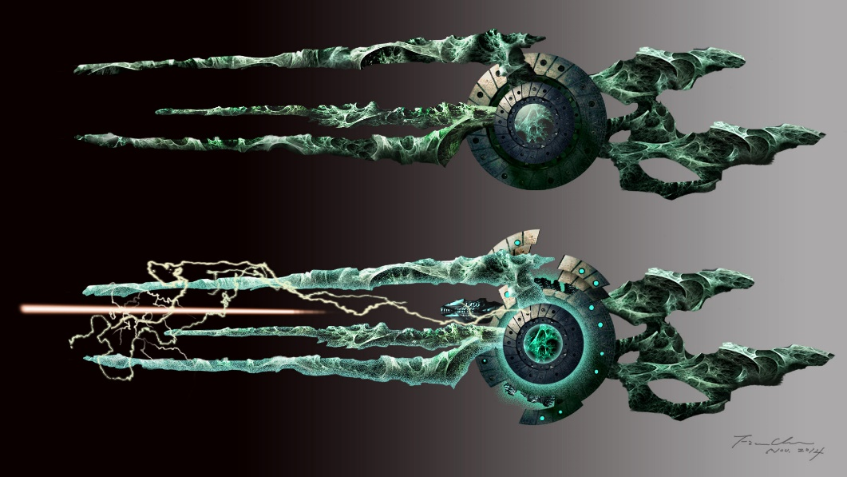
Weapon Names |  | Cannon |  | Example Weapon Design Ideas
Hydrogen (Common) | Hydra Blaster
Carbon (Scarce) | Centaurus Blaster
Nitrogen (Rare) | Andromeda Cannon
Plasma (Ultra Rare) | Dorado Scyth |  |  |  |  | Scyth/Staff
 | Martian

NFT Design Requirements
For the Hydra (common) and Centauras (scarce) lands, we want the weapon component to be in the form of a blaster (smaller space-themed gun). For the Andromeda (Rare) we want the weapon component to be in the form of a Cannon (larger space-themed gun). For the Dorado (Ultra Rare) land, we want the weapon component to be in the form of a mystical scyth/staff.

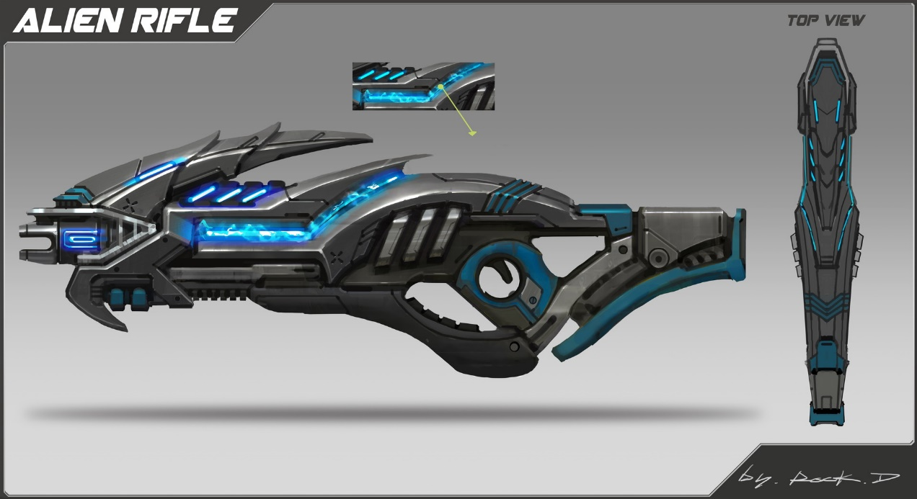

 |  |  |  |  | Blaster

