一、project description
Project Summary
Project goal | 1. Based on the Chogori platform, a distributed memory Schema-aware KV (SKV) system, evaluate the system performance of the memory tiered architecture and make use of the SKV architecture. 2. Based on the evaluation result, design a efficient single-node full-memory index structure and study its application scenarios. 3. Based on the evaluation result, optimize the object storage system with the hybrid memory architecture and study its application scenarios. 4. Based on the SKV architecture, design the NDP operator acceleration system of the graph storage engine and study its application scenarios.
Project plan
System architecture | 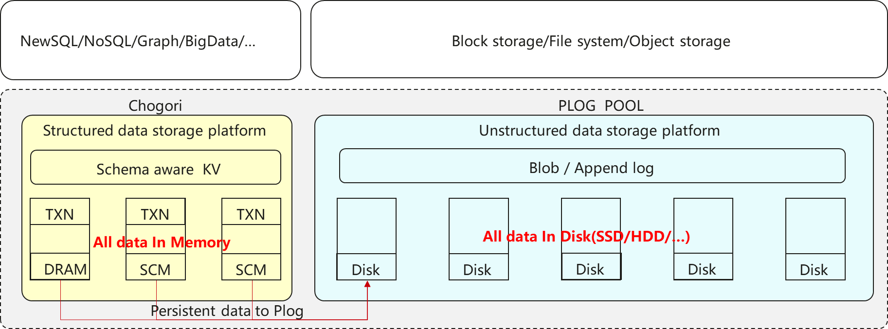 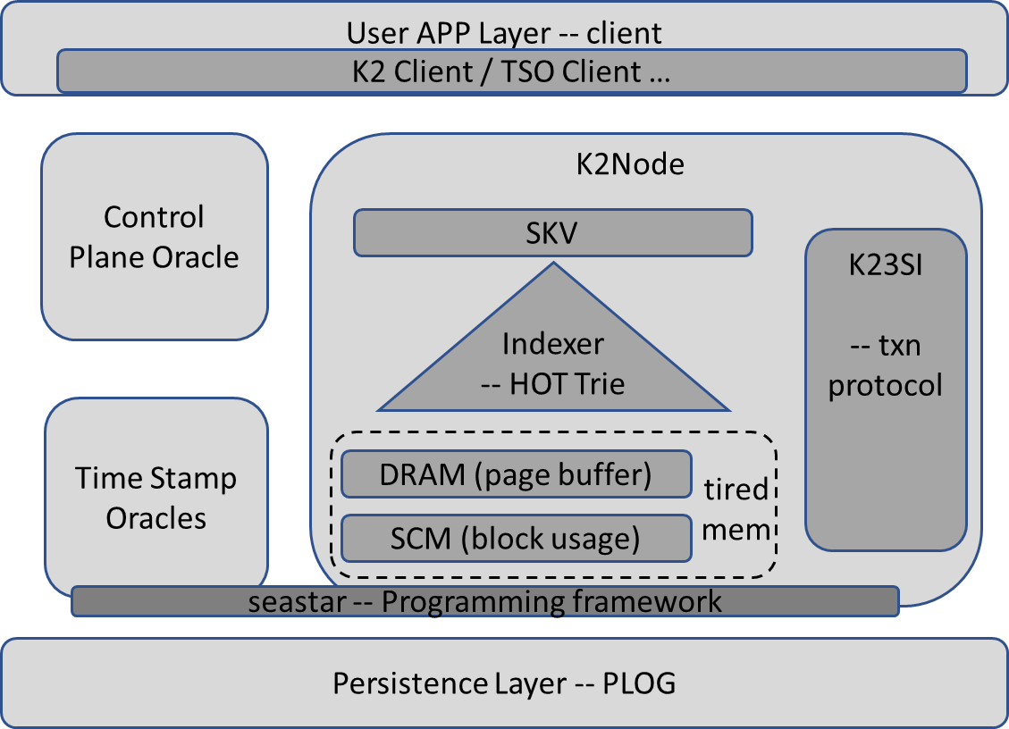
Biweekly Overall Progress（from Start - 2021.1.14）
Overall Progress： 1. Survey on the memory index, MVCC, page cache policies, and distributed transaction protocol; 2. Successfully deploy and run Chogori open source project; 3. Preliminarily understand and design how to find an empty slot for the hot row in the PBRB cache. 4. Preliminarily understand where and how index work in Chogori project. 5. Simply learn the plog design framework in chogori. 6. Investigate the data layout of graph and compare with SKV. 7. K23SI transaction optimization about write intent pending. Next Plan： 1. Following the indexer branch, (define a unified interface if necessary), implement the indexer module and integrate the hot trie index (Yirui Lai). 2. Implement important functions in PBRB: find empty slots, read/insert hot rows from/to PBRB, eviction policy, e.g., LRU, LIRS, 2Q (Qiang Zhang and Ruida Xu). 3. Research on persistent Memory and Plog (Zhen Liu) 4. K23SI transaction optimization (Zuo Shun) 5. Graph database survey (How to efficiently use SKV to represent graphs.)(Mingxiang Lu) 6. Implement K23SI transaction optimization schema(Zuo Shun)
Biweekly Overall Progress（from 2021.3.1 - 2021.3.14）
Overall Progress： 【Index】 1. Coding the detail impelmentation of index interface. 2. Survey on state-of-the-art in-memory index. 【PBRB】 1. Reorganize and improve the algorithm to find empty slots from PBRB. 2. Survey on the detail impelmentation of eviction policy in Redis. 【PLog】 1.Research papers based on PMM including index structure, kv optimization and file system areas. 2.Done some simple file benchmarks with NVM based on Ext4 file system under dax mode. 【Transaction】 1.Merge the optimization discussed before with the new optimized version in k23SI-Detailed-States. 【Graph】 1.Do research on the open source graph database.
Biweekly Overall Progress（from 2021.3.14 - 2021.3.30）
Overall Progress： 【Index】 1. coding to realize index leaf node keyValueNode cache multi-version information. 【PBRB】 1. working on cache write and eviction strategy coding, not yet integrated into the Chogori project. 【Transaction】 1. optimize the use of payload in some updates. 【PLog】 1.Test AEP reading and writing performance in a laboratory environment. 【Graph】 1.analyze several graph databases, focusing on nebula.
三、Risks & Call for help

二、Detailed Progress(TxnSystem)
二、Detailed Progress
System | Module | Task | Priority | Workload | responsible personality | Planned completion time | Completion time | Status | Details | Risks | Remarks
distributed transaction system | K23SI protocol | Understand the K23SI transaction protocol. And compares the protocol with spanner | high | big | Shun Zuo | 2020-12-27 | 2020-12-27 | finished | Spanner 和 K2 的不同点可以归纳为以下几点： 1. 一致性等级：Spanner 处于 lineraizability，该一致性更关心实时时间顺序，而 K2 则是处于 SC，只关注于所谓的 program order，当然，由于其独立性的限制，并不是所有的 SC 操作序列都可以出现在 K2 事务中 2. 并发控制：对于读写事务，Spanner 使用 2PL/PCC，而在 K2 中则是使用 WI-ReadCache/PCC 来控制并发 3. 单个写操作：对于单个的写操作而言，K2 会将每个写操作的数据迅速发送到相关的 Node 节点上，但是在 Spanner 中，写操作的数据会在最后跟随 Commit 请求一起提交。因此，在 Spanner 中，并不存在 read-own-write 特性（注意：可以改进 Spanner 相关协议，使得其支持该特性） 4. 提交协议：K2 使用的是 1PC，而 Spanner 使用的是改进过的 2PC 协议，在提交操作的时候，K2 需要更少的 RTT。
 |  | Optimize the RetentionWindow to reduce the memory footprint of Multi-versioned records | low | medium | Shun Zuo | - |  | pending
 |  | Optimize the WI of K23SI transaction.The server returns WI_persis_pending after writing WI in the memory | high | big | Shun Zuo | 2021-01-22 | 2021-01-29 | finished | 最终总结出来的方案如下（示意图在右边的单元格中）： 1. 不同于最开始的同步版本，现在客户端将 w_req 发送给对应的 participant，participant 立即返回 w_ack_pending 给客户端，从而允许客户端再次发送一个w_req 到另外一个 participant 上，从而实现异步发送写请求 2. 当我们采取这个异步写的优化方案的时候，我们就需要解决如何追踪对应 write key 的持久化信息，本方案中采用的是 TRH 来追踪这些持久化信息，当客户端发送 end_req 的时候将会附带该事务中的所有 writeKeys，TRH 从而可以对比自身追踪到和由客户端发送过来的 writeKeys 来判断是否所有的 wirte 操作都已经持久化，从而决定是 abort 客户端的 end_req | 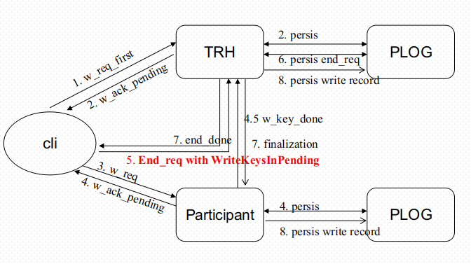
 |  | Merge the optimization discussed before with the new version in K23SI-Detailed-States. | high | medium | Shun Zuo | 2021-03-19 | 2021-03-19 | finished | The integrated plan is shown on the right: 1. The client determines trh in the first write operation, and then every time a write request is sent to the participant, it needs to send an additional w_key_req request to trh to notify trh of the key value written by the current transaction, and the current write request of the client It contains the request id; 2. When the participant receives the w_req from the client, it immediately returns w_ack_pending to notify the client that the write request has been received and the persistence task is executed in the background. When the task is completed, it informs trh that the persistence is successful; 3. Trh needs to maintain a std::map<dto::Key, WriteKeyStatus> internally, which is used to track whether the key corresponding to the write request is persisted successfully. WriteKeyStatus records the request id corresponding to the last write request, and contains a boolean variable isPersisted used to indicate whether the persistence is successful; 4. When processing onEnd(C), trh needs to wait for a period of time to ensure that all write requests are persistently completed. If the waiting time exceeds the waiting time, abort. 5. Since trh can know in advance that those write requests have been persisted, when the transaction enters the ForceAbortedPIP state, the finalization (aborted) task can be executed in advance to improve the overall throughput of the system. | 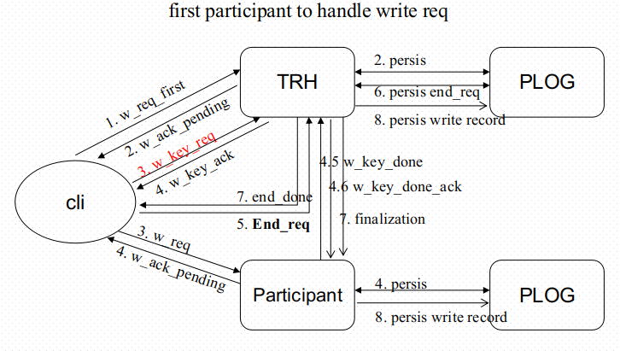
 |  | Implementation of the updated optimization schema | high | big | Shun Zuo | 2021-03-31 |  | pending | Since the implementation task of the new transaction state machine is handed over to ivan, it will modify the relevant code in the process of implementing the state machine to support the optimization scheme. This part of the code will not be implemented for the time being. This part of the related code implementation ivan has submitted pr, and my current task is to understand and familiarize with the relevant content in its pr, such as the change of the state of the transaction state machine, the state machine transition condition, and the persistence of the transaction.
 |  | Implement the copyToPayload method in Payload.cpp(mainly the issue #74) | low | medium | Shun Zuo | 2021-04-09 |  | ongoing | The current PartialUpdate method is implemented by constructing a complete record with known information, and then writing it into the memory. Since the two operations of payload reading and writing are involved in this process, the current implementation way is relatively ineffective. Therefore, we can directly implement the data copy operation between two payloads by adding a method copyToPayload to improve the execution efficiency of partial update. The work arrangement is as follows: First, implement the template method copyToPayload according to the existing code; then, transplant the partial update method (mainly involving the merging of data read and write operations) to improve its efficiency; finally, write some tests to verify the correctness of the code implementation.
 |  | submit the pr of the implemented copyToPayload method | low | medium | Shun Zuo | 2021-04-14 |  | ongoing | The main task is to test the implemented copyToPayload method, and make it pass the test (mainly unit test and integration test), and submit pr after confirming that it is correct.

