supplier_totals
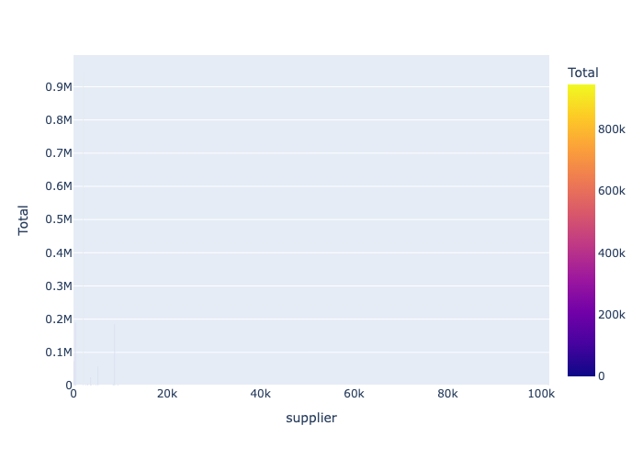
supplier | value
2074 | 945,594.86
404 | 189,200.79
8842 | 183,921.25
20 | 72,423.69
5269 | 57,288.59
3701 | 24,643.44
8471 | 3,134.00
3028 | 3,130.62
4798 | 2,877.00
426 | 1,356.08
101722 | 1,345.02
9484 | 1,295.00
2621 | 763.00
101418 | 526.56
9598 | 519.50
2647 | 475.60
3749 | 465.25
4220 | 402.90
3772 | 345.68
71 | 251.34
5469 | 140.40
5528 | 114.80
8029 | 58.10

