Question7
Question 7

Obtain the Full names as seen in the Output table

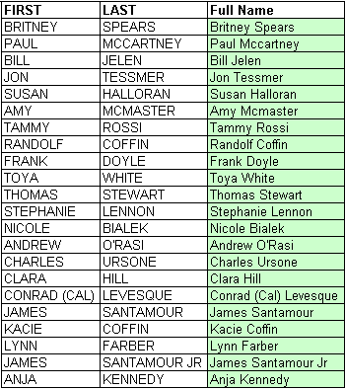
FIRST | LAST | Full Name
RAHUL | GANDHI | Rahul Gandhi
NARENDRA | MODI
VIRAT | KOHLI
BILL | GATES
SALMAN | KHAN
RANVIR | SINGH
TAMMY | DCOSTA
JASPRIT | BUMRAH
JINSON | GEORGE
SHUBHAM | SHARMA
RUSHI | PATEL
KRUTI | PATEL
MUKESH | AMBANI
NITA | AMBANI
ANIL | AMBANI
VIJAY | MALYA
NEERAV | MODI
LALIT | MODI
AYUSH | AGARWAL
TARAK | MEHTA
JETHALAL | GADA
ANJALI | SINGH

