MavenCentral
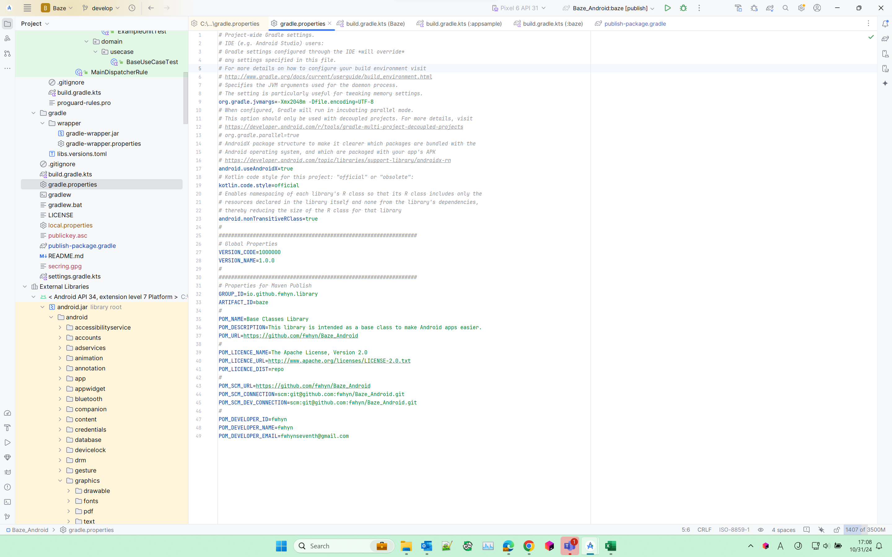
1 | Create an App Project
 | File -> New -> New Project
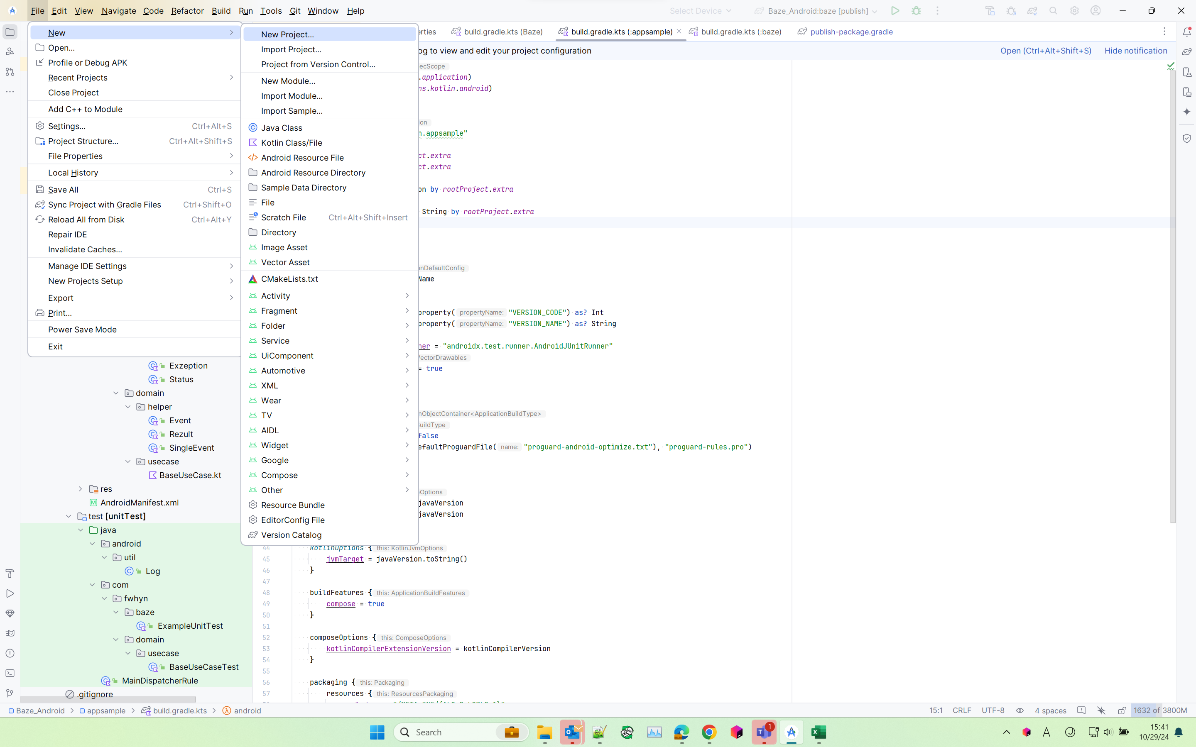

2 | Add a Module Library
 | File -> New -> New Module
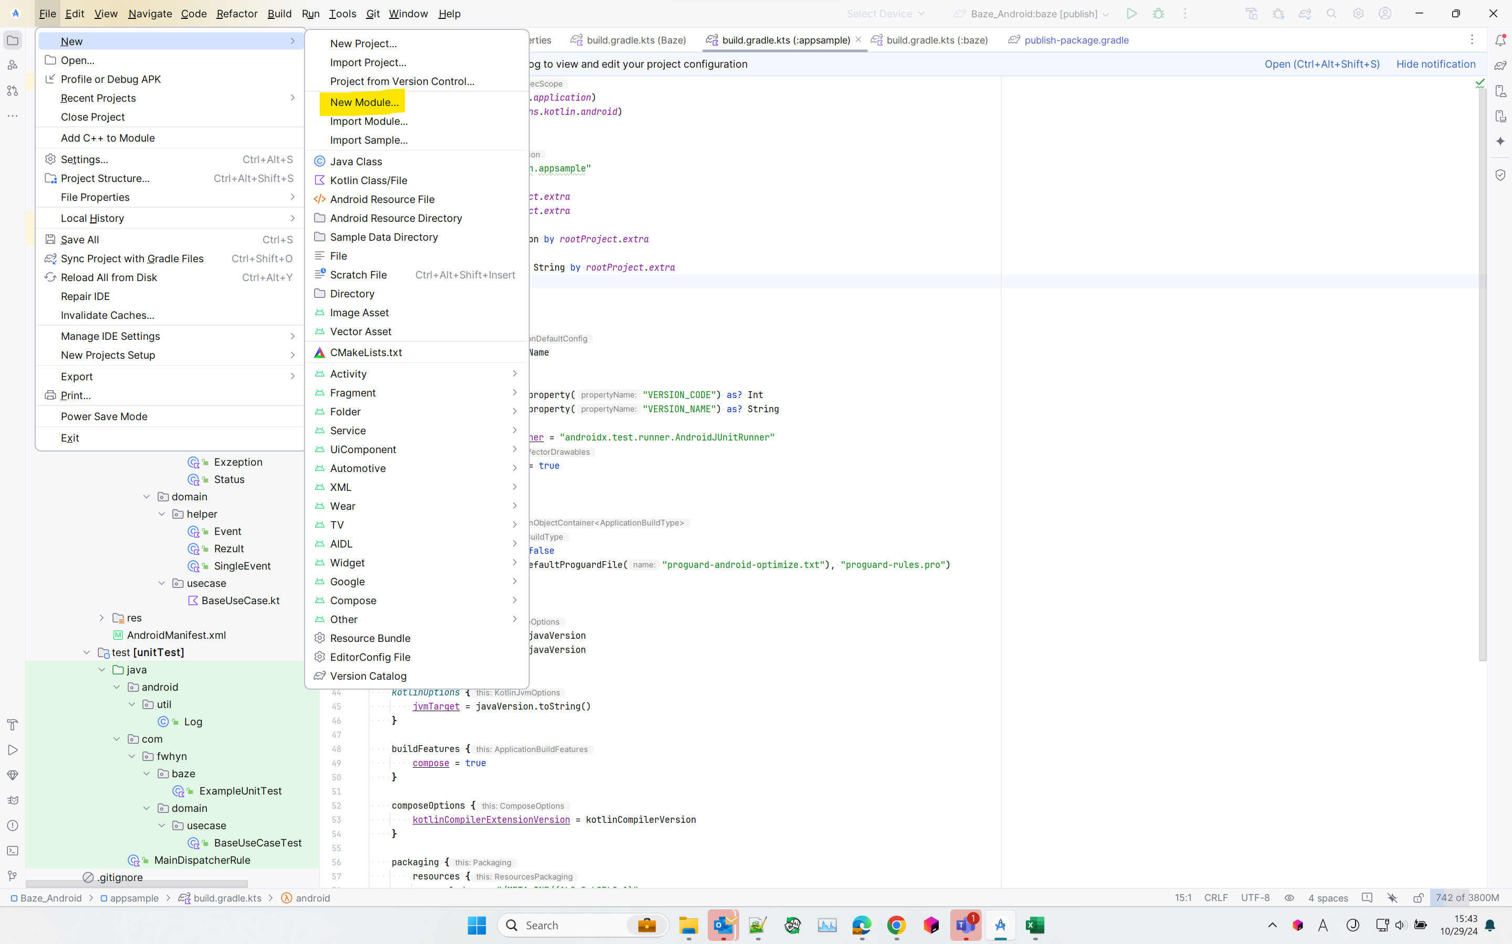

3 | Release Setting
 | 3.1 | Get GPG ID
 |  | 3.1.1 | Execute this check whether the key is already generated or not
--------------------------------Command Prompt---------------------------------
gpg --list-keys --keyid-format short

 |  |  | Output example:
pub ed25449/G9SDGAS8 2024-01-03 [SC] [有効期限: 2027-01-02]
4C50F16C06E72AFC9BBEF1D7ADSFASDG9SDGAS8
uid [ 究極 ] fwhyn <fwhynseventh@gmail.com>
sub cv25519/8ED34GF 2024-01-03 [E] [有効期限: 2027-01-02]
pub ed25449/GpgShortKeyId 2024-01-03 [SC] [有効期限: 2027-01-02]
GpgFullKeyId
uid [ 究極 ] fwhyn <fwhynseventh@gmail.com>
sub cv25519/8EDF213C 2024-01-03 [E] [有効期限: 2027-01-02]

 |  | 3.1.2 | If it is not generated yet, then generate the ID using this command:
--------------------------------Command Prompt---------------------------------
gpg --gen-key

 |  |  | Enter your name
 |  |  | Enter your email address
 |  |  | Enter and re-enter PassPhrase:
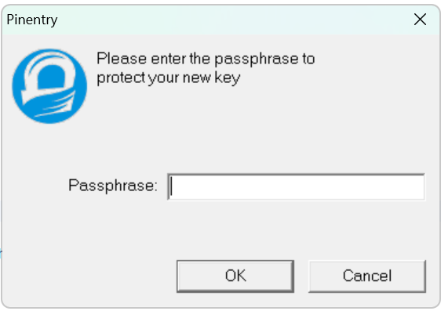
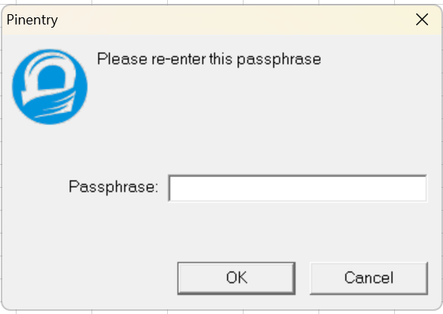

 |  |  | then run step 3.1.1 again

 |  | 3.1.3 | Generate Secring.gpg
 |  |  | Execute this command
--------------------------------Command Prompt---------------------------------
gpg --export-secret-keys -o secring.gpg

 |  |  | copy generated result to
 |  |  | C:\Users\UserName\.gnupg

 | 3.2 | Set the GPG
 |  | C:\Users\UserName\.gradle\gradle.properties
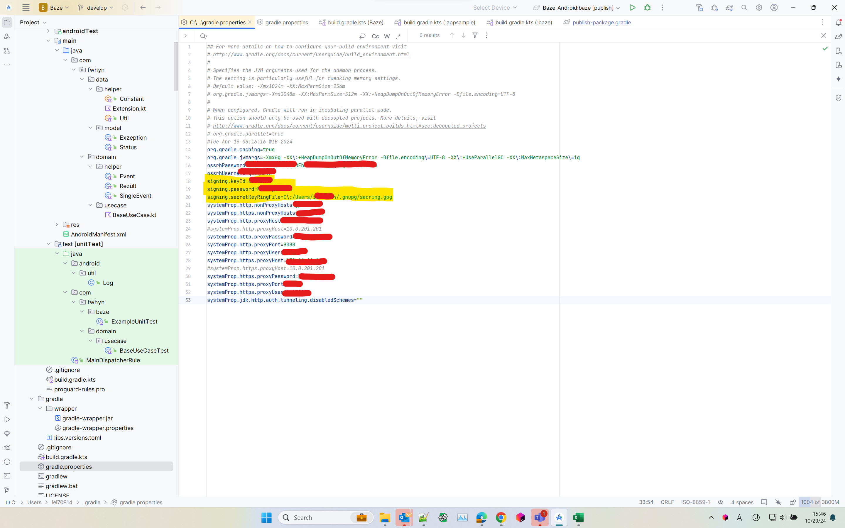

 |  | Add this to the file:
signing.keyId=GpgShortKeyId signing.password=PassPhrase signing.secretKeyRingFile=C\:/Users/UserName/.gnupg/secring.gpg

 | 3.3 | Set for POM properties
 |  | \YourLibProjectName\gradle.properties

