Sheet1
Item |  |  | No. | Checked | Remark
Example |  |  | 0
What Is a Test? |  | A test is a manual or automatic procedure used to evaluate if the System Under Test (SUT) behaves correctly. | 1
 |  | Essentially, there are two approaches to writing tests: - Write tests before you write the feature. - Write tests after you write the feature. | 2
 | Why should you test? | Change/refactor confidence We can change/refactor the code with confidence without breaking previous functionallity/behaviour (regression) | 3
 |  | Documentation Can tell how the code works/the requirements by the test items | 4
 | How to write a test | Meaningful name Example: - whenAnsweringCorrectly_shouldIncrementCurrentScore - `when answering correctly, should increment current score`
 |  | Short and simple
 |  | Check one single thing
 |  | Readable
 | What should you test? | Code that breaks often
 |  | Code that will change
 | What should you not test? | External dependencies
 |  | Autogenerated code
 | When should you not test? | Throwaway/prototype code
 |  | Code you don’t have time to test
 |  | Code spikes
 | Test Coverage
 |  | We can check it by a tool (Built in feature/plugin in the IDE)
 |  | I will not 100%, but test based on the necessity

What Is TDD? |  | A process in which you write the tests for the code you are going to add or modify before you write the actual code.
 | Why is TDD important? | Write intentionally
 |  | Automatically document
 |  | Keep maintainable code
 |  | Have confidence in your code
 |  | Develop faster
 |  | Higher test coverage
 | Red-Green-Refactor Step | Red Write a failing test first, to prevent false positives
 |  | Green Make your test pass
 |  | Refactor Refactor after write some tests

The Testing Pyramid |  | 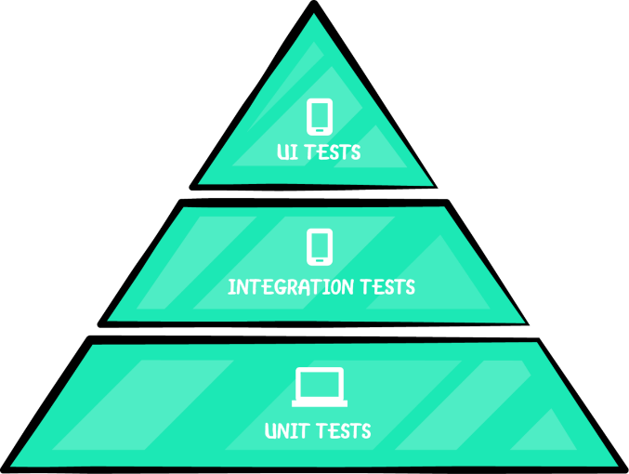
 |  | You should have lots of small unit tests, some integration and fewer UI tests.
 | Unit tests | Unit tests are the quickest, easiest to write and cheapest to run. They generally test one outcome of one method at a time. They are independent of the framework. The System Under Test (SUT) is one class and you focus only on it. All dependencies are considered to be working correctly — and ideally have their own unit tests — so they are mocked or stubbed.
 | Integration tests | Integration tests move beyond isolated elements and begin testing how things work together. You write these type of tests when you need to check how your code interacts with other parts of the Android framework or external libraries. You shouldn’t use the real production API, use local or fake testing server.
 | UI tests | These tests emulate the user behavior and assert UI results. These are the slowest and most expensive tests you can write if you run them on a device or emulator
 | Distributing the tests | - UI Tests: 10% - Integration Tests: 20% - Unit Tests: 70%

Unit Tests | Set Up | Configure or set up. Example: instantiate a class.
 | Assertion | Execute the method that we want to test and assert the result
 | Teardown | Reset the test state after the test is done. (Not always necessary)

Architecting for Testing | Why does architecture matter? | Good architecture supports testability and maintainability, which are critical for sustainable development and successful TDD practices.
 |  | Poor architecture includes: - Single methods with too much logic. - Classes with too many responsibilities. - These structures make it impossible to test logic in isolation.
 |  | Well-architected apps: -Organize logic into smaller methods and separate classes. - Allow independent testing of public methods and classes.
 |  | In Test-Driven Development (TDD): - Feature changes should start with writing or updating tests. - If tests are hard to manage, developers will likely abandon TDD. - A good architecture should make writing and updating tests easy and natural.
 |  | To achieve a robust architecture, it’s important to know and understand design patterns and the SOLID principles.
 | Design patterns | Reusable solution to a common software design problem. It’s not finished code, but a general template or best practice you can adapt to solve problems in your specific context.
 | Design patterns - Creational | Describe solutions related to object creation
 |  | Singleton Only one instance of a certain class may exist
 |  | Builder Abstracts the construction of a complex object, joining several parts. Example: AlertDialog.Builder(this) .setTitle("Error!") .setMessage("There was an error, would you like to retry?") .setPositiveButton("Retry", { dialogInterface, i -> ... }) .show()
 |  | Dependency Injection A method to provide objects (dependencies) that a class needs — instead of the class creating those objects itself. Type: - Constructor Injection - Property or Method injection
 | Design patterns - Structural | Ease the design to establish relationships between objects
 |  | Adapter (or Wrapper) Example: Adapter to show list of data in a RecyclerView
 |  | Facade Defines a high-level interface object which hides the complexity of underlying objects. Example: When a client object call getProducts(), it will get products object without knowing whether they are from local or server
 |  | Composite Construct complex objects composed of individual parts, and to treat the individual parts and the composition uniformly Example: View, ViewGroup
 | Design patterns - Behavioral | Explain how objects interact and how a task can be divided into sub-tasks among different objects.
 |  | Observer There’s an observable object which you can observe, and there’s one or more observer objects that you use to subscribe to the observable Example: OnClickListener, LiveData
 |  | Command Describes the encapsulation of an operation without knowing the real content of the operation or the receiver. Example: Undo or Redo feature
 | Architectural design patterns | 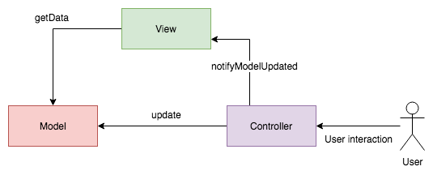 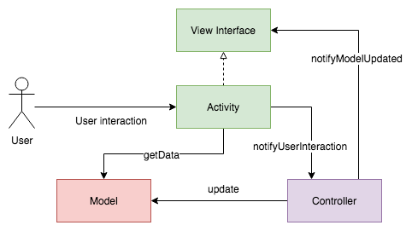 MVC View and Controller logic are combined, makes hard to test. Try to split View and Controller by using View Interface Before: After:
 |  | 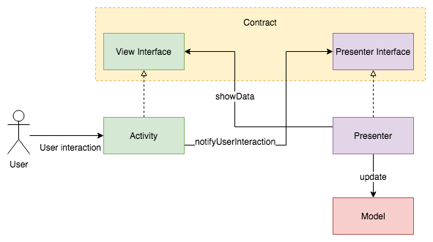 MVP Presenter retrieves data from the Model and updates it accordingly. It has UI presentation logic that decides what to display. It notifies the View when a Model has changed. Therefore, it has a reference to the View and the Model. Differences between the MVC and MVP patterns are that in MVP, the View doesn’t have a direct reference to the Model, meaning it is loosely-coupled. Instead, the Presenter brings the transformed or simplified Model, ready to be displayed to the View. MVP also proposes that the Presenter should handle everything related to the presentation of the View. When testing you can mock both view interface or presenter interface, based on the necessity.
 |  | MVVM ViewModel retrieves data from the Model and updates it accordingly. Exposes streams of data ready to be displayed, but it doesn’t know and doesn’t care about who is subscribed to the streams. The ViewModel doesn’t have a reference to the View, not even an interface. It just exposes streams of data (Observables), it could be the Model or a transformed-displayable Model. When testing you can mock the viewmodel dependency, based on the necessity and assert the observable state that will be consumed by the UI.
 | SOLD principles | Single responsibility (SRP) Each class should have a unique objective or should be useful for a specific case
 |  | Open-closed Classes, methods, etc. should be open for extension but closed for modification
 |  | Liskov substitution In the subclass you can override some of the parent methods as long as you continue to comply with its semantics and maintain the expected behavior
 |  | Interface segregation This principle encourages you to create fine grained interfaces that are client specific.
 |  | Dependency inversion This principle states that a concrete class A should not depend on a concrete class B, but an abstraction of B instead

Introduction to Mockito | Mocking and verifying | @Test fun whenAnswering_shouldDelegateToQuestion() { // 1 val question = mock<Question>() // this is mocking val game = Game(listOf(question)) // 2 game.answer(question, "OPTION") // 3 verify(question, times(1)).answer(eq("OPTION")) // this is verifying }
 | Stubbing methods | @Test fun whenAnsweringCorrectly_shouldIncrementCurrentScore() { // 1 val question = mock<Question>() whenever(question.answer(anyString())).thenReturn(true) // this is stubbing val game = Game(listOf(question)) // 2 game.answer(question, "OPTION") // 3 Assert.assertEquals(1, game.currentScore) }
 |  | Using whenever/method/thenReturn you’re stubbing the question.answer() method to always return true
 | Spying | Using a spy will let you call the methods of a real object, while also tracking every interaction, just as you would do with a mock. When setting up spies, you need to use doReturn/whenever/method to stub a method.
 |  | @Test fun saveScore_shouldNotSaveToSharedPreferencesIfLower() { val previouslySavedHighScore = 100 val newHighScore = 10 val spyRepository = spy(repository) doReturn(previouslySavedHighScore) .whenever(spyRepository) .getHighScore() // this is spying spyRepository.saveHighScore(newHighScore) // this is spying verify(sharedPreferencesEditor, never()) .putInt(any(), eq(newHighScore)) }
 | Test Rule | @get:Rule var instantTaskExecutorRule = InstantTaskExecutorRule() A test rule is a tool to change the way tests run, sometimes adding additional checks or running code before and after your tests

Integration |  | There are two options: - Using Android device or emulator - Robolectric
 | Creating a test class (androidTest) | Using the Create Test shortcut: * Mac: ⌘-⇧-T * Windows: Ctrl-Shift-T -> select androidTest
 |  | Setting up the test class Apply the same method as used in the Unit Test.
 | Creating a test class (Robolectric) | Create test -> select test package
 |  | in app ‣ build.gradle :testOptions { unitTests.includeAndroidResources = true } to include source when unit test; dependency: testImplementation 'org.robolectric:robolectric:version'

