FPS-Runswithoutoutliers
FPS unique values | AR_fps | % of FPS value Distribution
120 | 8 | 8
121 | 8 | 8
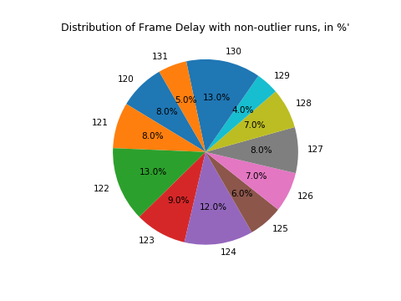
122 | 13 | 13
123 | 9 | 9
124 | 12 | 12
125 | 6 | 6
126 | 7 | 7
127 | 8 | 8
128 | 7 | 7
129 | 4 | 4
130 | 13 | 13
131 | 5 | 5
Grand Total | 100 | 100

