FPS_Distribution
FPS unique values | count | % of FPS value Distribution
118 | 3 | 1.5
119 | 6 | 3
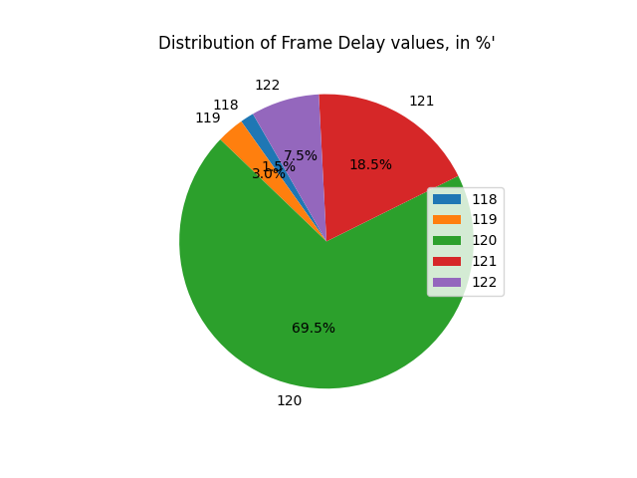
120 | 139 | 69.5
121 | 37 | 18.5
122 | 15 | 7.5
Grand Total | 200 | 100

