Sheet1
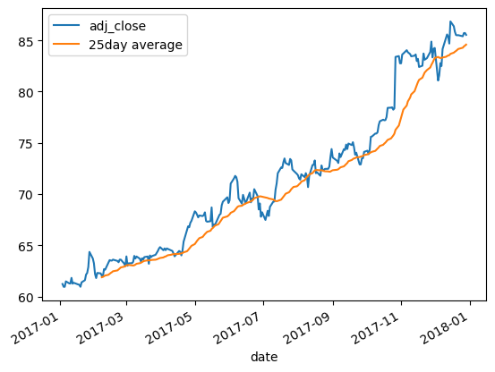
Time Series

DatetimeIndex

[1] | 0
[2]
[3]
[4]
[5]
[6] | 0
[7] | 0
[8] | 0
[9]
[10]
[11]
[12]
[13]
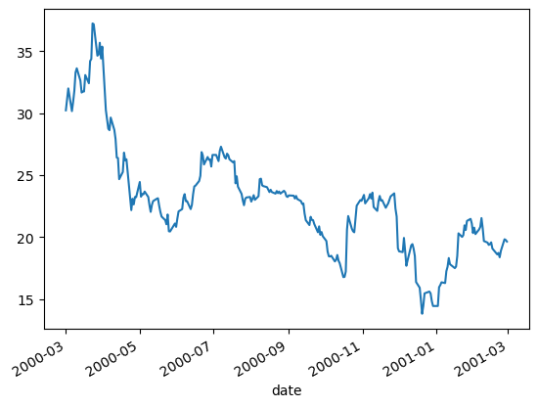

Shifting and Percentage Changes

[14]
[15]
[16]
[17]
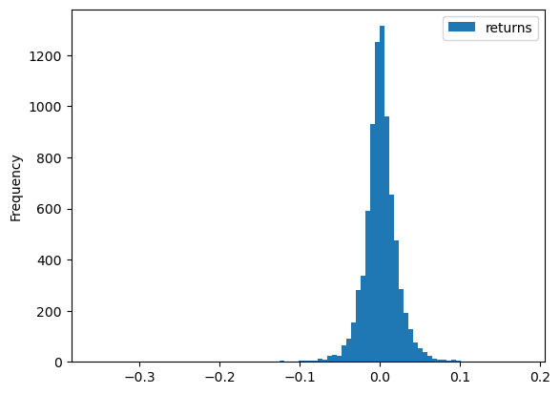

[18]

Rebasing and Correlation

[19] | 0
[20]
[21] | 0
[22]
[23]

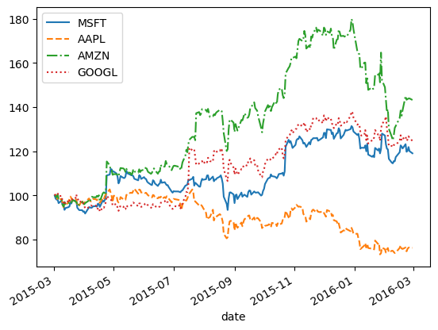

[24]
[25]
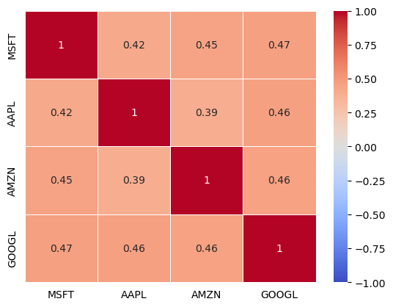

Resampling

[26]
[27]
[28]

Rolling Windows

[29]

