Sheet1
Date | Steps | Distance (km) | Calories | Sleep (hrs) | Comment | Create DataFrame
2025-06-01 | 8,200 | 6.1 | 320 | 7.2 |  | Statistics |  | Steps | Distance (km) | Calories | Sleep (hrs)
2025-06-02 | 10,500 | 7.9 | 390 | 6.5 | Felt tired |  | count | 4 | 4 | 4 | 3
2025-06-03 | 6,000 | 4.5 | 280 |  | No sleep tracked |  | mean | 9250 | 6.875 | 360 | 6.8333333333
2025-06-04 | 12,300 | 9 | 450 | 6.8 | Running group |  | std | 2740.4379212 | 1.9838934783 | 75.277265271 | 0.35118845843
 |  |  |  |  |  |  | min | 6000 | 4.5 | 280 | 6.5
 | Steps | Distance (km) | Calories | Sleep (hrs) | Comment |  | 25% | 7650 | 5.7 | 310 | 6.65
Date |  |  |  |  |  |  | 50% | 9350 | 7 | 355 | 6.8
45809 | 8200 | 6.1 | 320 | 7.2 | 0 |  | 75% | 10950 | 8.175 | 405 | 7
45810 | 10500 | 7.9 | 390 | 6.5 | Felt tired |  | max | 12300 | 9 | 450 | 7.2
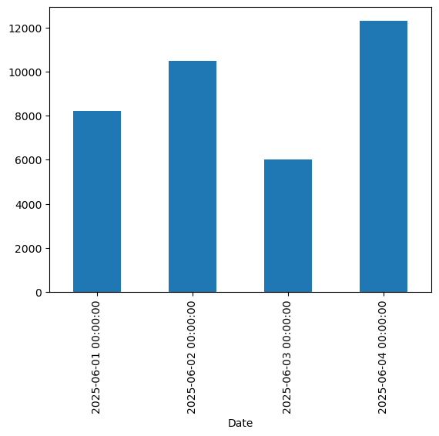
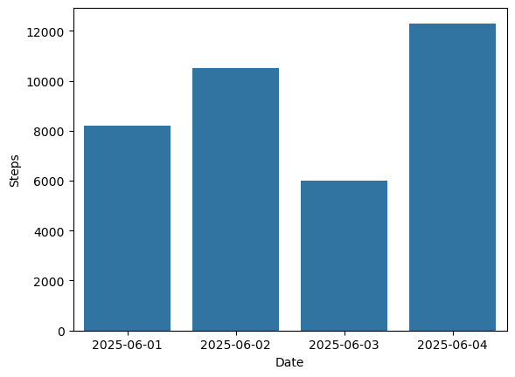
45811 | 6000 | 4.5 | 280 | #NUM! | No sleep tracked
45812 | 12300 | 9 | 450 | 6.8 | Running group | Matplotlib Plot
 |  |  |  |  |  | Seaborn Plot

