Analysis1
Analysis Sheet
This sheet will include all the Python formulas generated by Copilot.

Load data from Sheet1, Table1

Preview
 | Review
0 | Good location of the bar, but a bit noisy. Food is delicious.
1 | We went for drinks, but waited far too long for bad service, so don't go!
2 | It's a good place for a quick beer after work.
3 | Prices are far more reasonable than in most other corners of the town. Recommended.
4 | We waited a long time to be served by a masterpiece of incompetence who forgot most of what we ordered.

Visualize most common words in reviews using a word cloud

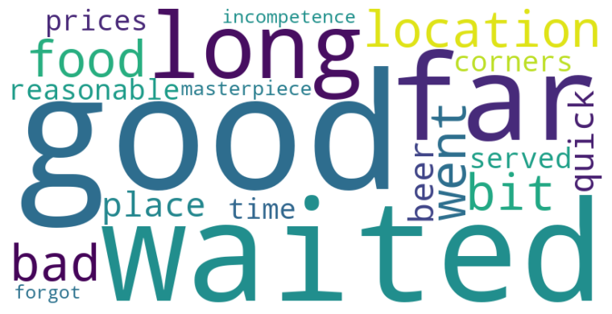

Count of reviews by sentiment label

Preview
SentimentLabel | count
Positive | 4
Negative | 1

Show each review with its sentiment label

Preview
 | Review | SentimentLabel
0 | Good location of the bar, but a bit noisy. Food is delicious. | Positive
1 | We went for drinks, but waited far too long for bad service, so don't go! | Negative
2 | It's a good place for a quick beer after work. | Positive
3 | Prices are far more reasonable than in most other corners of the town. Recommended. | Positive
4 | We waited a long time to be served by a masterpiece of incompetence who forgot most of what we ordered. | Positive

