Analysis1
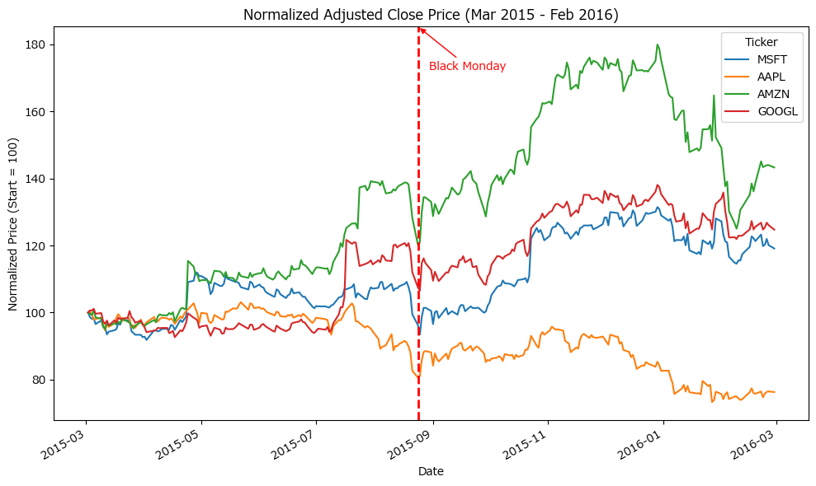
Analysis Sheet
This sheet will include all the Python formulas generated by Copilot.

Load data from MSFT, TableMSFT

Preview
 | ticker | date | open | high | low | ... | adj_high | adj_low | adj_close | adj_volume | Log Return
0 | MSFT | 1986-03-13 | 25.5 | 29.25 | 25.5 | ... | 0.067609264427 | 0.058941410013 | 0.064719979622 | 1031788800 | 0
1 | MSFT | 1986-03-14 | 28 | 29.5 | 28 | ... | 0.068187121387 | 0.064719979622 | 0.067031407466 | 308160000 | 0.035091319811
2 | MSFT | 1986-03-17 | 29 | 29.75 | 29 | ... | 0.068764978348 | 0.067031407466 | 0.068187121387 | 133171200 | 0.017094433359
3 | MSFT | 1986-03-18 | 29.5 | 29.75 | 28.5 | ... | 0.068764978348 | 0.065875693544 | 0.066453550505 | 67766400 | -0.025752496102
4 | MSFT | 1986-03-19 | 28.75 | 29 | 28 | ... | 0.067031407466 | 0.064719979622 | 0.065297836583 | 47894400 | -0.017544309651
... | ... | ... | ... | ... | ... | ... | ... | ... | ... | ... | ...
8071 | MSFT | 2018-03-21 | 92.93 | 94.05 | 92.21 | ... | 94.05 | 92.21 | 92.48 | 23753263 | -0.0070039616095
8072 | MSFT | 2018-03-22 | 91.265 | 91.75 | 89.66 | ... | 91.75 | 89.66 | 89.79 | 37578166 | -0.029518794391
8073 | MSFT | 2018-03-23 | 89.5 | 90.46 | 87.08 | ... | 90.46 | 87.08 | 87.18 | 42159397 | -0.029498663722
8074 | MSFT | 2018-03-26 | 90.61 | 94 | 90.4 | ... | 94 | 90.4 | 93.78 | 55031149 | 0.072976666851
8075 | MSFT | 2018-03-27 | 94.94 | 95.139 | 88.51 | ... | 95.139 | 88.51 | 89.47 | 53704562 | -0.047048240102

Load TableAAPL, TableAMZN, and TableGOOGL data from Excel

Preview
 | ticker | date | open | high | low | ... | adj_open | adj_high | adj_low | adj_close | adj_volume
0 | GOOGL | 2004-08-19 | 100.01 | 104.06 | 95.96 | ... | 50.159838617 | 52.191108954 | 48.12856828 | 50.322841792 | 44659000
1 | GOOGL | 2004-08-20 | 101.01 | 109.08 | 100.5 | ... | 50.661386848 | 54.708881075 | 50.40559725 | 54.322688937 | 22834300
2 | GOOGL | 2004-08-23 | 110.76 | 113.48 | 109.05 | ... | 55.551482103 | 56.915693293 | 54.693834628 | 54.869376509 | 18256100
3 | GOOGL | 2004-08-24 | 111.24 | 111.6 | 103.57 | ... | 55.792225255 | 55.972782618 | 51.94535032 | 52.597363021 | 15247300
4 | GOOGL | 2004-08-25 | 104.76 | 108 | 103.88 | ... | 52.542192715 | 54.167208985 | 52.100830272 | 53.164112522 | 9188600
... | ... | ... | ... | ... | ... | ... | ... | ... | ... | ... | ...
3419 | GOOGL | 2018-03-21 | 1092.57 | 1108.7 | 1087.21 | ... | 1092.57 | 1108.7 | 1087.21 | 1094 | 1990515
3420 | GOOGL | 2018-03-22 | 1080.01 | 1083.92 | 1049.64 | ... | 1080.01 | 1083.92 | 1049.64 | 1053.15 | 3418154
3421 | GOOGL | 2018-03-23 | 1051.37 | 1066.78 | 1024.87 | ... | 1051.37 | 1066.78 | 1024.87 | 1026.55 | 2413517
3422 | GOOGL | 2018-03-26 | 1050.6 | 1059.27 | 1010.58 | ... | 1050.6 | 1059.27 | 1010.58 | 1054.09 | 3272409
3423 | GOOGL | 2018-03-27 | 1063.9 | 1064.54 | 997.62 | ... | 1063.9 | 1064.54 | 997.62 | 1006.94 | 2940957

Align and combine adj_close columns for all four tickers by date

Preview
 | MSFT | AAPL | AMZN | GOOGL
date
29567 | 0 | 0.42270591588 | 0 | 0
29570 | 0 | 0.40065169418 | 0 | 0
29571 | 0 | 0.37124606525 | 0 | 0
29572 | 0 | 0.38036181022 | 0 | 0
29573 | 0 | 0.39153594921 | 0 | 0

Normalized time series plot for Mar 2015 - Feb 2016

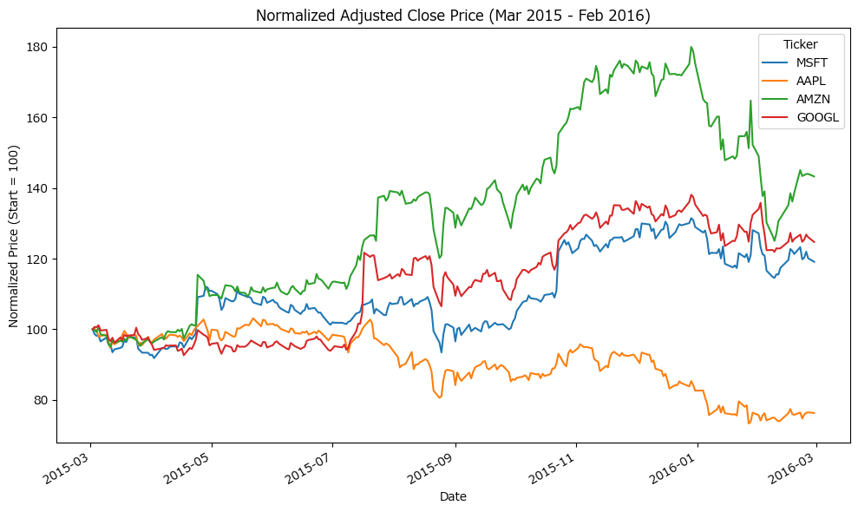

Normalized time series plot with Flalsh Crash vertical line and label

