PR
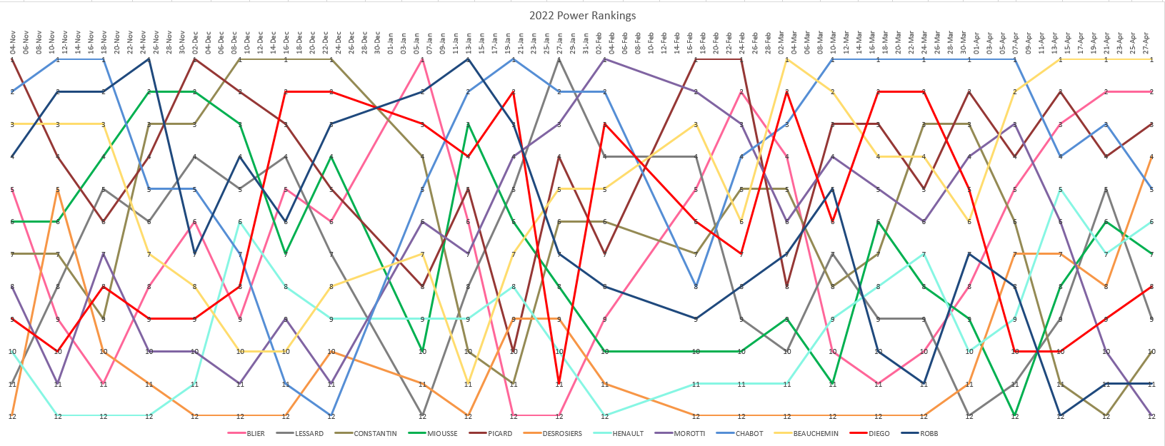
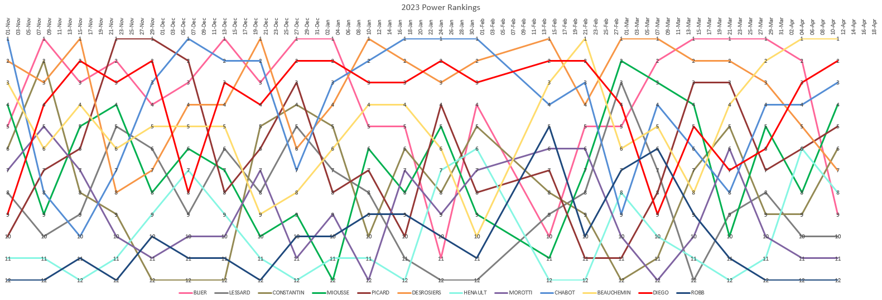
 |  |  |  |  |  |  |  |  |  |  |  |  |  |  |  |  |  |  |  |  |  |  |  |  |  |  |  |  |  |  |  |  |  |  |  |  |  |  |  |  |  |  |  |  |  |  |  |  |  |  |  |  |  |  |  |  | POOLER | CHABOT | DESROSIERS | DIEGO | LESSARD | MIOUSSE | MOROTTI | AVG
 | 2023-10-31 | 2023-11-07 | 2023-11-14 | 2023-11-21 | 2023-11-28 | 2023-12-05 | 2023-12-12 | 2023-12-19 | 2023-12-26 | 2024-01-02 | 2024-01-09 | 2024-01-16 | 2024-01-23 | 2024-01-30 | 2024-02-13 | 2024-02-20 | 2024-02-27 | 2024-03-05 | 2024-03-12 | 2024-03-19 | 2024-03-26 | 2024-04-02 | 2024-04-09 | 2024-04-16 | AVG | WEEK 1st | Best | NB | Worst | NB |  |  |  | # | Power Rank | AVG | +/- |  | 2023-24 | AVG | Diff | MOM | Diff | CHA | Diff | MIO | Diff | LES | Diff | DIE | Diff | DES | Diff | OFFICIAL | Rank | 1 | DIEGO | 1 | 2 | 1 | 1 | 3 | 1 | 1.50
BLIER | 7 | 3 | 2 | 1 | 3 | 5 | 9 | 4 | 4 | 3 | 2 | 2 | 2 | 4 | 3 | 6 | 9 | 11 | 12 | 10 | 4 | 5 | 5 | 9 | 5.21 | 1.00 | 1 | 1 | 12 | 1 |  |  |  | 1 | CHABOT | 1.20 | 0 | 1 | DIEGO | 1.5 | 1.5 | 1 | 2 | 1 | 2 | 3 | 0 | 1 | 2 | 1 | 2 | 2 | 1 | MIOUSSE | 1 | 2 | CHABOT | 4 | 6 | 2 | 2 | 1 | 5 | 3.33
LESSARD | 3 | 10 | 5 | 8 | 4 | 3 | 7 | 10 | 11 | 5 | 3 | 4 | 6 | 9 | 11 | 12 | 10 | 7 | 5 | 4 | 7 | 8 | 11 | 8 | 7.13 | - | 3 | 3 | 12 | 1 |  |  |  | 2 | MIOUSSE | 2.80 | 0 | 2 | CHABOT | 3.3 | 1.3333333333 | 5 | 3 | 4 | 2 | 1 | 1 | 2 | 0 | 2 | 0 | 6 | 4 | CHABOT | 2 | 3 | BLIER | 2 | 4 | 8 | 4 | 2 | 2 | 3.67
CONSTANTIN | 5 | 1 | 1 | 3 | 2 | 9 | 3 | 9 | 6 | 4 | 6 | 7 | 7 | 7 | 4 | 3 | 3 | 6 | 3 | 7 | 10 | 7 | 6 | 3 | 5.08 | 2.00 | 1 | 2 | 10 | 1 |  |  |  | 3 | CONSTANTIN | 4.90 | 3 | 3 | BLIER | 3.7 | 0.33333333333 | 2 | 2 | 2 | 2 | 2 | 2 | 4 | 0 | 8 | 4 | 4 | 0 | DIEGO | 3 | 4 | MIOUSSE | 6 | 3 | 4 | 3 | 4 | 3 | 3.83
MIOUSSE | 6 | 2 | 3 | 5 | 9 | 8 | 11 | 7 | 3 | 1 | 1 | 1 | 1 | 3 | 1 | 2 | 6 | 8 | 9 | 2 | 1 | 3 | 2 | 2 | 4.04 | 6.00 | 1 | 6 | 11 | 1 |  |  |  | 4 | MOROTTI | 5.50 | -1 | 4 | MIOUSSE | 3.8 | 2.8333333333 | 3 | 2 | 6 | 5 | 4 | 3 | 3 | 2 | 4 | 3 | 3 | 2 | BLIER | 4 | 5 | BEAUCHEMIN | 3 | 1 | 5 | 7 | 6 | 9 | 5.17
PICARD | 8 | 6 | 7 | 6 | 8 | 6 | 4 | 2 | 1 | 8 | 8 | 8 | 9 | 11 | 8 | 5 | 2 | 4 | 8 | 8 | 6 | 6 | 10 | 7 | 6.50 | 1.00 | 1 | 1 | 11 | 1 |  |  |  | 5 | BEAUCHEMIN | 6.55 | 3 | 5 | BEAUCHEMIN | 5.2 | 0.16666666667 | 9 | 4 | 3 | 2 | 6 | 1 | 7 | 2 | 5 | 0 | 1 | 4 | BEAUCHEMIN | 5 | 6 | MOROTTI | 5 | 7 | 6 | 5 | 5 | 4 | 5.33
DESROSIERS | 11 | 12 | 12 | 12 | 12 | 12 | 12 | 12 | 9 | 10 | 11 | 12 | 12 | 12 | 10 | 9 | 11 | 12 | 11 | 12 | 12 | 10 | 7 | 10 | 11.04 | - | 7 | 1 | 12 | 13 |  |  |  | 6 | DIEGO | 6.60 | -2 | 6 | MOROTTI | 5.3 | 1.6666666667 | 4 | 3 | 5 | 2 | 5 | 2 | 5 | 2 | 6 | 1 | 7 | 0 | CONSTANTIN | 6 | 7 | PICARD | 7 | 5 | 3 | 6 | 7 | 6 | 5.67
HENAULT | 10 | 8 | 10 | 9 | 5 | 4 | 5 | 6 | 8 | 9 | 10 | 9 | 11 | 10 | 12 | 10 | 8 | 9 | 10 | 9 | 9 | 9 | 9 | 11 | 8.75 | - | 4 | 1 | 12 | 1 |  |  |  | 7 | PICARD | 6.85 | 3 | 7 | PICARD | 5.7 | 2.3333333333 | 6 | 2 | 7 | 1 | 7 | 1 | 6 | 2 | 3 | 5 | 5 | 3 | MOROTTI | 7 | 8 | LESSARD | 10 | 8 | 10 | 8 | 8 | 7 | 8.50
MOROTTI | 9 | 9 | 11 | 7 | 10 | 10 | 10 | 11 | 12 | 12 | 12 | 11 | 8 | 2 | 5 | 8 | 5 | 3 | 1 | 1 | 2 | 4 | 3 | 4 | 7.08 | 2.00 | 1 | 2 | 12 | 3 |  |  |  | 8 | LESSARD | 7.60 | 3 | 8 | LESSARD | 8.5 | 0.5 | 7 | 2 | 10 | 1 | 8 | 1 | 8 | 1 | 10 | 1 | 8 | 1 | PICARD | 8 | 9 | CONSTANTIN | 8 | 10 | 7 | 9 | 10 | 11 | 9.17
CHABOT | 4 | 5 | 8 | 11 | 6 | 1 | 2 | 3 | 2 | 6 | 7 | 6 | 3 | 1 | 2 | 1 | 4 | 2 | 7 | 5 | 5 | 2 | 1 | 1 | 3.96 | 3.00 | 1 | 5 | 11 | 1 |  |  |  | 9 | BLIER | 7.80 | -4 | 9 | CONSTANTIN | 9.2 | 3.1666666667 | 11 | 5 | 8 | 2 | 10 | 4 | 9 | 3 | 7 | 1 | 10 | 4 | LESSARD | 9 | 10 | HENAULT | 9 | 9 | 9 | 10 | 9 | 10 | 9.33
BEAUCHEMIN | 2 | 7 | 6 | 4 | 1 | 7 | 8 | 8 | 7 | 7 | 5 | 3 | 4 | 5 | 6 | 7 | 7 | 5 | 2 | 6 | 8 | 11 | 8 | 5 | 5.79 | 1.00 | 1 | 1 | 11 | 1 |  |  |  | 10 | DESROSIERS | 7.95 | -3 | 10 | HENAULT | 9.3 | 0.66666666667 | 10 | 0 | 9 | 1 | 9 | 1 | 10 | 0 | 9 | 1 | 9 | 1 | HENAULT | 10 | 11 | ROBB | 11 | 12 | 11 | 12 | 11 | 8 | 10.83
DIEGO | 1 | 4 | 4 | 2 | 7 | 2 | 1 | 1 | 5 | 2 | 4 | 5 | 5 | 6 | 7 | 4 | 1 | 1 | 4 | 3 | 3 | 1 | 4 | 6 | 3.46 | 5.00 | 1 | 6 | 7 | 2 |  |  |  | 11 | HENAULT | 8.60 | -2 | 11 | ROBB | 10.8 | 0.16666666667 | 8 | 3 | 11 | 0 | 11 | 0 | 12 | 1 | 11 | 0 | 12 | 1 | ROBB | 11 | 12 | DESROSIERS | 12 | 11 | 12 | 11 | 12 | 12 | 11.67
ROBB | 12 | 11 | 9 | 10 | 11 | 11 | 6 | 5 | 10 | 11 | 9 | 10 | 10 | 8 | 9 | 11 | 12 | 10 | 6 | 11 | 11 | 12 | 12 | 12 | 9.96 | - | 5 | 1 | 12 | 5 |  |  |  | 12 | ROBB | 11.65 | 0 | 12 | DESROSIERS | 11.7 | 0.33333333333 | 12 | 0 | 12 | 0 | 12 | 0 | 11 | 1 | 12 | 0 | 11 | 1 | DESROSIERS | 12
 |  |  |  |  |  |  |  |  |  |  |  |  |  |  |  |  |  |  |  |  |  |  |  |  |  |  |  |  |  |  |  |  |  |  |  |  |  |  |  | Diff | 15 | Diff | 28 | Diff | 20 | Diff | 16 | Diff | 16 | Diff | 18 | Diff | 22

POWR RANKING 2024

 |  |  |  |  |  |  |  |  |  |  |  |  |  |  |  |  |  |  |  |  |  |  |  |  |  |  |  |  |  |  |  |  |  |  |  |  |  |  | 2022-23 | AVG | Diff | MIO | Diff | CHA | Diff | MOM | Diff | PIC | Diff | LES | Diff
 |  |  |  |  |  |  |  |  |  |  |  |  |  |  |  |  |  |  |  |  |  |  |  |  |  |  |  |  |  |  |  |  |  |  |  |  |  | 1 | MIOUSSE | 2.6 | 4.4 | 1 | 6 | 5 | 2 | 2 | 5 | 1 | 6 | 4 | 3
 |  |  |  |  |  |  |  |  |  |  |  |  |  |  |  |  |  |  |  |  |  |  |  |  |  |  |  |  |  |  |  |  |  |  |  |  |  | 2 | DESROSIERS | 2.8 | 1.8 | 2 | 1 | 6 | 5 | 1 | 0 | 2 | 1 | 3 | 2
 |  |  |  |  |  |  |  |  |  |  |  |  |  |  |  |  |  |  |  |  |  |  |  |  |  |  |  |  |  |  |  |  |  |  |  |  |  | 3 | CONSTANTIN | 4.2 | 3.8 | 6 | 2 | 8 | 0 | 3 | 5 | 3 | 5 | 1 | 7
 |  |  |  |  |  |  |  |  |  |  |  |  |  |  |  |  |  |  |  |  |  |  |  |  |  |  |  |  |  |  |  |  |  |  |  |  |  | 4 | BLIER | 4.2 | 1.2 | 3 | 0 | 1 | 2 | 4 | 1 | 8 | 5 | 5 | 2
 |  |  |  |  |  |  |  |  |  |  |  |  |  |  |  |  |  |  |  |  |  |  |  |  |  |  |  |  |  |  |  |  |  |  |  |  |  | 5 | CHABOT | 4.6 | 2.6 | 5 | 3 | 2 | 0 | 9 | 7 | 5 | 3 | 2 | 0
 |  |  |  |  |  |  |  |  |  |  |  |  |  |  |  |  |  |  |  |  |  |  |  |  |  |  |  |  |  |  |  |  |  |  |  |  |  | 6 | DIEGO | 5.6 | 1.6 | 4 | 0 | 4 | 0 | 5 | 1 | 6 | 2 | 9 | 5
 |  |  |  |  |  |  |  |  |  |  |  |  |  |  |  |  |  |  |  |  |  |  |  |  |  |  |  |  |  |  |  |  |  |  |  |  |  | 7 | PICARD | 7.4 | 1.4 | 8 | 2 | 7 | 1 | 8 | 2 | 4 | 2 | 10 | 4
 |  |  |  |  |  |  |  |  |  |  |  |  |  |  |  |  |  |  |  |  |  |  |  |  |  |  |  |  |  |  |  |  |  |  |  |  |  | 8 | BEAUCHEMIN | 8.0 | 3 | 7 | 2 | 3 | 2 | 12 | 7 | 7 | 2 | 11 | 6
 |  |  |  |  |  |  |  |  |  |  |  |  |  |  |  |  |  |  |  |  |  |  |  |  |  |  |  |  |  |  |  |  |  |  |  |  |  | 9 | MOROTTI | 8.8 | 1.2 | 11 | 1 | 9 | 1 | 6 | 4 | 10 | 0 | 8 | 2
 |  |  |  |  |  |  |  |  |  |  |  |  |  |  |  |  |  |  |  |  |  |  |  |  |  |  |  |  |  |  |  |  |  |  |  |  |  | 10 | ROBB | 9.6 | 2.4 | 10 | 2 | 10 | 2 | 10 | 2 | 11 | 1 | 7 | 5
 |  |  |  |  |  |  |  |  |  |  |  |  |  |  |  |  |  |  |  |  |  |  |  |  |  |  |  |  |  |  |  |  |  |  |  |  |  | 11 | LESSARD | 10.0 | 1 | 9 | 0 | 12 | 3 | 11 | 2 | 12 | 3 | 6 | 3
 |  |  |  |  |  |  |  |  |  |  |  |  |  |  |  |  |  |  |  |  |  |  |  |  |  |  |  |  |  |  |  |  |  |  |  |  |  | 12 | HENAULT | 10.2 | 0.8 | 12 | 1 | 11 | 0 | 7 | 4 | 9 | 2 | 12 | 1
 |  |  |  |  |  |  |  |  |  |  |  |  |  |  |  |  |  |  |  |  |  |  |  |  |  |  |  |  |  |  |  |  |  |  |  |  |  |  |  | Diff | 25.2 | Diff | 20 | Diff | 18 | Diff | 40 | Diff | 32 | Diff | 40

 |  |  |  |  |  |  |  |  |  |  |  |  |  |  |  |  |  |  |  |  |  |  |  |  |  |  |  |  |  |  |  | best | worst
 |  |  |  |  |  |  |  |  |  |  |  |  |  |  |  |  |  |  |  |  |  |  |  |  |  |  |  |  |  |  | BEAUCHEMIN | 1 | 12
 |  |  |  |  |  |  |  |  |  |  |  |  |  |  |  |  |  |  |  |  |  |  |  |  |  |  |  |  |  |  | BLIER | 1 x5 | 7
 |  |  |  |  |  |  |  |  |  |  |  |  |  |  |  |  |  |  |  |  |  |  |  |  |  |  |  |  |  |  | CHABOT | 3 | 12
 |  |  |  |  |  |  |  |  |  |  |  |  |  |  |  |  |  |  |  |  |  |  |  |  |  |  |  |  |  |  | CONSTANTIN | 2 | 9
 |  |  |  |  |  |  |  |  |  |  |  |  |  |  |  |  |  |  |  |  |  |  |  |  |  |  |  |  |  |  | DESROSIERS | 3 | 10
 |  |  |  |  |  |  |  |  |  |  |  |  |  |  |  |  |  |  |  |  |  |  |  |  |  |  |  |  |  |  | DIEGO | 2 | 12
 |  |  |  |  |  |  |  |  |  |  |  |  |  |  |  |  |  |  |  |  |  |  |  |  |  |  |  |  |  |  | HENAULT | 2 | 12
 |  |  |  |  |  |  |  |  |  |  |  |  |  |  |  |  |  |  |  |  |  |  |  |  |  |  |  |  |  |  | LESSARD | 1 | 8
 |  |  |  |  |  |  |  |  |  |  |  |  |  |  |  |  |  |  |  |  |  |  |  |  |  |  |  |  |  |  | MIOUSSE | 1 x 2 | 11
 |  |  |  |  |  |  |  |  |  |  |  |  |  |  |  |  |  |  |  |  |  |  |  |  |  |  |  |  |  |  | MOROTTI | 1 x 3 | 11
 |  |  |  |  |  |  |  |  |  |  |  |  |  |  |  |  |  |  |  |  |  |  |  |  |  |  |  |  |  |  | PICARD | 2 | 11
 |  |  |  |  |  |  |  |  |  |  |  |  |  |  |  |  |  |  |  |  |  |  |  |  |  |  |  |  |  |  | ROBB | 7 | 12

