Preliminary info
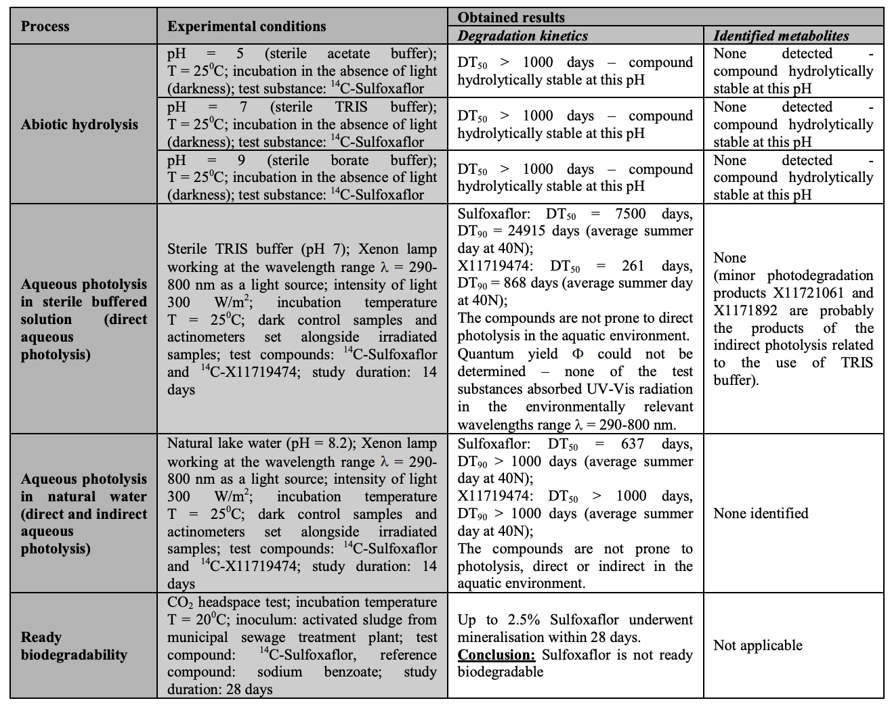
Before starting to work on a new compound we need to know how the active ingredient behaves in water (solubility, storage), under light and at freezing temperatures. We will focus on sulfoxaflor, but the same procedure applies to other compounds.
The best way to retrieve these info is to get access to:
1) a good database, such as PPBD (https://sitem.herts.ac.uk/aeru/ppdb/en/Reports/1669.htm) --> This is a good start but very often it doesn't have all the information we need.
2) the list of endpoints of the EFSA conclusion for the substance of interest (https://efsa.onlinelibrary.wiley.com/doi/epdf/10.2903/j.efsa.2014.3692) --> usually a very long document with all kinds of information on the pesticide. Since it's not a user-friendly document, I'd advise you to automatically search (Ctrl. + F) the information you need within the pdf (e.g., "aqueous"; "aqueous photolysis"; "DT50"; "storage"; "freezing").
You will want to check if the substance:
1) is soluble in water (if not, which organic solvent is best to use?)
2) is hydrolitically stable (once you prepare a water-based pesticide solution, will it degrade quickly?)
3) undergoes aqueous photolysis (can you work under natural light conditions? shoud you use light-shielded containers to avoid degradation driven by light?)
4) is stable at freezing temperatures (can you prepare a stock solution and store it in aliquots at-20˚C for future experiments?)
PPDB tells us sulfoxaflor has a solubility limit of 568 mg/L. It's a relatively high limit. Given the high toxicity of sulfoxaflor to bees, it's definitely going to be high enough for our dilutions.
PPDB does not have all the info needed on the aqueous hydrolisis and photolysis. Below is a screenshot from the EFSA conclusion telling us that the substance is hydrolitically and photolytically stable, which will make our life easier in the lab. You should look at the DT50 (half-life), which tells you how many days it took for the substance to degrade by 50% in different solutions and experimental conditions. In principle, this also tells you that in a chronic design, you could choose to change the treated solution less frequently, without worrying too much about the pesticide undergoing substantial degradation.
The efsa conclusion also tells us that "Residues of sulfoxaflor and metabolite X11719474 are stable for at least 680 days (22 months) in agricultural commodities stored under frozen conditions" (I used the search terms "frozen","freeze", "storage" to find the info, which is not always present in EFSA conclusions). This gives us good indications that sulfoxaflor can be stored for long periods in the freezer without undergoing significant degradation.

syrup
Sulfoxaflor 50 ppb (w/w) in 30% sucrose syrup

In this worksheet you can run the calculations to prepare treated syrup with 0.05 mg sulfoxaflor/kg (50 ppb)
Once the protocol is ready, the first practical step will be preparing a concentrated stock solution, which will subsequently be diluted to the target concentration. Sulfoxaflor comes in 10mg vials and I usualy use all the powder to prepare a large amount of stock. Then, I divide the stock into aliquots (usually using eppendorf tubes) and store them in the freezer for future experiments. I know I can do it, since there is good indication that the substance is stable at -20 in water (which was also confirmed in one of my experiments).
The solubility limit of sulfoxaflor in water is 568mg/l, hence, the minimum amount of water for 10mg of sulfoxaflor has to be 17.6 ml (1000ml*10mg/568mg/l). In other words, if a lower volume than 17.6ml of water is used as solvent for 10 mg of sulfoxaflor, the solubility limit will be exceeded. As good practice, the stock solutions should be less concentrated than the solubility limit by 10-15%.
I usually prepare my sulfoxaflor stock at 400 or 200mg/l. I found both to be suitable both for acute and chronic exposure studies.
Targeting 200mg/l, we will need to dissolve the 10mg of sulfoxaflor in 50ml of distilled water:
200 mg :1000 ml = 10 mg: x --> x=1000 ml *10 mg / 200 mg x=50ml
this stock solution should be further diluted to reach the desired concentration. Dilution will be calculated using the followung formula:
Ci * Vi = Cf * Vf where:
Ci is the initial concentration of our stock
Vi is the fraction (volume or weight) of the stock solution to be diluted
Cf is the final concentration of the treated syrup
Vf is the final volume (or weight) of treated syrup
Tip #1: if you set Vf to be a multiple of Ci, you will not end up working with odd (Vi) volumes (e.g., 0.0067 ml) and your dilution protocol will be easier.
Tip #2: when preparing the solutions, use calibrated pipettes (there's a set dedicated to DNA in molecular which can be used for pesticides, until we have a dedicated set for pesticides. The DNA pipette set should not be moved to ecology. Never use the RNA set for pesticide use) and use them properly. This means always setting them within their range of use (check it online if you are not sure about it) and storing them vertically. Use filter tips when handling pesticides. Moreover, for accuracy, it's best to choose the kind (i.e., measure) of pipette which allows working close to its maximum setting. For example, if you need to take 200µl it's better to use a P200 at the maximum setting, than a P1000 colse to its minimum.
Tip #3: When carrying out dilutions, I't good practive not to work with very small volumes. This means you should avoid designing a dilution protocol where Vi is only a few µl. You can avoid it by doing an intermediate dilution of the stock solution. In our case, we could make a 1:10 dilution of the initial stock and prepare an intermediate stock at 20mg/L (by dissolving 1ml of 200mg/l stock in 9 ml of distilled water).

Step 1: insert the target concentration in column G, the quantity of solution per feeder in column I and the number of feeders in column H, to calculate the target quantity of treated syrup. I usually increase this value by 10-20% to account for spillage and errors and to have some leftovers to store at -20˚C for later chemical analysis.
Background information
water solubility limit (pH 7) | 568 | mg/l
minimum volume of solvent (distilled water) for 10 mg sulfoxaflor | 17.605633803 | ml

Preparation of the stock solution in water
Desired concentration of stock solution (mg/L≈mg/kg) | 200 |  | Solution | Doses and respective concentrations
Desired volume of stock solution (ml) | 50 |  |  | concentration (mg/kg) | no. of feeders | quantity of solution in each feeder (g) | treatment solution needed (g) | treatment solution needed (g) + ≈ 20%
amount of technical active ingredient (mg sulfoxaflor) | 10 |  | Sulfoxaflor | 0.05 | 33 | 10 | 330.0 | 400

Step 2: calculate the dilution protocol.
- Syrup: to calculate the quantity of sugar and water in the syrup you will first need to type its sucrose concentration in column M. In our case, being the concentration 30% (w/w) and the final quantity of syrup 400 g, the sucrose quantity will be 120g and the distilled water quantity 280g - Vi
- to calculate Vi (i.e., the quantity of stock solution to be further diluted in the syrup), insert the target concentration Ci (column G) and volume Vf (column J).
In this case we will prepare 400 g of final solution at 0.05 mg/kg. Hence, using a 20mg/l diluted stock, Vi will be 1ml (400*0.05/20)
Your protocol will look like:
- weigh 120 g of sucrose and transfer the powder into a plastic bottle
- add 279 ml of distilled water
- agitate until the sugar is completely dissolved
- add 1 ml of 20 mg/l stock (which is very colse to 1g, as long as the stock solution is prepared using distilled water)
- agitate thoroughly

 |  |  | Dilutions
 |  |  | Solution | Concentration of the initial stock Ci | Volume of the initial stock (ml≈g) Vi | Desired concentration of ready to use treatment solution (mg/kg) Cf | Desired final quantity of ready to use treatment solution (g) Vf | ml≈g of water in the treatment solution (- volume of stock) | g of sucrose | % sucrose (w/w)

 |  |  | Sulfoxaflor | 20 | 1.0000 | 0.050 | 400 | 279.0000 | 120 | 30
 |  |  | Control | 0.000 | 1.0000 | 0.000 | 400 | 279.0000 | 120 | 30

pollen
Sulfoxaflor 50 ppb (w/w) in pollen

In this worksheet you can run the calculations to prepare treated pollen with 0.05 mg sulfoxaflor/kg (50 ppb)
The procedure is very similar to the preparation of treated syrup (read that protocol first) the only difference being that the pollen ball will be prepared using a 1:4 ratio of distilled water to fresh-frozen, honeybeee-collected pollen. Therefore, the stock solution will need to be diluted in water before being added to the pollen.
- step 1: grind the pollen using one of the spice grinders in ecology (wearing a mask is probably a good idea). This step may be avoided in case the pollen is already quite moist.
- step 2: dilute the concentrated stock in water to create a spike solution
- step 3: add the spike solution to the pollen and mix really well (it may take a few minutes)
- Step 4: divide the dough in 1.5-2.5 g balls (suitable for microcolony designs)
Again, dilution will be calculated using the followung formula:
Ci * Vi = Cf * Vf where:
Ci is the initial concentration of our stock
Vi is the fraction (volume or weight) of the stock solution to be diluted in water first, and then added to the pollen
Cf is the final concentration of the treated pollan ball
Vf is the desired quantity of treated pollen dough
Tip #1: if you set Vf to be a multiple (or sub-multiple) of Ci, you will not end up working with odd (Vi) volumes (e.g., 0.0067 ml) and your dilution protocol will be easier.
Tip #2: when preparing the solutions, use calibrated pipettes (there's a set dedicated to DNA in molecular which can be used for pesticides, until we have a dedicated set for pesticides. The DNA pipette set should not be moved to ecology. Never use the RNA set for pesticide use) and use them properly. This means always setting them within their range of use (check it online if you are not sure about it) and storing them vertically. Use filter tips when handling pesticides. Moreover, for accuracy, it's best to choose the kind (i.e., measure) of pipette which allows working close to its maximum setting. For example, if you need to take 200µl it's better to use a P200 at the maximum setting, than a P1000 colse to its minimum.
Tip #3: When carrying out dilutions, I't good practive not to work with very small volumes. This means you should avoid designing a dilution protocol where Vi is only a few µl. You can avoid it by doing an intermediate dilution of the stock solution. In our case, we could make a 1:10 dilution of the initial stock and prepare an intermediate stock at 20mg/L (by dissolving 1ml of 200mg/l stock in 9 ml of distilled water).
Note:
there is a chance that the pollen ball will loose weight over the course of exposure, while the pesticide remains stable. In this case the pesticide concentration may increase over time. However, fluctuations in the range of 20% of the nominal concentration are usually considered acceptable in ecotoxicology. In any case it might be a good idea to change the contaminated pollen frequently over the course of exposure to minimise the risk of timely concentration of pesticide.

Step 1: insert the target concentration in column G, the weight of a pollen ball in column I and the nmber of pollen balls needed in column H, to calculate the target quantity of treated pollen dough. I usually increase this value by 10-20% to account for errors and to have some leftovers to store at -20˚C for later chemical analysis.
Background information
water solubility limit (pH 7) | 568 | mg/l
minimum volume of solvent (distilled water) for 10 mg sulfoxaflor | 17.605633803 | ml

Preparation of the stock solution in water
Desired concentration of stock solution (mg/L≈mg/kg) | 200 |  | Solution | Doses and respective concentrations
Desired volume of stock solution (ml) | 50 |  |  | concentration (mg/kg) | no. of pollen balls | weight of a pollen ball (g) | quantity of pollen dough (g) | treatment solution needed (g) + ≈ 20%
amount of technical active ingredient (mg sulfoxaflor) | 10 |  | Sulfoxaflor | 0.05 | 33 | 2.5 | 82.5 | 100
Step 2: calculate the dilution protocol.
- pollen dough: I prepare the pollen dough using 80% fresh-frozen, ground pollen and 20% spike solution (i.e., pesticide stock diluted in distilled water)
to calculate the quantity of sugar and water in the syrup you will first need to type its pollencontent (%) in column M. In our case, being its proportion 80% (w/w) and the final quantity of dough 100 g, the pollen will be 80g and the spike solution 20g
- to calculate Vi (i.e., the quantity of stock solution to be further diluted in water, and then added to the ground pollen), insert the target concentration Ci (column G) and quantity Vf (column J).
In this case we will prepare 100 g of dough with a final concentration of 0.05 mg/kg. Hence, using a 20mg/l diluted stock, Vi will be 0.25ml (100*0.05/20)
Your protocol will look like:
- weigh 80 g of ground pollen
- add 0.25 ml of (20 mg/l) stock to 19.75 ml of water
- agitate the resulting spike solution
- add the spike solution to the ground pollen and manually mix for 3-5 minutes.
- divide the dough into balls

 |  |  | Dilutions
 |  |  | Solution | Concentration of the initial stock Ci | Volume of the initial stock (ml≈g) Vi | Desired concentration of pesticide (mg/kg) Cf | Desired quantity of ready-to-use pollen (g) Vf | ml≈g of water in the pollen ball (- volume of spike solution) | g of dry pollen in the pollen ball | % water in the pollen ball (w/w)

 |  |  | Sulfoxaflor | 20 | 0.2500 | 0.050 | 100 | 19.7500 | 80 | 80
 |  |  | Control | 0.000 | 0.2500 | 0.000 | 100 | 19.7500 | 80 | 80

