Munka1
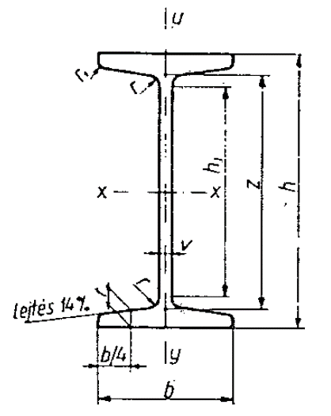

h | h1 | b | v=r | t | r1
mm

